Calcbench Export
Exported from Calcbench: 3/7/2019 7:54:45 AM EST
**For more features, download the Calcbench Excel Add-in at www.calcbench.com/excel
Company | Ticker | Revenue | PPE | MarketCapAtEndOfPeriod | TimesInterestEarned | ROE | CE | M-B | ShortTermDebt | CurrentLongTermDebt | LongTermDebt | PreferredStockValue | StockholdersEquity | StockholdersEquity | EBIT | InterestExpense | NetIncomeCommonStockholders
 |  | Year 2018 | Year 2018 | Year 2018 | Year 2018 | Year 2018 |  |  | Year 2018 | Year 2018 | Year 2018 | Year 2018 | Year 2018 | Year 2017 | Year 2018 | Year 2018 | Year 2018
Atmos Energy Corp | ATO | $3,115,546,000 | $10,371,147,000 | $10,381,834,624 | 6.73 | 13.91% | 56.69% | 2.18 | $575,780,000 | $575,000,000 | $2,493,665,000 |  | $4,769,951,000 | $3,898,666,000 | $717,790,000 | $106,646,000 | $603,064,000
Chesapeake Utilities Corp | CPK | $717,489,000 | $1,383,972,000 | $1,359,278,355 | 5.72 | 11.26% | 45.44% | 2.62 | $294,458,000 | $327,955,000 |  | $0 | $518,439,000 | $486,294,000 | $94,005,000 | $16,431,000 | $56,580,000
New Jersey Resources Corp | NJR | $2,915,109,000 | $2,651,049,000 | $4,079,134,567 | 4.60 | 17.58% | 49.33% | 2.87 | $151,950,000 | $123,545,000 | $1,181,769,000 |  | $1,418,978,000 | $1,236,643,000 | $212,929,000 | $46,286,000 | $233,436,000
Nisource Inc/DE | NI | $5,114,500,000 | $15,542,500,000 | $9,627,164,435 | (0.78) | -1.00% | 36.48% | 1.67 | $1,977,200,000 | $50,000,000 | $7,105,400,000 | $880,000,000 | $5,750,900,000 | $4,320,100,000 | ($276,100,000) | $353,300,000 | ($65,600,000)
Northwest Natural Gas Co | NWN | $706,100,000 | $2,421,372,000 | $1,808,041,064 | 3.47 | 8.58% | 44.43% | 2.37 | $217,620,000 | $29,989,000 | $706,247,000 |  | $762,634,000 | $742,776,000 | $128,561,000 | $37,059,000 | $64,569,000
ONE Gas, Inc. | OGS | $1,633,731,000 | $4,283,712,000 | $4,331,347,925 | 5.40 | 8.61% | 56.31% | 2.12 | $299,500,000 |  | $1,285,483,000 |  | $2,042,656,000 | $1,960,209,000 | $277,070,000 | $51,305,000 | $172,234,000
South Jersey Industries Inc | SJI | $1,641,338,000 | $3,653,473,000 | $2,436,072,151 | 1.14 | 1.44% | 28.94% | 1.92 | $270,500,000 | $733,909,000 | $2,106,863,000 |  | $1,267,022,000 | $1,192,409,000 | $103,149,000 | $90,296,000 | $17,663,000
Southwest Gas Holdings, Inc. | SWX | $2,880,013,000 | $5,093,238,000 | $4,241,087,303 | 3.52 | 8.94% | 49.55% | 1.88 | $152,000,000 | $33,060,000 | $2,107,258,000 |  | $2,251,590,000 | $1,812,403,000 | $340,007,000 | $96,671,000 | $182,277,000
Spire Inc | SR | $1,965,000,000 | $3,970,500,000 | $3,624,692,969 | 2.91 | 10.09% | 46.17% | 1.61 | $175,500,000 | $553,600,000 | $1,900,100,000 |  | $2,255,400,000 | $1,991,300,000 | $286,100,000 | $98,400,000 | $214,200,000

Atmos Energy Corp | ATO |  | 96%
Chesapeake Utilities Corp | CPK | 4% | 43%
New Jersey Resources Corp | NJR |  | 25%
Nisource Inc/DE | NI | 33% | 67%
Northwest Natural Gas Co | NWN |  | 100%
ONE Gas, Inc. | OGS |  | 100%
South Jersey Industries Inc | SJI |  | 41%
Southwest Gas Holdings, Inc. | SWX |  | 47%
Spire Inc | SR |  | 96%

ATO

CPK

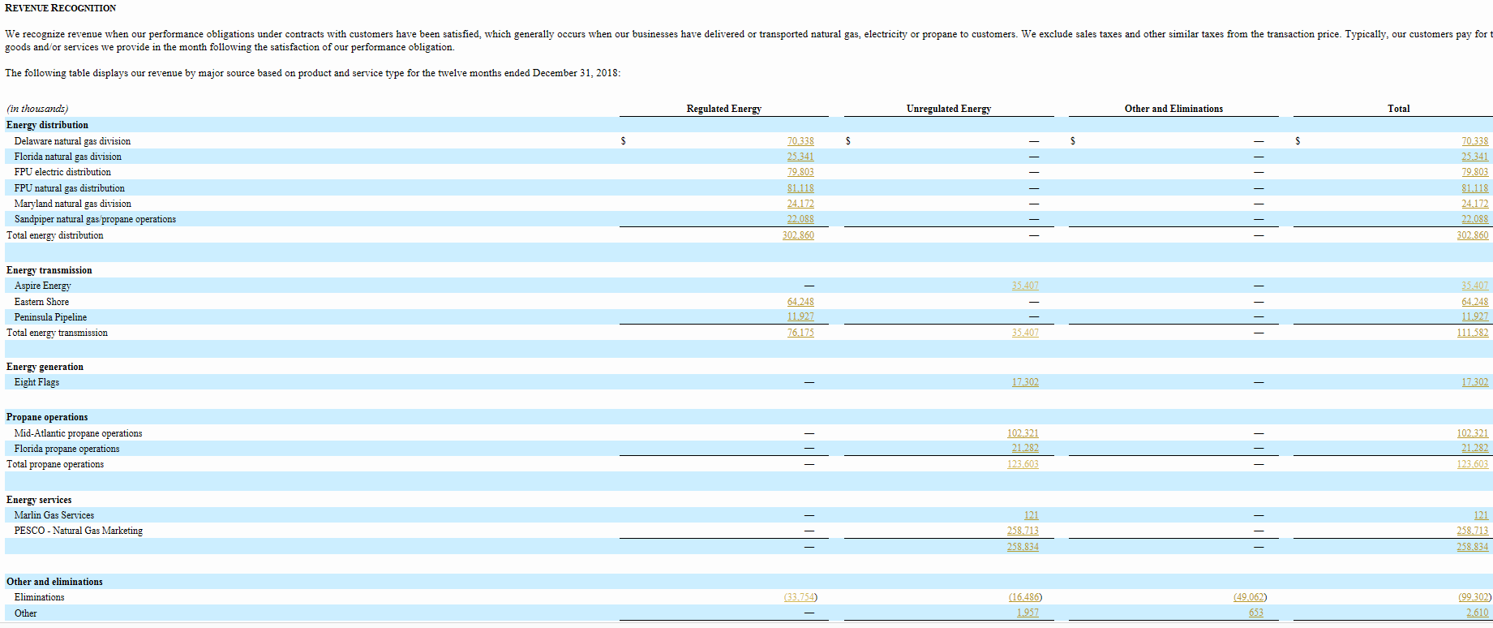

NJR

 | 0.25111492281

NI | 0.33372434018 | 0.66588465298

NWN | 1

OGS | 1

SJI |  | 0.41255332115

SWX |  | 0.47152777778

SR | 0.96081424936

