191 Accounts
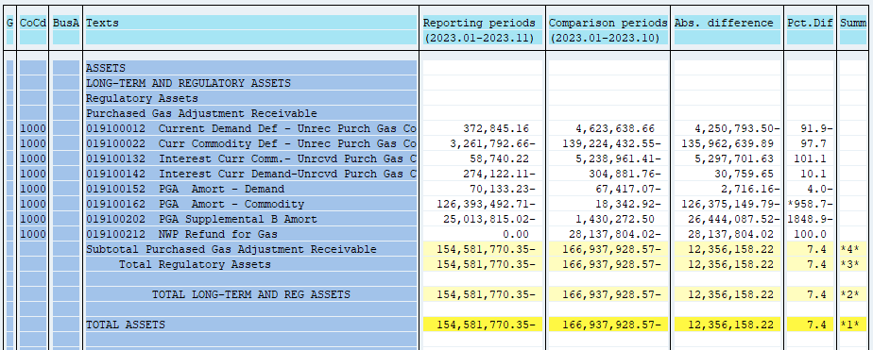
PUGET SOUND ENERGY
PGA 191 Account Balances
November
2023

 |  | Acct No. | Nov-23

Surcharge/Refund Amortization Accounts:
PGA Refund/Surcharge Amortization (Demand) |  | 19100152
 | Beginning |  | $(67,417.07)
 | Transfer Deferral Amounts to Surcharge/Refund Account
 | Surcharge/Refund Amortization |  | 6,155.00
 | Migration Credit
 | Interest |  | (8,871.16)
 | Total Month |  | (2,716.16)
 | Ending |  | $(70,133.23)

PGA Refund/Surcharge Amortization (Commodity) - 106 |  | 19100162
 | Beginning |  | $(18,342.92)
 | Transfer Deferral Amounts to Surcharge/Refund Account |  | (142,638,957.06)
 | Surcharge/Refund Amortization |  | 17,155,876.00
 | Migration Credit
 | Interest |  | (892,068.73)
 | Total Month |  | (126,375,149.79)
 | Ending |  | $(126,393,492.71)

PGA Supplemental Amortization (Demand) - 106B |  | 19100202
 | Beginning |  | $1,430,272.50
 | Transfer Deferral Amounts to Surcharge/Refund Account |  | (29,635,204.12)
 | Surcharge/Refund Amortization |  | 3,414,957.00
 | Migration Credit
 | Interest |  | (223,840.40)
 | Total Month |  | (26,444,087.52)
 | Ending |  | $(25,013,815.02)

NWP Refund for Gas (Demand) |  | 19100212
 | Beginning |  | $(28,137,804.02)
 | Rcrd Northwest Pipeline Refund Alloc to Gas Book
 | Reclass to PLNG
 | Transfer Deferral Amounts to Surcharge/Refund Account |  | $28,137,804.02
 | Surcharge/Refund Amortization
 | Interest
 | Total Month |  | 28,137,804.02
 | Ending |  | $-

Current Demand Deferral |  | 19100012
 | Beginning |  | $4,623,638.66
 | Transfer Deferral Amounts to Surcharge/Refund Account
 | Deferral |  | (4,250,793.50)
 | Total Month |  | (4,250,793.50)
 | Ending |  | $372,845.16

Current Commodity Deferral |  | 19100022
 | Beginning |  | $(139,224,432.55)
 | Transfer Deferral Amounts to Surcharge/Refund Account |  | 138,835,327.92
 | PGA Deferral Commd Vlntr RNG CR Tru-up 12/21-05/22
 | Deferral |  | (2,872,688.03)
 | Total Month |  | 135,962,639.89
 | Ending |  | $(3,261,792.66)

Interest on Demand Deferral |  | 19100142
 | Beginning |  | $(304,881.76)
 | Transfer Interest Amounts to Surcharge/Refund Account
 | Interest |  | 30,759.65
 | Total Month |  | 30,759.65
 | Ending |  | $(274,122.11)

Interest on Commodity Deferral |  | 19100132
 | Beginning |  | $(5,238,961.41)
 | Transfer Interest Amounts to Surcharge/Refund Account |  | 5,301,029.24
 | Interest |  | (3,327.61)
 | Total Month |  | 5,297,701.63
 | Ending |  | $58,740.22

Total 191
 | Beginning |  | $(166,937,928.57)
 | Total Month |  | 12,356,158.22
 | Ending |  | $(154,581,770.35)
Less: Acct. being Amortized |  |  | (151,477,440.96)
Current Period Under/(Over) Recovered |  |  | $(3,104,329.39)

