PR Taxes
 |  |  |  |  |  | https://www.irs.gov/taxtopics/tc751

PUGET SOUND ENERGY
SUMMARY OF IMPACT OF INCENTIVE ADJUSTMENT ON PAYROLL TAXES |  |  |  |  | 6.20%
FOR THE TWELVE MONTHS ENDED DECEMBER 31, 2020 |  |  |  |  | 1.450%
 |  |  |  |  | 7.650%
 | Electric |  | Gas
 |  |  |  |  |  | https://www.irs.gov/taxtopics/tc759
 | Test |  | Test
Description | Year | Restated | Year | Restated
 |  |  |  |  | 0.60%

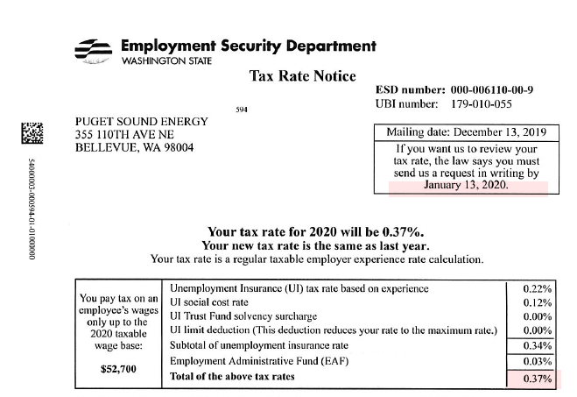
 | E |  | G
Incentive O&M | $4,516,703 | $7,606,362 | $1,828,892 | $3,569,103
Payroll Tax Rate | 8.62% | 8.62% | 8.62% | 8.62%
Payroll Taxes | 389,340 | 655,668 | 157,650 | 307,657

FICA | 7.65% |  |  |  | 0.37%
FUTA | 0.60%
SUTA (PSE) | 0.37%
Subtotal | 8.62%

