Typical Res Bill Sch 142
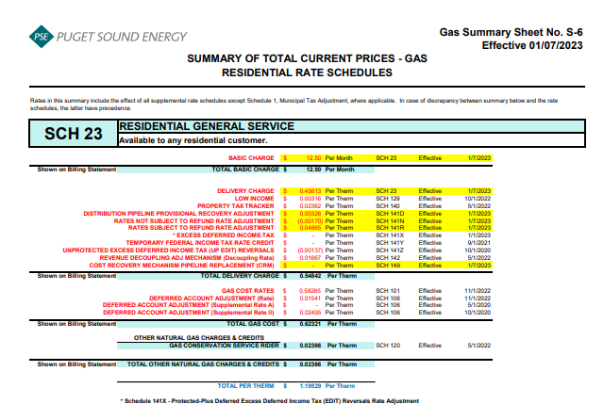
 | Puget Sound Energy
2023 Gas Decoupling Filing
 | Typical Residential Bill Impacts
Proposed Effective May 1, 2023

 |  |  |  |  | Schedule 142 Decoupling
 |  |  | Current Rates |  | Rate Change
 |  |  | Rates (1) | Charges | Rates | Charges
 | Volume (therms) |  | 64 |  | 64

 | Customer charge ($/month)
 |  | Basic charge (Sch. 23) | $12.50 | $12.50 | $12.50 | $12.50
 |  | Subtotal | $12.50 | $12.50 | $12.50 | $12.50

 | Volumetric charges ($/therm)
 |  | Delivery charge (Sch. 23) | $0.45613 |  | $0.45613
 |  | Low income charge (Sch. 129) | $0.00316 |  | $0.00316
 |  | Property tax charge (Sch. 140) | $0.02362 |  | $0.02362
 |  | Dist. Pipeline Provisional (Sch. 141D) | $0.00326 |  | $0.00326
 |  | Rates Not Subject to Refund (Sch. 141N) | $(0.00170) |  | $(0.00170)
 |  | Rates Subject to Refund (Sch. 141R) | $0.04865 |  | $0.04865
 |  | EDIT adjusting charge (Sch. 141X) | $- |  | $-
 |  | UP EDIT adjusting charge (Sch. 141Z) | $(0.00137) |  | $(0.00137)
 |  | Decoupling charge (Sch. 142) | $0.01667 |  | $0.00464
 |  | CRM Charge (Sch. 149) | $- |  | $-
 |  | Subtotal | $0.54842 | $35.10 | $0.53639 | $34.33

 |  | Conservation charge (Sch. 120) | $0.02366 | $1.51 | $0.02366 | $1.51

 |  | Gas cost charge (Sch. 101) | $0.58285 |  | $0.58285
 |  | Gas cost amort. charge (Sch. 106) | $0.04036 |  | $0.04036
 |  | Subtotal | $0.62321 | $39.89 | $0.62321 | $39.89
 |  | Total volumetric charges | $1.19529 | $76.50 | $1.18326 | $75.73

 | Total monthly bill |  |  | $89.00 |  | $88.23
 | Change from bill under current rates |  |  |  |  | $(0.77)
 | Percent change from bill under current rates |  |  |  |  | -0.87%

 | Total volumetric rates less gas costs |  | $0.57208 |  | $0.56005

 | (1) Rates for Schedule 23 customers in effect January 7, 2023

