Savings Potential
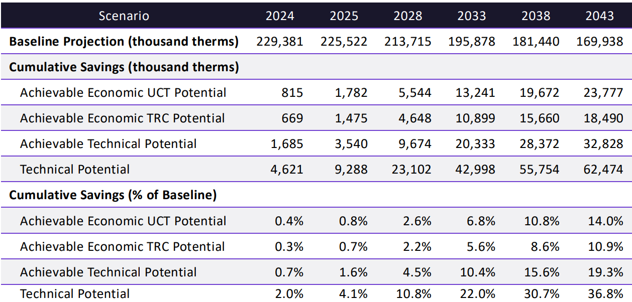
Figure 7: DSM Forecast by Potential Calculation | Figure 8: Cumulative UCT Achievable Economic Potential by Sector

Table 5
Table 5: Service Territory Climate Zones

 | Washington Conservation Climate Zones by District
 | Zone 1 | Zone 2 | Zone 3
 | Bellingham | Aberdeen | Sunnyside
 | Mount Vernon | Bremerton | Tri-Cities
 |  | Longview | Walla Walla
 |  |  | Wenatchee
 |  |  | Yakima
 | 