Revenue Requirement
PUGET SOUND ENERGY
LOW INCOME PROGRAM
REVENUE REQUIREMENTS
OCTOBER 2023 THROUGH SEPTEMBER 2024

LINE NO. |  |  | Electric | Gas | ELECTRIC | GAS | TOTAL | Notes
(a) | (b) | (c) | (d) | (e) | (f) | (g) | (h) | (i)

1 | Prior Low Income Cap UE-220656 & UG-220657 |  | 85% | 15% | 24,514,240 | 4,326,042 | $28,840,283
2 | Decoupling Residential Bill Impact UE-230206 and UG-230207 |  | -0.31% | -0.87% | - | - | -
3 | Increase pursuant to GRC Final Order 24/10 UE-220066 & UG-220067 |  | 24.72% | 12.93% | 6,060,420 | 559,332 | 6,619,751 | Note (A)
4 | Current Year Low Income Cap |  |  |  | $30,574,660 | $4,885,374 | $35,460,034
5 |  |  |  |  | 86.2% | 13.8%
6 | True-up the estimates used in the true-up in last year's filing |  |  |  | $(486,441) | $110,276 | (376,166)
7 | Under / (Over) Collection through September 2023 (Excludes Revenue Sensitive Items) |  |  |  | (1,930,999) | (159,643) | (2,090,643)
8 | Reduce the revenue requirement by the 2022 SQI Penalty |  | 85% | 15% | (631,125) | (111,375) | (742,500)
9 | Public Utility Tax Credits Received from Department of Revenue under RCW 82.16.0497 |  | 85% | 15% | (713,206) | (125,860) | $(839,065)
10
11 | Amount to be recovered October 2023 through September 2024 |  |  |  | $26,812,889 | $4,598,772 | $31,411,661
12
13 | Revenue Sensitive Items:
14 | Bad Debts Conversion Factor used in 2022 GRC UE-220066, et al |  |  |  | 0.007197 | 0.004198
15 | Current Annual Filing Fee |  |  |  | 0.004000 | 0.004000
16 | Current State Utility Tax |  |  |  | 0.038455 | 0.038358
17
18 | Conversion Factor |  |  |  | 0.950348 | 0.953444
19
20 | Low income revenue requirement to be recovered in rates |  |  |  | $28,213,758 | $4,823,327 | $33,037,085
21
22 | Low Income revenue requirement set in rates in October 2022 |  |  |  | 52,113,988 | 2,734,924 | $54,848,912
23
24 | Change in Revenue Requirement |  |  |  | $(23,900,229) | $2,088,402 | $(21,811,827)

Components of Whole Dollar Increase/(Decrease) in Low Income Requirement |  |  |  |  | ELECTRIC | GAS | TOTAL

Change In Prior Low Income Cap
True-up Estimate in Prior Year Filing |  |  |  |  | (120,754) | 3,042 | (117,712)
Increase pursuant to GRC Final Order 24/10 UE-220066 & UG-220067 |  |  |  |  | 6,395,145 | 585,926 | 6,981,071
Increase (Decrease) in Volume True-Up |  |  |  |  | (989,503) | 55,621 | (933,882)
Reduction for 2022 SQI Penalty |  |  |  |  | (665,983) | (116,671) | (782,653)
Increase (Decrease) in LIHEAP Credit |  |  |  |  | 137,696 | (33,643) | 104,053
(Decrease) for ending the recovery of COVID-19 bill payment assistance program |  |  |  |  | (27,051,011) |  | (27,051,011)
Total Whole Dollar Increase/(Decrease) |  |  |  |  | $(22,294,410) | $494,276 | $(21,800,134)

(A) Twice the residential base rates increase under UE-220066 and UG-220067 - Order No. 24/10 and the Compliance Filing and RCW 80.28.425 (2)

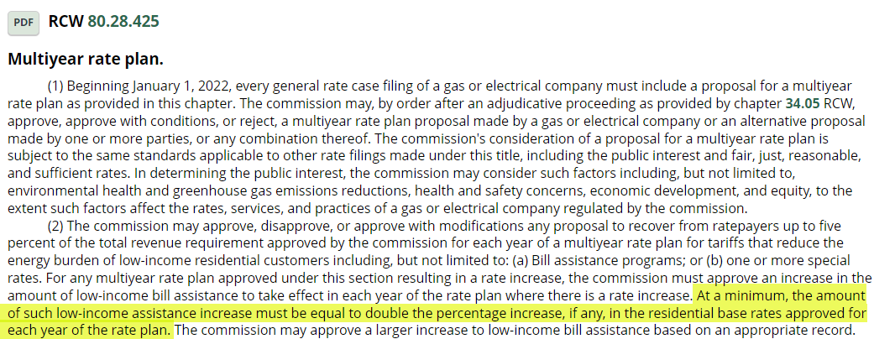

 |  |  |  | Settlement Agreement

