Sheet1
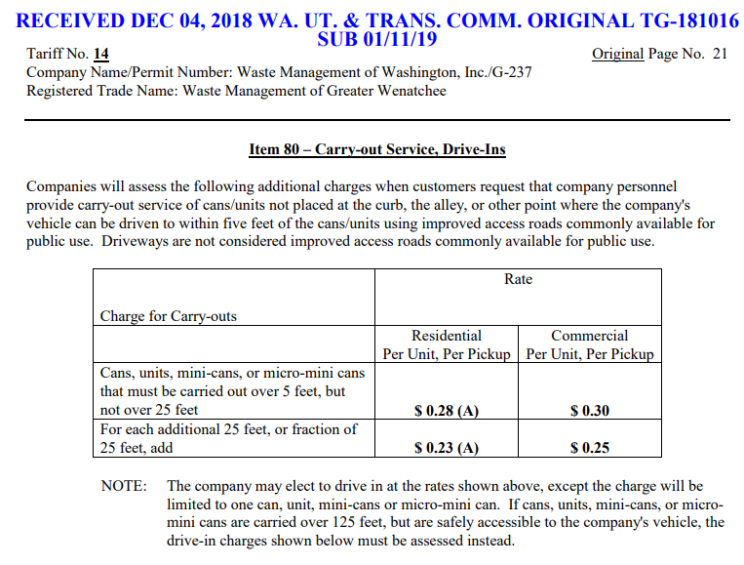
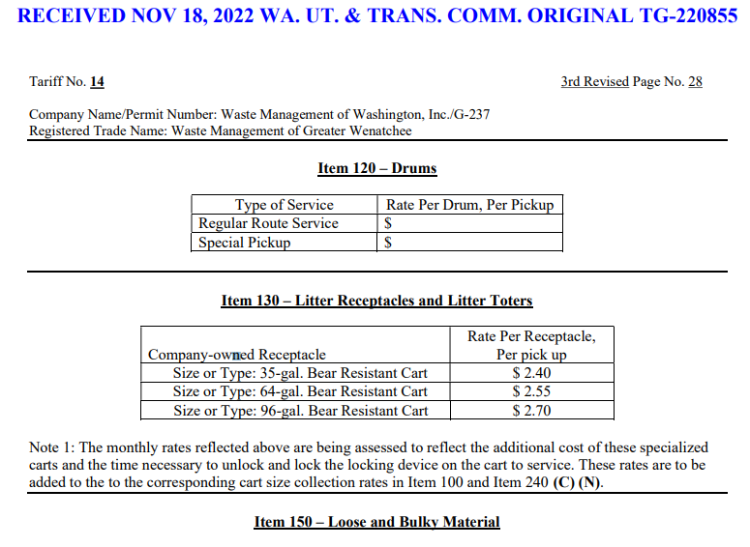

Wenatchee Bear Cart Rate per Pickup | $2.70
Carry out Charge | $0.28
Adjusted Rate | $2.42
Monthly Rental Rate | $10.50

The Wenatchee Bear Carts and carts for Ellensburg are slightly different as the Wenatchee carts are not fully automatic when service. There is a service component with them that is not the case with Ellensburg. We are backing out the portion of the rate related to the service in order to determine the appropriate monthly rental rate for these bear carts in Ellensburg.

