Intrst Rev & Tfr Bal Jan 23
Interest Review for REC proceeds in and not-yet-in rates: Account # 25400221 and 25400291
 | Based on actual balance using authorized ROR and FIT rate |  |  |  |  |  |  |  |  | Based on actual balance using authorized ROR and FIT rate
Date | Balance Proceeds Not In Rates 25400221 | Accumulated DFIT | Proceeds net of DFIT | After Tax Interest % UE-180282 | FIT Grossup Factor | Monthly Interest on 25400221 S/B CR to 25400311 DR to 43100181 | Actually Recorded to 25400311 excluding prior trueups | Difference S/B recorded to 25400311 |  | Balance Proceeds In Rates 25400291 | Accumulated DFIT | Net Balance | After Tax Interest % UE-180282 | FIT Grossup Factor | Monthly Interest on 25400291 S/B CR to 25400301 DR to 43100141 | Actually Recorded to 25400301 | Difference S/B recorded to 25400301
Oct-21 | (521,633.44) | 109,543 | (412,090.42) |  |  |  |  |  | Oct-21 | 140,315.42 | (29,466) | 110,849.18 |  |  |  | (drill into each)
Nov-21 | (519,692.06) | 109,135 | (410,556.73) | 6.80% | 0.79 | (2,950.42) | (2,950) | (0) | Nov-21 | 212,514.06 | (44,628) | 167,886.11 | 6.80% | 0.79 | 999.68 | 999.68 | 0
Dec-21 | (650,729.26) | 136,653 | (514,076.12) | 6.80% | 0.79 | (3,316.19) | (3,316) | (0) | Dec-21 | 300,718.09 | (63,151) | 237,567.29 | 6.80% | 0.79 | 1,454.16 | 1,454.16 | (0)
Jan-22 | (132,612.24) | 27,849 | (104,763.67) | 6.80% | 0.79 | (2,219.47) | (2,068) | (151) | Jan-22 | (183,408.57) | 38,516 | (144,892.77) | 6.80% | 0.79 | 332.38 | 332.38 | (0)
Feb-22 | (119,171.96) | 25,026 | (94,145.85) | 6.80% | 0.79 | (713.39) | (864) | 151 | Feb-22 | (144,502.81) | 30,346 | (114,157.22) | 6.80% | 0.79 | (929.08) | (929.08) | (0)
Mar-22 | (119,171.96) | 25,026 | (94,145.85) | 6.80% | 0.79 | (675.31) | (675) | 0 | Mar-22 | (109,828.56) | 23,064 | (86,764.56) | 6.80% | 0.79 | (720.61) | (720.61) | 0
Apr-22 | (115,061.55) | 24,163 | (90,898.62) | 6.80% | 0.79 | (663.66) | (664) | (0) | Apr-22 | (75,639.03) | 15,884 | (59,754.83) | 6.80% | 0.79 | (525.49) | (525.49) | (0)
May-22 | (80,450.89) | 16,895 | (63,556.20) | 6.80% | 0.79 | (553.95) | (554) | (0) | May-22 | (45,484.02) | 9,552 | (35,932.38) | 6.80% | 0.79 | (343.18) | (343.18) | (0)
Jun-22 | (80,450.89) | 16,895 | (63,556.20) | 6.80% | 0.79 | (455.89) | (456) | 0 | Jun-22 | (17,842.62) | 3,747 | (14,095.67) | 6.80% | 0.79 | (179.43) | (179.43) | 0
Jul-22 | (66,716.72) | 14,011 | (52,706.21) | 6.80% | 0.79 | (416.97) | (417) | (0) | Jul-22 | 12,756.61 | (2,679) | 10,077.72 | 6.80% | 0.79 | (14.41) | (14.41) | (0)
Aug-22 | (66,716.72) | 14,011 | (52,706.21) | 6.80% | 0.79 | (378.06) | (378) | (0) | Aug-22 | 44,685.17 | (9,384) | 35,301.28 | 6.80% | 0.79 | 162.75 | 162.75 | 0
Sep-22 | (65,800.10) | 13,818 | (51,982.08) | 6.80% | 0.79 | (375.46) | (375) | (0) | Sep-22 | 72,647.83 | (15,256) | 57,391.79 | 6.80% | 0.79 | 332.44 | 332.44 | 0
Oct-22 | (64,790.51) | 13,606 | (51,184.50) | 6.80% | 0.79 | (370.01) |  |  | Oct-22 |  | - | - | 6.80% | 0.79 | 205.84 | 205.84 | -
Nov-22 |  | - | - | 6.80% | 0.79 | (183.57) |  |  | Nov-22 |  | - | - | 6.80% | 0.79 | - | - | -
Dec-22 |  | - | - | 6.80% | 0.79 | - |  |  | Dec-22 |  | - | - | 6.80% | 0.79 | - | - | -
 |  |  |  |  |  |  |  | (0) |  |  |  |  |  |  |  |  | 0
 |  |  |  |  | ZERO True-up to be booked in Oct 2021 business | 43100181 |  | 151
 |  |  |  |  |  | 25400311 |  | (151)

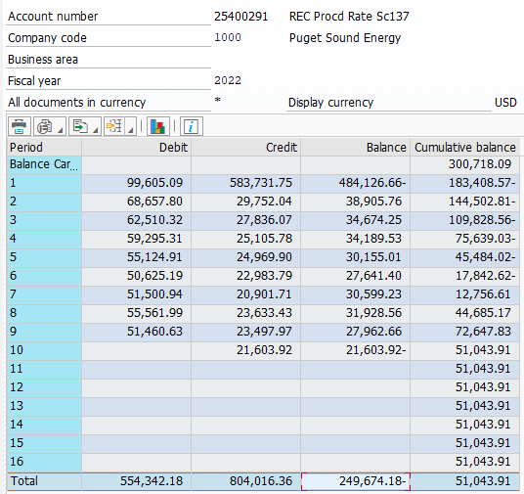
Transfer of Proceeds

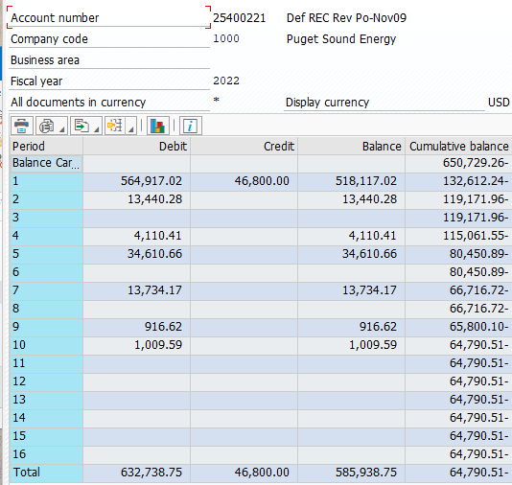

 |  |  |  |  |  |  |  |  |  |  |  |  |  |  |  | 72,648 | September (see Note 1)
 |  |  |  |  |  |  |  |  |  |  |  |  |  |  |  | 72647.83
 |  |  |  |  |  |  |  |  |  |  |  |  |  |  |  | -

 |  |  |  |  |  |  | (64,791) | Mid-October (see Note 1)
 |  |  |  |  |  |  | (64,791) | ties above
 |  |  |  |  |  |  | (65,800) | Energy Acct thru Sept
 |  |  |  |  |  |  | (1,010) | Oct Invoice to be rec'd Oct 2022

 | Note 1: due to the deadline of the Notice to Customers for possible rate increases, actuals recorded in SAP as of mid October (not October close), will be utilized for the 2023 Rate estimate

