Typical Res Customer Sch 140
Puget Sound Energy
Residential Customer Impacts
Test Year Ended April 30, 2023

 |  | Current Customer Bill in Notice |  |  |  |  | Proposed Customer Bill in Notice
Month | kWh | Basic Charge | First 600 kWh | Over 600 kWh | Bill |  | Basic Charge | First 600 kWh | Over 600 kWh | Bill | $ Difference
January | 1,106 | $7.49 | $58.08 | $59.02 | $124.59 |  | $7.49 | $58.06 | $59.00 | $124.55 | $(0.04)
February | 1,020 | $7.49 | $58.08 | $48.99 | $114.56 |  | $7.49 | $58.06 | $48.97 | $114.52 | $(0.04)
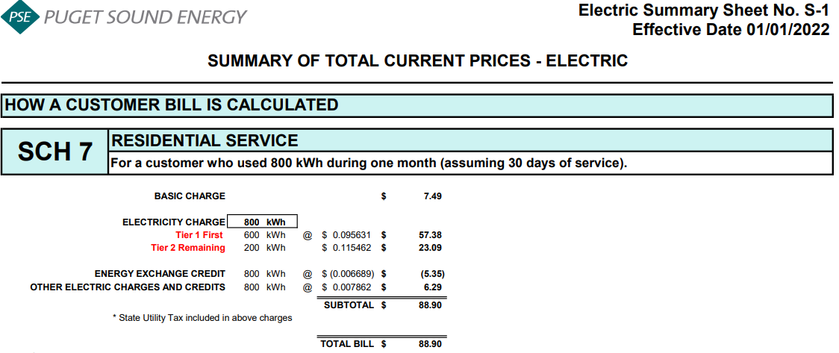
March | 888 | $7.49 | $58.08 | $33.59 | $99.16 |  | $7.49 | $58.06 | $33.58 | $99.13 | $(0.03)
April | 853 | $7.49 | $58.08 | $29.51 | $95.08 |  | $7.49 | $58.06 | $29.50 | $95.05 | $(0.03)
May | 716 | $7.49 | $58.08 | $13.53 | $79.10 |  | $7.49 | $58.06 | $13.53 | $79.08 | $(0.02)
June | 644 | $7.49 | $58.08 | $5.13 | $70.70 |  | $7.49 | $58.06 | $5.13 | $70.68 | $(0.02)
July | 632 | $7.49 | $58.08 | $3.73 | $69.30 |  | $7.49 | $58.06 | $3.73 | $69.28 | $(0.02)
August | 672 | $7.49 | $58.08 | $8.40 | $73.97 |  | $7.49 | $58.06 | $8.40 | $73.95 | $(0.02)
September | 675 | $7.49 | $58.08 | $8.75 | $74.32 |  | $7.49 | $58.06 | $8.75 | $74.30 | $(0.02)
October | 730 | $7.49 | $58.08 | $15.16 | $80.73 |  | $7.49 | $58.06 | $15.16 | $80.71 | $(0.02)
November | 1,019 | $7.49 | $58.08 | $48.87 | $114.44 |  | $7.49 | $58.06 | $48.86 | $114.41 | $(0.03)
December | 1,099 | $7.49 | $58.08 | $58.20 | $123.77 |  | $7.49 | $58.06 | $58.18 | $123.73 | $(0.04)

Annual Total | 10,054 | $89.88 | $696.96 | $332.88 | $1,119.72 |  | $89.88 | $696.72 | $332.79 | $1,119.39 | $(0.33)

Typical Residential | 800 | $7.49 | $58.08 | $23.33 | $88.90 |  | $7.49 | $58.06 | $23.32 | $88.87 | $(0.03)

Residential Schedule 7 Rates |  |  |  | Present Rates Effective 1/1/2022 | Proposed Rates Effective 05/01/2022
Customer Monthly Charge:
One Phase Basic Charge |  |  |  | $7.490000 | $7.490000 | per Month
Subtotal Base Monthly Charge |  |  |  | $7.490000 | $7.490000
Energy Charge:
Schedule 7 first 600 kWh |  |  |  | $0.091344 | $0.091344 | $ / kWh
Schedule 129 - Low Income |  |  |  | $0.001352 | $0.001352 | $ / kWh
Schedule 140 - Property Tax Rider |  |  |  | $0.003072 | $0.003039 | $ / kWh
Schedule 141X EDIT Rider - First 600 kWh |  |  |  | $0.000850 | $0.000850 | $ / kWh
Schedule 141Y - Tax Over Collection Rider |  |  |  | $- | $- | $ / kWh
Schedule 141Z - EDIT Rider |  |  |  | $(0.000884) | $(0.000884) | $ / kWh
Schedule 142 - Decoupling Rider |  |  |  | $(0.000417) | $(0.000417) | $ / kWh
Schedule 142 - Decoupling Rider - Supplemental |  |  |  | $0.000314 | $0.000314 | $ / kWh
Subtotal Base First 600 kWh Charge |  |  |  | $0.095631 | $0.095598 | $ / kWh

Schedule 7 over 600 kWh |  |  |  | $0.111175 | $0.111175 | $ / kWh
Schedule 129 - Low Income |  |  |  | $0.001352 | $0.001352 | $ / kWh
Schedule 140 - Property Tax Rider |  |  |  | $0.003072 | $0.003039 | $ / kWh
Schedule 141X EDIT Rider - Over 600 kWh |  |  |  | $0.000850 | $0.000850 | $ / kWh
Schedule 141Y - Tax Over Collection Rider |  |  |  | $- | $- | $ / kWh
Schedule 141Z - EDIT Rider |  |  |  | $(0.000884) | $(0.000884) | $ / kWh
Schedule 142 - Decoupling Rider |  |  |  | $(0.000417) | $(0.000417) | $ / kWh
Schedule 142 - Decoupling Rider - Supplemental |  |  |  | $0.000314 | $0.000314 | $ / kWh
Subtotal Base Over 600 kWh Charge |  |  |  | $0.115462 | $0.115429 | $ / kWh

Schedule 194 - BPA Exchange Credit |  |  |  | $(0.006689) | $(0.006689) | $ / kWh

Other Electric Charges and Credits |  |  |  |  |  | $ / kWh
Schedule 95 - Power Cost Adjustment Clause |  |  |  | $0.003314 | $0.003314 | $ / kWh
Schedule 95 - Power Cost Adjustment Clause-Supplemental |  |  |  | $0.002135 | $0.002135 | $ / kWh
Schedule 95A - Wind Power Production Credit |  |  |  | $(0.001391) | $(0.001391) | $ / kWh
Schedule 120 - Conservation Rider |  |  |  | $0.003825 | $0.003825 | $ / kWh
Schedule 137 - Renewable Energy Credit |  |  |  | $(0.000021) | $(0.000021) | $ / kWh
Subtotal Other Charges |  |  |  | $0.007862 | $0.007862 | $ / kWh

Total Block 1 Energy Charge |  |  |  | $0.096804 | $0.096771 | $ / kWh
Total Block 2 Energy Charge |  |  |  | $0.116635 | $0.116602 | $ / kWh

2021 Final Prop Tax Rate Design
Puget Sound Energy
Calculation of Proposed Schedule 140 Property Tax Rider Rate
Effective May 1, 2021

Schedule 140
Rate Design
Eff. 5-1-2021
UE-210217
Line No. | Voltage Level | Schedule | Adjusted Electric Cost of Service PTDGP.T Allocation Factor Docket No. UE-190529 | Percent of Total | Revenue Requirement Property Tax - Current | Revenue Requirement Property Tax - Deferral | Revenue Requirement Property Tax - Total | F2020 kWh May 2021 to April 2022 | Proposed Schedule 140 Property Tax Rider - Current Effective 5-1-21 | Proposed Schedule 140 Property Tax Rider - Deferred Effective 5-1-21 | Proposed Schedule 140 Property Tax Rider Effective 5-1-21 | Check Difference due to Rounding | Sch 140 Tariff Reference | Notes
 |  |  | (a) | (b)= (a) / ∑ (a) | (c) = (b) * A | (d) = (b) * B | (e) = (c + d) | (f) | (g) = (c) / (f) | (h) = (d) / (f) | (i) = (g) + (h) | (j) = (i * f) - (e)
1 | Residential
2 | Residential | 7 | $6,327,012,748 | 59.25% | $24,627,958 | $8,656,052 | $33,284,011 | 10,836,904,000 | $0.002273 | $0.000799 | $0.003072 | $6,959 | Sheet No. 140-B
3 | Total Residential |  | $6,327,012,748 | 59.25% | $24,627,958 | $8,656,052 | $33,284,011 | 10,836,904,000 | $0.002273 | $0.000799 | $0.003072 | $6,959
4
5 | Secondary Voltage
6 | Demand <= 50 kW | 8 & 24 | $1,342,620,657 | 12.57% | $5,226,164 | $1,836,853 | $7,063,017 | 2,675,945,000 | $0.001953 | $0.000686 | $0.002639 | $(1,198) | Sheet No. 140-B
7 | Demand > 50 kW but <= 350 kW | 7A, 11, 25 & 29 | $1,318,719,088 | 12.35% | $5,133,127 | $1,804,153 | $6,937,280 | 2,856,044,000 | $0.001797 | $0.000632 | $0.002429 | $51 | Sheet No. 140-B
8 | Demand > 350 kW | 12 & 26 | $733,876,905 | 6.87% | $2,856,623 | $1,004,025 | $3,860,648 | 1,673,580,000 | $0.001707 | $0.000600 | $0.002307 | $301 | Sheet No. 140-B
9 | Total Secondary Voltage |  | $3,395,216,649 | 31.80% | $13,215,914 | $4,645,031 | $17,860,945 | 7,205,569,000 | $0.001834 | $0.000645 | $0.002479 | $(846)
10
11 | Primary Voltage
12 | General Service | 10, 31 & 35 | $542,139,448 | 5.08% | $2,110,283 | $741,707 | $2,851,990 | 1,283,727,000 | $0.001644 | $0.000578 | $0.002222 | $452 | Sheet No. 140-B
13 | Interruptible Total Electric Schools | 43 | $63,939,436 | 0.60% | $248,885 | $87,476 | $336,361 | 110,092,000 | $0.002261 | $0.000795 | $0.003056 | $80 | Sheet No. 140-C
14 | Total Primary Voltage |  | $606,078,885 | 5.68% | $2,359,168 | $829,183 | $3,188,351 | 1,393,819,000 | $0.001693 | $0.000595 | $0.002288 | $532
15
16 | Special Contract | SC | $44,346,799 | 0.42% | $172,620 | $60,671 | $233,292 | 480,416,000 | $0.000359 | $0.000126 | $0.000485 | $(290) | Sheet No. 140-B | *Delete references of Sch. 40 from tariff sheet.
17
18 | High Voltage | 46 & 49 | $183,018,785 | 1.71% | $712,402 | $250,390 | $962,792 | 577,456,000 | $0.001234 | $0.000434 | $0.001668 | $404 | Sheet No. 140-C
19
20 | Lighting | 50-59 | $110,970,703 | 1.04% | $431,955 | $151,820 | $583,775 | 62,835,000 | $0.006874 | $0.002416 | $0.009290 | $(38) | See tab "Sch 140 Street & Area Lighting"
21
22 | Total Choice /Retail Wheeling | 449 & 459 | $8,095,586 | 0.08% | $31,512 | $11,076 | $42,588 | 1,999,367,000 | $0.000016 | $0.000006 | $0.000022 | $1,398 | See tab "Sch 449-459 Rate Design" for kVa rates.
23
24 | Total Jurisdictional Retail Sales |  | $10,674,740,155 | 99.97% | $41,551,529 | $14,604,224 | $56,155,753 | 22,556,366,000 | $0.001842 | $0.000647 | $0.002489 | $8,119
25
26 | Total Firm Resale |  | $3,513,759 | 0.03% | $13,677 | $4,807 | $18,485 | 7,435,000
27
28 | Total Sales to Customers |  | $10,678,253,913 | 100.00% | $41,565,206 | $14,609,031 | $56,174,237 | 22,563,801,000 | $0.001842 | $0.000647 | $0.002489 | $8,119
29
30 | Property Tax Revenue Requirement |  |  |  | $41,565,206 | $14,609,031 | $56,174,237
 |  |  |  |  | A | B

