Earnings Sharing-CBR to Adj CBR
 |  |  |  |  |  |  |  | 1.03
PUGET SOUND ENERGY
Gas Earnings Sharing Test (Excludes Normalizing Adjustments per UE-170033 / UG-170034)
Commission Basis Report
FOR THE TWELVE MONTHS ENDED DECEMBER 31, 2019

 |  |  |  | Normalizing Adjustments to Remove
Line No. | Description | Source | 2019 CBR as Filed | Temp Normalization | Rate Case Expense | Bad Debt | Injuries & Damages | 2019 Adjusted CBR Earnings Test
1 | Rate Base Adjustments | Commission basis report pg 3-A thru 3-B |  | $- | $- | $- | $-
2 | Restated Rate Base | Commission basis report pg 1.01 line b | $2,173,327,889 | $2,173,327,889 | $2,173,327,889 | $2,173,327,889 | $2,173,327,889 | $2,173,327,889
3 | Two months 17GRC; Ten months 18ERF | (Source: UE-170033/UG-170034 and UE-180899/UG-180900) | 7.51% | 7.51% | 7.51% | 7.51% | 7.51% | 7.51%
4 | Maximum Net Operating Income | Line 2 x Line 3 | $163,180,702 | $163,180,702 | $163,180,702 | $163,180,702 | $163,180,702 | $163,180,702
5 | Normalizing Adjustments | Commission basis report pg 3-A thru 3-B |  | $(11,298) | $(28,102) | $729,622 | $401,035
6 | Restated Net Operating Income (Cumulative) | Previous Column + Line 5 | $132,989,920 | $132,978,622 | $132,950,520 | $133,680,142 | $134,081,177 | $134,081,177
7 | Difference | Line 4 - Line 6 | $(30,190,782) | $(30,202,080) | $(30,230,182) | $(29,500,560) | $(29,099,525) | $(29,099,525)
8 | Excess Earnings (Cumulative) | Greater of zero or line 7 | $- | $- | $- | $- | $- | $-
9 | Earnings Sharing % | UG-121705 | 50% | 50% | 50% | 50% | 50% | 50%
10 | After-Tax Earnings Sharing (Cumulative) | Line 8 x Line 9 | 0 | 0 | 0 | 0 | 0 | 0
11 | Conversion Factor | (Source: UE-170033/UG-170034) | 0.754085 | 0.754085 | 0.754085 | 0.754085 | 0.754085 | 0.754085
12 | Incremental Earnings Sharing for CY 2019 for Cost of Svc | Line 10 ÷ Line11, & for adj: (Line 10 - Previous Line 10) ÷ Line11 | $- | $- | $- | $- | $- | $-

 |  |  | 6.12% | 0.00% | 0.00% | 0.03% | 0.02% | 6.17%
 |  |  |  |  |  |  | check | 0.00%

PUGET SOUND ENERGY-GAS (PER SETTLEMENT)
CONVERSION FACTOR
FOR THE TWELVE MONTHS ENDED SEPTEMBER 30, 2016
GENERAL RATE CASE

LINE
NO. | DESCRIPTION |  | RATE | AMOUNT

1 | BAD DEBTS |  |  | 0.005140
2 | ANNUAL FILING FEE |  |  | 0.002000
3 | STATE UTILITY TAX ( 3.852% - ( LINE 1 * 3.852% ) ) |  | 3.852% | 0.038322
4
5 | SUM OF TAXES OTHER |  |  | 0.045462
6
7 | CONVERSION FACTOR EXCLUDING FEDERAL INCOME TAX ( 1 - LINE 5) |  |  | 0.954538
8 | FEDERAL INCOME TAX ( LINE 7 * 21%) |  | 21% | 0.200453
9
10 | CONVERSION FACTOR |  |  | 0.754085

 | UE 170033 / UG170034

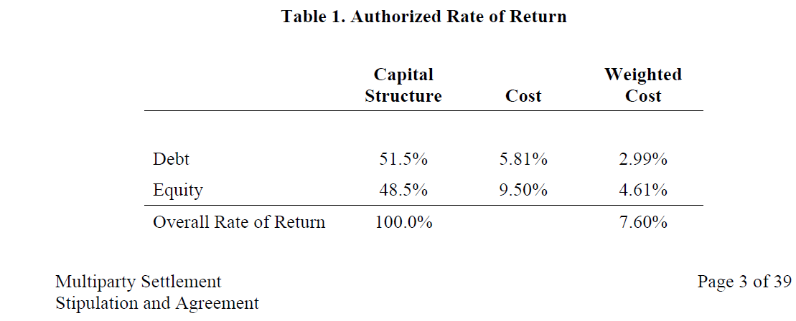

 |  |  | 7.60%

 | UE 180899 / UG 180900
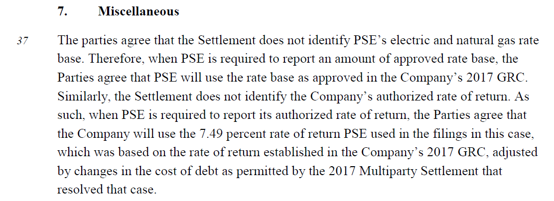

 |  |  | 7.49%

