09-19 WO 265881
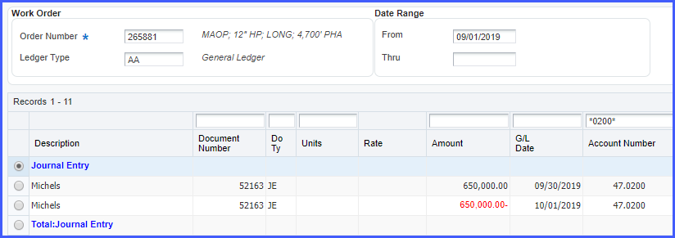
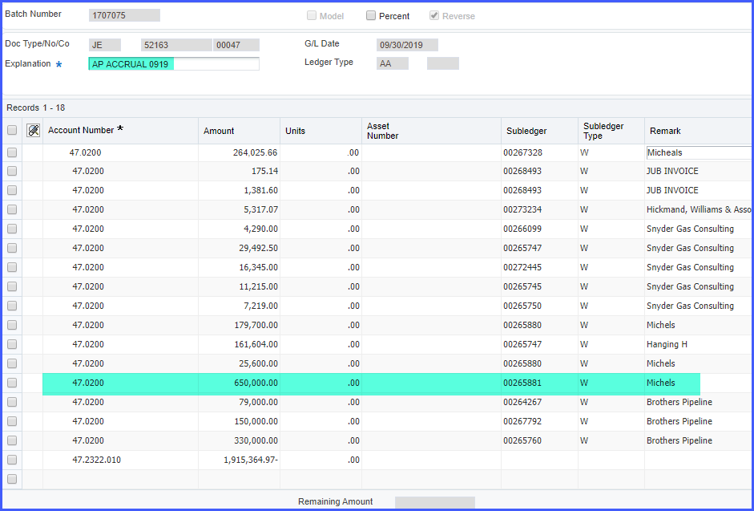
Description | Document Number | Do Ty | Units | Rate | Amount | G/L Date | Account Number | Batch Number | Batch Date | User ID | Part Number | Part Number Description | LT | Sub- ledger
Credit Card Clearing Entry
Lunch-arlington-longview repl | 51918 | CE | - |  | 8.78 | 09/30/2019 | 47.0521 | 1704305 | 09/30/2019 | RYANC |  |  | AA | 00265881
Hotel-longview-replacement | 51918 | CE | - |  | 132.55 | 09/30/2019 | 47.0500 | 1704305 | 09/30/2019 | RYANC |  |  | AA | 00265881
Hotel-Hotel-longview-replacem | 51918 | CE | - |  | 14.99 | 09/30/2019 | 47.0500 | 1704305 | 09/30/2019 | RYANC |  |  | AA | 00265881
Dinner-longview-replacement | 51918 | CE | - |  | 49.00 | 09/30/2019 | 47.0521 | 1704305 | 09/30/2019 | RYANC |  |  | AA | 00265881
Coffee-longview-replacement | 51918 | CE | - |  | 4.50 | 09/30/2019 | 47.0521 | 1704305 | 09/30/2019 | RYANC |  |  | AA | 00265881
Hotel-Kelso-longview replace | 51918 | CE | - |  | 0.01 | 09/30/2019 | 47.0500 | 1704305 | 09/30/2019 | RYANC |  |  | AA | 00265881
Hotel-kelso-Longview | 51918 | CE | - |  | (0.01) | 09/30/2019 | 47.0500 | 1704305 | 09/30/2019 | RYANC |  |  | AA | 00265881
Lunch-shelton-replacement | 51918 | CE | - |  | 114.00 | 09/30/2019 | 47.0521 | 1704305 | 09/30/2019 | RYANC |  |  | AA | 00265881
Dinner-shelton-replacement | 51918 | CE | - |  | 32.00 | 09/30/2019 | 47.0521 | 1704305 | 09/30/2019 | RYANC |  |  | AA | 00265881
12" replacement drawings | 51935 | CE | - |  | 240.19 | 09/30/2019 | 47.0600 | 1704306 | 09/30/2019 | RYANC |  |  | AA | 00265881
Dinner-Kalama-OUt town work | 52056 | CE | - |  | 33.18 | 09/30/2019 | 47.0521 | 1704302 | 09/30/2019 | RYANC |  |  | AA | 00265881
Lunch-Arlington-out town proj | 52056 | CE | - |  | 14.91 | 09/30/2019 | 47.0521 | 1704302 | 09/30/2019 | RYANC |  |  | AA | 00265881
Dinner-kalama-out town proj | 52056 | CE | - |  | 27.51 | 09/30/2019 | 47.0521 | 1704302 | 09/30/2019 | RYANC |  |  | AA | 00265881
Hotel-Kalama-capital proj | 52056 | CE | - |  | 348.23 | 09/30/2019 | 47.0500 | 1704302 | 09/30/2019 | RYANC |  |  | AA | 00265881
Lunch-Naches- Longview | 52068 | CE | - |  | 2.79 | 09/30/2019 | 47.0521 | 1704311 | 09/30/2019 | RYANC |  |  | AA | 00265881
Total:Credit Card Clearing Entry |  |  | - |  | 1,022.63
Power Plan Journal Interface
AFUDC | 1329978 | CR | - |  | 322.90 | 09/30/2019 | 47.0995 | 1707219 | 10/07/2019 | HAUFFJ |  |  | AA | 00265881
CR Allocations | 1329979 | CR | - |  | 102,081.17 | 09/30/2019 | 47.0991 | 1707219 | 10/07/2019 | HAUFFJ |  |  | AA | 00265881
CR Allocations | 1329979 | CR | - |  | 19,950.72 | 09/30/2019 | 47.0992 | 1707219 | 10/07/2019 | HAUFFJ |  |  | AA | 00265881
Total:Power Plan Journal Interface |  |  | - |  | 122,354.79
Inventory Issue
PFBE-805X52 | 82711 | II | 1,932.00 | 45.35 | 87,616.20 | 09/03/2019 | 47.0300 | 1696086 | 09/03/2019 | POST |  |  | AA | 00265881
PFBE-810X52 | 82711 | II | 1,720.00 | 52.13 | 89,656.03 | 09/03/2019 | 47.0300 | 1696086 | 09/03/2019 | POST |  |  | AA | 00265881
Total:Inventory Issue |  |  | 3,652.00 |  | 177,272.23
Journal Entry
USETAXPCARDS0919 | 52147 | JE | - |  | 19.46 | 09/30/2019 | 47.0600 | 1706842 | 10/04/2019 | RYANC |  |  | AA | 00265881
Michels | 52163 | JE | - |  | 650,000.00 | 09/30/2019 | 47.0200 | 1707075 | 10/04/2019 | CONWELLK |  |  | AA | 00265881 | A/P Accrual
Total:Journal Entry |  |  | - |  | 650,019.46
MACKAY & SPOSITO, INC
JOB 17157 | 291639 | PV | - |  | 5,367.40 | 09/30/2019 | 47.0200 | 1705559 | 10/01/2019 | POST |  |  | AA | 00265881
Total:MACKAY & SPOSITO, INC |  |  | - |  | 5,367.40
MT VIEW LOCATING SERVICES LLC
JOB 265881 | 290653 | PV | - |  | 977.50 | 09/20/2019 | 47.0200 | 1702011 | 09/20/2019 | HELLMANC |  |  | AA | 00265881
Total:MT VIEW LOCATING SERVICES LLC |  |  | - |  | 977.50
Payroll Labor Distribution
 | 19543 | T2 | 3.00 | 38.74 | 116.22 | 09/01/2019 | 47.0110 | 1698060 | 09/06/2019 | LAKODUKS |  |  | AA | 00265881
 | 19543 | T2 | 1.00 | 58.11 | 58.11 | 09/01/2019 | 47.0120 | 1698060 | 09/06/2019 | LAKODUKS |  |  | AA | 00265881
 | 19560 | T2 | 20.00 | 49.52 | 990.39 | 09/15/2019 | 47.0110 | 1701978 | 09/20/2019 | HAALANDA |  |  | AA | 00265881
Total:Payroll Labor Distribution |  |  | 24.00 |  | 1,164.72
Actual Burden Journal Entries
 | 19544 | T3 | - |  | 0.03 | 09/01/2019 | 47.0192 | 1698060 | 09/06/2019 | LAKODUKS |  |  | AA | 00265881
 | 19544 | T3 | - |  | 0.35 | 09/01/2019 | 47.0193 | 1698060 | 09/06/2019 | LAKODUKS |  |  | AA | 00265881
 | 19544 | T3 | - |  | 26.26 | 09/01/2019 | 47.0194 | 1698060 | 09/06/2019 | LAKODUKS |  |  | AA | 00265881
 | 19544 | T3 | - |  | 22.66 | 09/01/2019 | 47.0197 | 1698060 | 09/06/2019 | LAKODUKS |  |  | AA | 00265881
 | 19544 | T3 | - |  | 0.71 | 09/01/2019 | 47.0198 | 1698060 | 09/06/2019 | LAKODUKS |  |  | AA | 00265881
 | 19544 | T3 | - |  | 12.53 | 09/01/2019 | 47.0191 | 1698060 | 09/06/2019 | LAKODUKS |  |  | AA | 00265881
 | 19544 | T3 | - |  | 1.55 | 09/01/2019 | 47.0199 | 1698060 | 09/06/2019 | LAKODUKS |  |  | AA | 00265881
 | 19561 | T3 | - |  | 133.70 | 09/15/2019 | 47.0131 | 1701978 | 09/20/2019 | HAALANDA |  |  | AA | 00265881
 | 19561 | T3 | - |  | 10.24 | 09/15/2019 | 47.0191 | 1701978 | 09/20/2019 | HAALANDA |  |  | AA | 00265881
 | 19561 | T3 | - |  | 2.78 | 09/15/2019 | 47.0192 | 1701978 | 09/20/2019 | HAALANDA |  |  | AA | 00265881
 | 19561 | T3 | - |  | 2.96 | 09/15/2019 | 47.0193 | 1701978 | 09/20/2019 | HAALANDA |  |  | AA | 00265881
 | 19561 | T3 | - |  | 15.40 | 09/15/2019 | 47.0194 | 1701978 | 09/20/2019 | HAALANDA |  |  | AA | 00265881
 | 19561 | T3 | - |  | 79.22 | 09/15/2019 | 47.0197 | 1701978 | 09/20/2019 | HAALANDA |  |  | AA | 00265881
 | 19561 | T3 | - |  | 6.05 | 09/15/2019 | 47.0198 | 1701978 | 09/20/2019 | HAALANDA |  |  | AA | 00265881
 | 19561 | T3 | - |  | 77.50 | 09/15/2019 | 47.0191 | 1701978 | 09/20/2019 | HAALANDA |  |  | AA | 00265881
 | 19561 | T3 | - |  | 7.74 | 09/15/2019 | 47.0199 | 1701978 | 09/20/2019 | HAALANDA |  |  | AA | 00265881
Total:Actual Burden Journal Entries |  |  | - |  | 399.68
Auto/Work Eq. Time Entry
2121 | 1326080 | TE | 15.00 | 0.76 | 11.40 | 09/01/2019 | 47.0400 | 1696222 | 09/03/2019 | POST |  |  | AA | 00265881
2121 | 1326080 | TE | 10.00 | 0.76 | 7.60 | 09/01/2019 | 47.0400 | 1696222 | 09/03/2019 | POST |  |  | AA | 00265881
 | 21197 | TE | 605.00 | 0.59 | 356.95 | 09/30/2019 | 47.0400 | 1706911 | 10/04/2019 | CONWELLK |  |  | AA | 00265881
Total:Auto/Work Eq. Time Entry |  |  | 630.00 |  | 375.95
Total for Work Order |  |  |  |  | 958,954.36

 |  |  |  | September Costs From Query | 958,954.36
 |  |  |  | Variance | -

A/P Accrual of Michels invoice. Auto-reversed on 10/1/19. [See also WO 265881 Michels AP Accrual Documentation 09-19.pdf]

