Unallocated Summary (CBR)
PUGET SOUND ENERGY
ACTUAL RESULTS OF OPERATIONS
FOR THE YEAR ENDED DECEMBER 31, 2022

 | Electric | Gas | Common | Energy N/A | Total Amount
OPERATING INCOME
1 - OPERATING REVENUES:
2 - SALES TO CUSTOMERS | $2,508,927,602 | $1,205,997,643 | $- | $- | $3,714,925,245
3 - SALES FOR RESALE-FIRM | 343,677 | - | - | - | 343,677
4 - SALES TO OTHER UTILITIES | 546,617,002 | - | - | - | 546,617,002
5 - OTHER OPERATING REVENUES | 122,597,206 | 3,638,585 | - | - | 126,235,790
6 - TOTAL OPERATING REVENUES | $3,178,485,486 | $1,209,636,228 | $- | $- | $4,388,121,714
7
8 - OPERATING REVENUE DEDUCTIONS:
9
10 - POWER COSTS:
11 - FUEL | $348,159,303 | $- | $- | $- | $348,159,303
12 - PURCHASED AND INTERCHANGED | 1,108,872,530 | 500,848,710 | - | - | 1,609,721,241
13 - WHEELING | 144,916,422 | - | - | - | 144,916,422
14 - RESIDENTIAL EXCHANGE | (77,714,735) | - | - | - | (77,714,735)
15 - TOTAL PRODUCTION EXPENSES | $1,524,233,520 | $500,848,710 | $- | $- | $2,025,082,230
16
17 - OTHER ENERGY SUPPLY EXPENSES | $116,594,846 | $7,410,984 | $- | $- | $124,005,831
18 - TRANSMISSION EXPENSE | 26,129,107 | - | - | - | 26,129,107
19 - DISTRIBUTION EXPENSE | 100,263,618 | 62,267,782 | 0 | - | 162,531,399
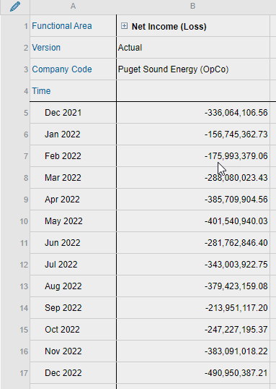
20 - CUSTOMER ACCTS EXPENSES | 38,598,009 | 13,777,380 | 28,081,535 | - | 80,456,924
21 - CUSTOMER SERVICE EXPENSES | 37,253,328 | 3,296,399 | 4,189,299 | - | 44,739,027
22 - CONSERVATION AMORTIZATION | 96,120,984 | 20,820,731 | 0 | - | 116,941,715
23 - ADMIN & GENERAL EXPENSE | 59,956,614 | 17,255,323 | 153,439,453 | - | 230,651,390
24 - DEPRECIATION | 363,386,115 | 140,512,774 | 30,289,362 | - | 534,188,252
25 - AMORTIZATION | 32,373,588 | 5,065,314 | 79,919,277 | - | 117,358,179
26 - AMORTIZ OF PROPERTY LOSS | 21,846,432 | - | - | - | 21,846,432
27 - OTHER OPERATING EXPENSES | (17,790,325) | 2,396,228 | (10,408,352) | - | (25,802,449)
29 - TAXES OTHER THAN INCOME TAXES | 253,980,114 | 124,058,601 | 8,302,106 | - | 386,340,822
30 - INCOME TAXES | 42,353,804 | 40,108,165 | - | - | 82,461,968
31 - DEFERRED INCOME TAXES | 1,023,801 | (2,696,291) | 0 | - | (1,672,490)
32 - TOTAL OPERATING REV. DEDUCT. | $2,696,323,556 | $935,122,101 | $293,812,681 | $- | $3,925,258,338

NET OPERATING INCOME | $482,161,930 | $274,514,126 | $(293,812,681) | $- | $462,863,376

NON-OPERATING INCOME
98 - ASC 815 | $(261,177,050) | $- | $- | $- | $(261,177,050)
99 - OTHER INCOME | - | - | - | (2,758,677) | (2,758,677)
999 - INTEREST | - | - | - | 235,848,716 | 235,848,716
9999 - EXTRAORDINARY ITEMS | - | - | - | - | -
TOTAL NON-OPERATING INCOME | $(261,177,050) | $- | $- | $233,090,039 | $(28,087,011)

NET INCOME | $743,338,981 | $274,514,126 | $(293,812,681) | $(233,090,039) | $490,950,387

