Reconcile JAK-5 22 GRC
 |  | JAK-5 from 2022 GRC Compliance Filing
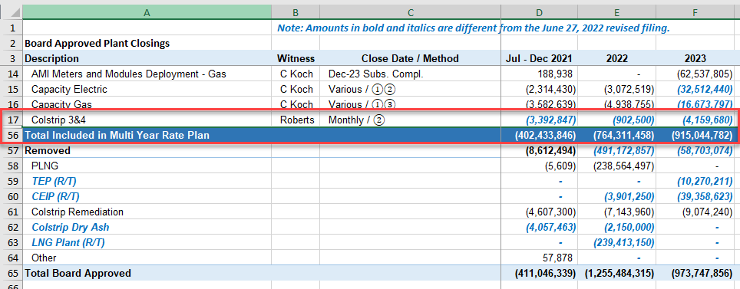
Total included in MYRP | $915,044,782.00
Remove Colstrip to separate Tracker (not part of STR review) | $(4,159,680.00)
Total in rates for MYRYP STR Review | $910,885,102.00

 |  |  | $4,159,680.00 | Colstrip
 |  |  | $915,044,782.00 | Included in MYRP

Eng ES Stlmt Chg
Energize Eastside Settlement Change

JAK-5 Filing Date | Jul - Dec 2021 | 2022 | 2023 | 2024 | 2025 | Total

Original Filing | $- | $(40,119,811) | $- | $(256,428,722) | $(254,417) | $(296,802,951)
Compliance Filing | - | - | (40,119,811) | (256,683,139) |  | $(296,802,951)
Change | $- | $(40,119,811) | $40,119,811 | $254,417 | $(254,417) | $-

 |  | Assumed the |  |  |  |  | Depreciation Rate
 |  | reduction due to
 |  | EE delayed in-
 |  | service date was |  |  |  |  | 2.51%
 |  | redeployed to |  |  |  |  | 1.54%
 |  | same depr
 |  | groups as EE

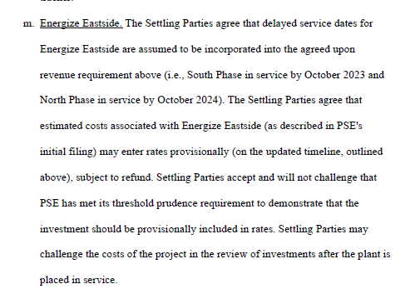

 |  |  | See Tab "Eng ES Stlmt Chg"

RB Act v Rates
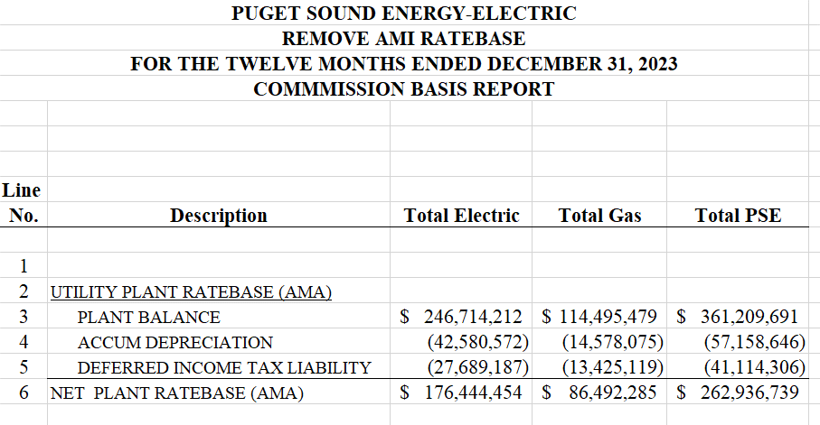
 | AMA 2023
Description | Electric | Gas
 | (in billions)

Adjusted CBR | $5.52 | $2.71
GRC (excludes AMI and TLNG Facility) | $5.44 | $2.56
Act > GRC | $0.08 | $0.15

Test Year EOP | $5.7 | $3.0
Remove AMI | (0.2) | (0.1)
Remove Tacoma LNG Facility | - | (0.2)
Adjusted CBR | $5.5 | $2.7
 |  |  | 204,465,073.75
 |  |  | 0.20
AMI
Gross Plant | $0.25 | $0.11
Accumulated Depreciation | (0.04) | (0.01)
Accumulated Deferred Income Taxes | (0.03) | (0.01)
Total AMI | $0.18 | $0.09

