Billing Correction
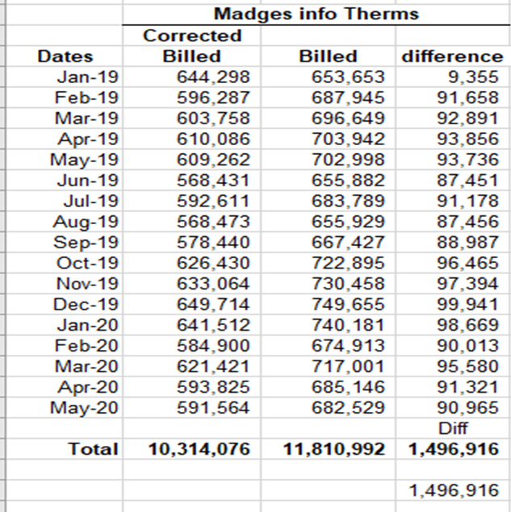
1 | A | B | C | D
2
3
4
5
6
7
8
9
10
11
12
13
14
15
16
17
18
19
20
21
22
23
24
25 | Customer Schedule | RS 663
26 | Overbilled Therms | 1,496,916
27
28
29
30 |  | > 500k Rate
31 |  | Therm Diff
32 | Jan-20 | 98,669
33 | Feb-20 | 90,013
34 | Mar-20 | 95,580
35 | Apr-20 | 91,321
36 | May-20 | 90,965
37 | Total 2020 | 466,548
38 | Total 2019 | 1,030,368

