readme
Portfolio Output Summary
This workbook aims to provide summary information for the electric portfolio analysis portion of the four scenarios included in the Stipulation O Decarbonization Study. See the list below for descriptions on each individual tab.

Tab | Description
Resource Builds_Summary | This tab shows cumulative resource additions in 2045 with a few summary graphics grouping/presenting the data in different ways
Resource Builds_Detail | This tab has the annual resource builds for all scenarios at the individual resource level
Portfolio Cost | This tab shows portfolio cost both at a summarized NPV level as well as annual with and without the social cost of greenhouse gases (SCGHG)
CETA Compliance | A chart presenting the different portfolios' CETA achievement by percentage in both 2030 and 2045
Emissions Detail_Fixed Rate | This tab shows the annual electric portfolio emissions broken out by category, this tab uses the fixed (0.437 mt/MWh) emission rate for market purchases (CETA methodology)
Emissions Detail_WECC Rate | This tab shows the annual electric portfolio emissions broken out by category, this tab uses the dynamic WECC-wide emission rate from the 2023 EPR electric price forecast for market purchases
System Emissions_Fixed Rate | Annual emissions data for both the gas and electric side by scenario with a graphic comparing the electric side for all four cases (fixed market rate methodology)
System Emissions_WECC Rate | Same as above but with WECC-wide emission rate applied to market
Cost Benefit_Figure | Figure comparing the societal benefit of emission reduction to spending in each scenario (NPV)

Resource Builds_Summary
Cumulative Resource Additions by 2045, Nameplate (MW)
Portfolio | Conservation | Demand Response | DER Solar | DER Storage | Emitting Peaking Capacity | CETA Qualifying Peaking Capacity | Wind | Solar | Green Direct | Hybrid (Generation + Storage) | Biomass | Nuclear | Standalone Storage | Total
Reference Portfolio | 695 | 405 | 1,494 | 117 | 0 | 1,788 | 4,050 | 2,389 | 100 | 1,548 | 0 | 0 | 1,700 | 14,287
Scenario 1 - ASHP | 927 | 815 | 1,160 | 117 | 91 | 3,792 | 5,150 | 1,692 | 100 | 1,750 | 0 | 0 | 1,800 | 17,395
Scenario 2 - CCHP | 817 | 715 | 1,160 | 117 | 0 | 3,428 | 4,950 | 1,791 | 100 | 1,950 | 0 | 0 | 1,700 | 16,728
Scenario 3 - HHP | 769 | 600 | 1,145 | 137 | 0 | 2,299 | 4,750 | 2,488 | 100 | 1,648 | 0 | 250 | 1,600 | 15,787
Scenario 4 - HHP + CCHP | 770 | 520 | 1,145 | 117 | 0 | 2,170 | 4,350 | 1,991 | 100 | 2,347 | 0 | 250 | 1,600 | 15,360
Builds by Decarb Scenario
 | Demand Side Resource | DERs | Solar | Storage | CETA-compliant Peaking Capacity | Wind
2045 | 1522.3004854 | 1626.5803186 | 1792 | 2350 | 4140.5999756 | 6350
2045 | 1421.8014819 | 1636.5803186 | 1792 | 2350 | 3665.6999855 | 6350
2045 | 1242.4822261 | 1626.5803186 | 2790 | 2050 | 2757.8999443 | 5750
2045 | 1268.993839 | 1611.5803186 | 2392 | 2250 | 2719.4999657 | 5750
2045 | 1100.0037199 | 1611.5803186 | 2590 | 2150 | 1787.9999847 | 5050
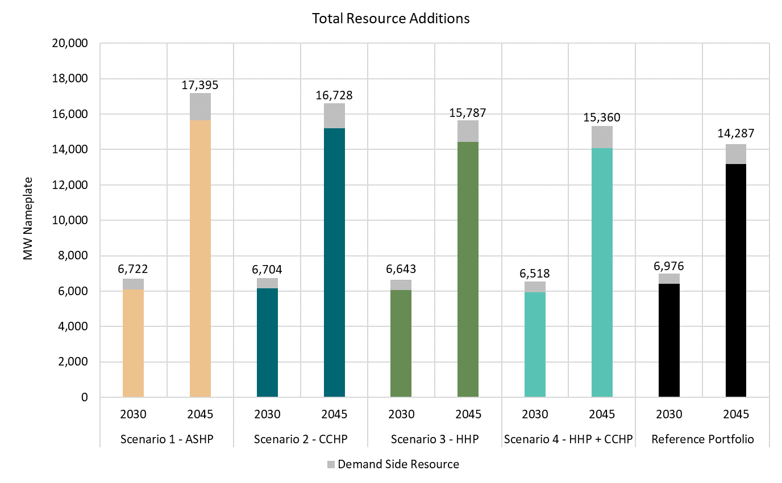

Conservation Additions
 | Conservation
2030 | 238.049993
2045 | 927.151687
2030 | 234.473638
2045 | 817.163846
2030 | 231.089248
2045 | 769.084649
2030 | 231.209183
2045 | 770.433144
2030 | 225.931317
2045 | 695.07372

CETA Compliance
CETA Acheivement
 | 2030 | 2045
Scenario 1 - ASHP | 0.8504 | 1.143
Scenario 2 - CCHP | 0.8695 | 1.151
Scenario 3 - HHP | 0.9473 | 1.1708
Scenario 4 - HHP + CCHP | 0.859 | 1.167
Reference Portfolio | 1.005 | 1.258

System Emissions_Fixed Rate
Electric Portfolio Emissions
PSE Gas + Electric Emissions

Metric Tons
 | Scenario 1 - ASHP |  |  | Scenario 2 - CCHP |  |  | Scenario 3 - HHP |  |  | Scenario 4 - HHP + CCHP |  |  | Reference
 | Electric Portfolio | Gas Portfolio | Total | Electric Portfolio | Gas Portfolio | Total | Electric Portfolio | Gas Portfolio | Total | Electric Portfolio | Gas Portfolio | Total | Electric Total | Gas Total | Total
2024 | 5,679,978 | 5,600,864 | 11,280,842 | 5,685,306 | 5,598,641 | 11,283,947 | 5,613,521 | 5,604,589 | 11,218,110 | 5,581,850 | 5,606,167 | 11,188,017 | 6,210,786 | 5,541,455 | 11,752,241
2025 | 4,973,766 | 5,518,468 | 10,492,234 | 5,102,371 | 5,508,002 | 10,610,373 | 4,928,415 | 5,530,933 | 10,459,349 | 4,899,296 | 5,529,795 | 10,429,091 | 5,430,220 | 5,471,920 | 10,902,139
2026 | 3,178,261 | 5,510,928 | 8,689,189 | 3,015,447 | 5,493,143 | 8,508,590 | 2,880,223 | 5,533,962 | 8,414,185 | 2,920,216 | 5,532,113 | 8,452,328 | 3,747,706 | 5,511,962 | 9,259,669
2027 | 3,656,302 | 5,417,755 | 9,074,057 | 3,137,383 | 5,391,248 | 8,528,631 | 3,318,931 | 5,454,374 | 8,773,305 | 3,148,304 | 5,451,518 | 8,599,822 | 3,823,238 | 5,450,312 | 9,273,550
2028 | 3,722,719 | 5,239,172 | 8,961,891 | 3,138,799 | 5,203,600 | 8,342,399 | 3,038,382 | 5,292,999 | 8,331,381 | 3,322,626 | 5,288,798 | 8,611,425 | 3,458,661 | 5,308,489 | 8,767,150
2029 | 3,372,367 | 5,083,514 | 8,455,881 | 3,301,326 | 5,038,156 | 8,339,483 | 2,684,476 | 5,157,241 | 7,841,717 | 3,282,169 | 5,152,200 | 8,434,369 | 3,318,365 | 5,206,015 | 8,524,380
2030 | 3,141,632 | 4,861,785 | 8,003,417 | 3,021,575 | 4,805,415 | 7,826,990 | 2,481,478 | 4,959,348 | 7,440,826 | 3,057,671 | 4,952,883 | 8,010,554 | 2,181,890 | 5,049,875 | 7,231,765
2031 | 2,752,918 | 4,699,683 | 7,452,601 | 3,107,544 | 4,631,242 | 7,738,786 | 2,553,878 | 4,824,508 | 7,378,386 | 3,024,849 | 4,816,218 | 7,841,067 | 2,170,914 | 4,993,820 | 7,164,733
2032 | 2,695,277 | 4,460,805 | 7,156,081 | 2,726,796 | 4,379,252 | 7,106,049 | 2,549,084 | 4,613,970 | 7,163,053 | 2,825,533 | 4,605,125 | 7,430,657 | 1,941,807 | 4,846,668 | 6,788,475
2033 | 2,519,334 | 4,213,461 | 6,732,795 | 2,535,931 | 4,117,575 | 6,653,506 | 2,491,855 | 4,394,919 | 6,886,773 | 2,630,654 | 4,384,879 | 7,015,533 | 1,796,060 | 4,711,141 | 6,507,201
2034 | 2,442,971 | 4,016,066 | 6,459,037 | 2,399,793 | 3,904,694 | 6,304,487 | 2,070,888 | 4,227,848 | 6,298,736 | 2,605,808 | 4,216,174 | 6,821,982 | 1,609,983 | 4,650,426 | 6,260,409
2035 | 2,106,343 | 3,820,059 | 5,926,402 | 2,157,328 | 3,692,608 | 5,849,937 | 1,665,022 | 4,062,393 | 5,727,416 | 2,042,025 | 4,049,078 | 6,091,102 | 1,275,256 | 4,602,116 | 5,877,373
2036 | 1,731,054 | 3,651,831 | 5,382,885 | 1,841,857 | 3,507,870 | 5,349,727 | 1,943,626 | 3,925,713 | 5,869,338 | 1,372,304 | 3,910,714 | 5,283,017 | 1,159,468 | 4,582,981 | 5,742,449
2037 | 1,460,427 | 3,431,870 | 4,892,298 | 1,383,426 | 3,270,789 | 4,654,215 | 1,793,758 | 3,734,413 | 5,528,171 | 1,502,022 | 3,717,898 | 5,219,920 | 1,067,652 | 4,509,528 | 5,577,180
2038 | 973,762 | 3,258,447 | 4,232,209 | 1,524,517 | 3,079,861 | 4,604,378 | 1,234,628 | 3,589,391 | 4,824,019 | 1,000,317 | 3,571,380 | 4,571,697 | 739,260 | 4,473,915 | 5,213,175
2039 | 1,061,900 | 3,096,888 | 4,158,788 | 1,206,353 | 2,900,581 | 4,106,935 | 1,068,536 | 3,457,545 | 4,526,081 | 1,012,696 | 3,437,978 | 4,450,674 | 647,479 | 4,443,046 | 5,090,525
2040 | 1,119,880 | 2,949,148 | 4,069,029 | 901,150 | 2,734,943 | 3,636,093 | 812,836 | 3,339,813 | 4,152,649 | 978,709 | 3,318,657 | 4,297,366 | 596,513 | 4,425,487 | 5,022,000
2041 | 1,097,536 | 2,769,590 | 3,867,125 | 794,290 | 2,537,451 | 3,331,742 | 791,679 | 3,187,582 | 3,979,261 | 937,136 | 3,164,956 | 4,102,092 | 576,771 | 4,364,855 | 4,941,626
2042 | 1,220,322 | 2,603,067 | 3,823,389 | 941,852 | 2,352,694 | 3,294,546 | 854,812 | 3,041,910 | 3,896,722 | 1,073,302 | 3,018,143 | 4,091,444 | 660,024 | 4,304,859 | 4,964,883
2043 | 1,273,989 | 2,515,588 | 3,789,577 | 1,039,056 | 2,247,009 | 3,286,065 | 872,892 | 2,985,155 | 3,858,046 | 1,168,382 | 2,959,708 | 4,128,091 | 735,695 | 4,308,986 | 5,044,681
2044 | 1,207,379 | 2,388,171 | 3,595,550 | 1,020,185 | 2,101,846 | 3,122,031 | 968,016 | 2,885,104 | 3,853,120 | 1,201,944 | 2,858,147 | 4,060,091 | 655,023 | 4,285,128 | 4,940,151
2045 | 1,041,415 | 2,271,473 | 3,312,888 | 938,659 | 1,969,645 | 2,908,304 | 769,399 | 2,787,182 | 3,556,581 | 773,398 | 2,758,922 | 3,532,320 | 490,304 | 4,230,361 | 4,720,665

System Emissions_WECC Rate
Electric Portfolio Emissions
PSE Gas + Electric Emissions

Metric Tons
 | Scenario 1 - ASHP |  |  | Scenario 2 - CCHP |  |  | Scenario 3 - HHP |  |  | Scenario 4 - HHP + CCHP |  |  | Reference
 | Electric Portfolio | Gas Portfolio | Total | Electric Portfolio | Gas Portfolio | Total | Electric Portfolio | Gas Portfolio | Total | Electric Portfolio | Gas Portfolio | Total | Electric Total | Gas Total | Total
2024 | 5,337,733 | 5,600,864 | 10,938,597 | 5,341,756 | 5,598,641 | 10,940,397 | 5,273,551 | 5,604,589 | 10,878,140 | 5,260,858 | 5,606,167 | 10,867,025 | 5,751,871 | 5,541,455 | 11,293,326
2025 | 4,726,540 | 5,518,468 | 10,245,008 | 4,866,279 | 5,508,002 | 10,374,281 | 4,715,892 | 5,530,933 | 10,246,826 | 4,659,662 | 5,529,795 | 10,189,457 | 5,058,861 | 5,471,920 | 10,530,780
2026 | 2,677,002 | 5,510,928 | 8,187,930 | 2,530,344 | 5,493,143 | 8,023,487 | 2,454,631 | 5,533,962 | 7,988,593 | 2,444,339 | 5,532,113 | 7,976,452 | 3,091,727 | 5,511,962 | 8,603,689
2027 | 3,077,150 | 5,417,755 | 8,494,905 | 2,625,963 | 5,391,248 | 8,017,211 | 2,765,908 | 5,454,374 | 8,220,282 | 2,634,807 | 5,451,518 | 8,086,325 | 3,147,014 | 5,450,312 | 8,597,326
2028 | 3,081,776 | 5,239,172 | 8,320,947 | 2,625,749 | 5,203,600 | 7,829,349 | 2,558,797 | 5,292,999 | 7,851,796 | 2,745,430 | 5,288,798 | 8,034,228 | 2,830,623 | 5,308,489 | 8,139,112
2029 | 2,965,844 | 5,083,514 | 8,049,358 | 2,914,068 | 5,038,156 | 7,952,224 | 2,412,260 | 5,157,241 | 7,569,501 | 2,881,144 | 5,152,200 | 8,033,344 | 2,948,528 | 5,206,015 | 8,154,543
2030 | 2,525,410 | 4,861,785 | 7,387,195 | 2,443,608 | 4,805,415 | 7,249,023 | 2,079,106 | 4,959,348 | 7,038,455 | 2,469,040 | 4,952,883 | 7,421,923 | 1,847,380 | 5,049,875 | 6,897,254
2031 | 2,206,380 | 4,699,683 | 6,906,064 | 2,464,863 | 4,631,242 | 7,096,105 | 2,094,287 | 4,824,508 | 6,918,795 | 2,403,018 | 4,816,218 | 7,219,236 | 1,824,123 | 4,993,820 | 6,817,942
2032 | 2,139,876 | 4,460,805 | 6,600,680 | 2,173,607 | 4,379,252 | 6,552,859 | 2,069,290 | 4,613,970 | 6,683,259 | 2,241,913 | 4,605,125 | 6,847,038 | 1,649,160 | 4,846,668 | 6,495,828
2033 | 2,011,735 | 4,213,461 | 6,225,196 | 2,020,281 | 4,117,575 | 6,137,856 | 1,998,725 | 4,394,919 | 6,393,643 | 2,098,245 | 4,384,879 | 6,483,124 | 1,526,266 | 4,711,141 | 6,237,407
2034 | 1,949,150 | 4,016,066 | 5,965,216 | 1,916,325 | 3,904,694 | 5,821,019 | 1,704,304 | 4,227,848 | 5,932,152 | 2,068,194 | 4,216,174 | 6,284,368 | 1,353,110 | 4,650,426 | 6,003,536
2035 | 1,557,314 | 3,820,059 | 5,377,373 | 1,590,641 | 3,692,608 | 5,283,250 | 1,298,982 | 4,062,393 | 5,361,376 | 1,527,459 | 4,049,078 | 5,576,537 | 1,018,220 | 4,602,116 | 5,620,337
2036 | 1,104,911 | 3,651,831 | 4,756,743 | 1,167,767 | 3,507,870 | 4,675,637 | 1,244,455 | 3,925,713 | 5,170,168 | 934,156 | 3,910,714 | 4,844,870 | 933,735 | 4,582,981 | 5,516,716
2037 | 901,742 | 3,431,870 | 4,333,613 | 869,857 | 3,270,789 | 4,140,646 | 1,088,265 | 3,734,413 | 4,822,678 | 959,492 | 3,717,898 | 4,677,389 | 886,525 | 4,509,528 | 5,396,053
2038 | 622,896 | 3,258,447 | 3,881,343 | 908,226 | 3,079,861 | 3,988,087 | 796,294 | 3,589,391 | 4,385,685 | 661,643 | 3,571,380 | 4,233,023 | 606,290 | 4,473,915 | 5,080,205
2039 | 656,561 | 3,096,888 | 3,753,449 | 740,054 | 2,900,581 | 3,640,636 | 699,877 | 3,457,545 | 4,157,422 | 659,465 | 3,437,978 | 4,097,443 | 536,279 | 4,443,046 | 4,979,325
2040 | 576,956 | 2,949,148 | 3,526,104 | 486,895 | 2,734,943 | 3,221,838 | 463,905 | 3,339,813 | 3,803,718 | 534,983 | 3,318,657 | 3,853,640 | 468,762 | 4,425,487 | 4,894,248
2041 | 574,112 | 2,769,590 | 3,343,702 | 442,429 | 2,537,451 | 2,979,881 | 468,103 | 3,187,582 | 3,655,685 | 528,001 | 3,164,956 | 3,692,957 | 448,175 | 4,364,855 | 4,813,030
2042 | 583,118 | 2,603,067 | 3,186,184 | 482,525 | 2,352,694 | 2,835,219 | 464,085 | 3,041,910 | 3,505,995 | 555,928 | 3,018,143 | 3,574,070 | 454,106 | 4,304,859 | 4,758,965
2043 | 613,742 | 2,515,588 | 3,129,330 | 516,967 | 2,247,009 | 2,763,976 | 460,508 | 2,985,155 | 3,445,663 | 585,757 | 2,959,708 | 3,545,465 | 439,128 | 4,308,986 | 4,748,114
2044 | 657,009 | 2,388,171 | 3,045,180 | 524,274 | 2,101,846 | 2,626,120 | 514,293 | 2,885,104 | 3,399,397 | 609,427 | 2,858,147 | 3,467,575 | 399,548 | 4,285,128 | 4,684,676
2045 | 338,352 | 2,271,473 | 2,609,825 | 217,594 | 1,969,645 | 2,187,239 | 182,021 | 2,787,182 | 2,969,203 | 178,609 | 2,758,922 | 2,937,530 | 144,209 | 4,230,361 | 4,374,570

Cost Benefit_Figure
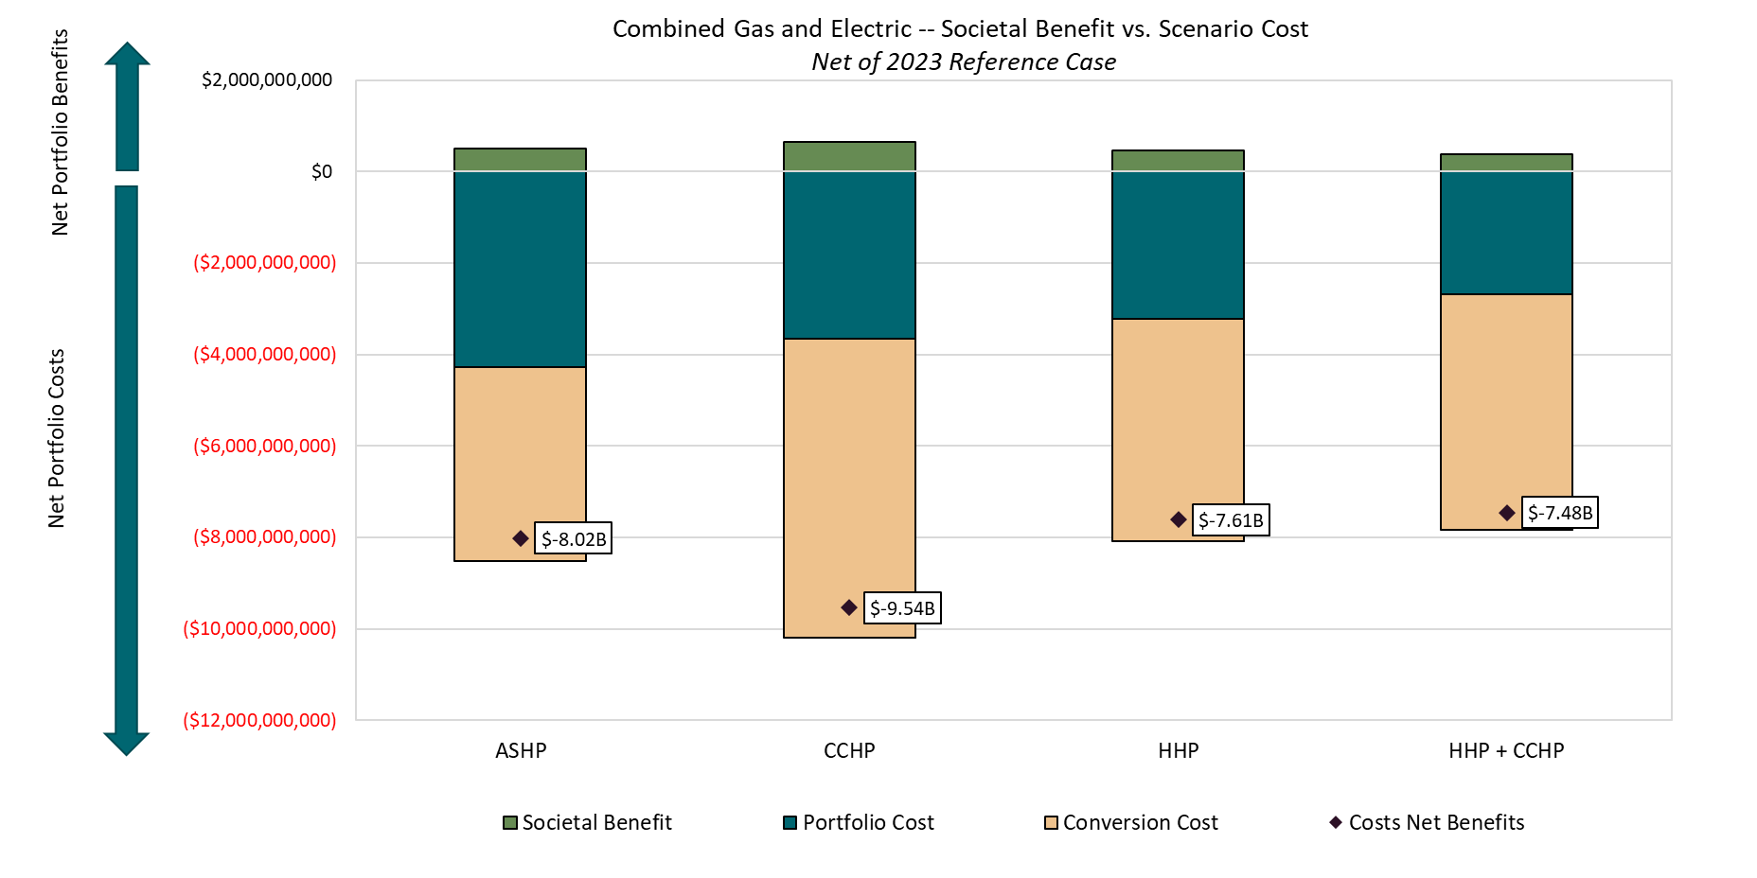
Net Emissions
WECC | 2024 | 2025 | 2026 | 2027 | 2028 | 2029 | 2030 | 2031 | 2032 | 2033 | 2034 | 2035 | 2036 | 2037 | 2038 | 2039 | 2040 | 2041 | 2042 | 2043 | 2044 | 2045
ASHP | 354,729 | 285,772 | 415,759 | 102,420 | (181,836) | 105,185 | (489,940) | (88,122) | (104,852) | 12,211 | 38,320 | 242,964 | 759,974 | 1,062,441 | 1,198,862 | 1,225,876 | 1,368,144 | 1,469,328 | 1,572,781 | 1,618,784 | 1,639,496 | 1,764,745
CCHP | 352,928 | 156,499 | 580,202 | 580,115 | 309,763 | 202,319 | (351,769) | (278,163) | (57,031) | 99,551 | 182,517 | 337,087 | 841,079 | 1,255,407 | 1,092,118 | 1,338,689 | 1,672,411 | 1,833,149 | 1,923,746 | 1,984,138 | 2,058,556 | 2,187,331
HHP | 415,186 | 283,955 | 615,096 | 377,044 | 287,316 | 585,041 | (141,200) | (100,853) | (187,431) | (156,237) | 71,383 | 258,961 | 346,548 | 573,375 | 694,520 | 821,903 | 1,090,531 | 1,157,345 | 1,252,970 | 1,302,451 | 1,285,279 | 1,405,367
HHP + CCHP | 426,301 | 341,324 | 627,237 | 511,000 | 104,884 | 121,198 | (524,668) | (401,294) | (351,210) | (245,717) | (280,832) | 43,799 | 671,846 | 718,664 | 847,182 | 881,882 | 1,040,609 | 1,120,073 | 1,184,894 | 1,202,649 | 1,217,101 | 1,437,040

RAW Portfolio Cost ($000s)
ASHP | 4,121,417 | 4,172,798 | 4,257,632 | 4,507,098 | 4,554,606 | 4,608,841 | 4,664,577 | 4,873,614 | 5,027,533 | 5,100,339 | 5,162,185 | 5,408,809 | 5,650,428 | 5,803,535 | 5,989,383 | 6,308,273 | 6,542,559 | 6,660,226 | 7,131,185 | 7,353,115 | 7,425,416 | 7,666,474
CCHP | 4,115,345 | 4,216,156 | 4,228,067 | 4,439,124 | 4,509,131 | 4,570,239 | 4,649,684 | 4,936,734 | 4,995,022 | 5,059,296 | 5,105,591 | 5,342,525 | 5,536,106 | 5,823,550 | 6,062,816 | 6,191,823 | 6,422,765 | 6,621,048 | 6,774,985 | 6,996,139 | 7,181,027 | 7,267,084
HHP | 4,108,940 | 4,143,519 | 4,238,986 | 4,435,715 | 4,475,301 | 4,543,662 | 4,598,956 | 4,698,403 | 4,846,835 | 4,933,792 | 5,015,426 | 5,298,109 | 5,622,685 | 5,905,710 | 6,080,040 | 6,225,436 | 6,404,571 | 6,504,438 | 6,695,681 | 7,015,318 | 7,125,909 | 7,497,779
HHP + CCHP | 4,082,292 | 4,165,972 | 4,183,012 | 4,379,783 | 4,450,495 | 4,501,792 | 4,572,415 | 4,687,602 | 4,799,276 | 4,897,244 | 4,975,604 | 5,273,208 | 5,524,344 | 5,756,381 | 5,994,983 | 6,109,506 | 6,273,810 | 6,445,035 | 6,597,803 | 6,941,709 | 7,028,891 | 7,495,635

SCGHG | $81.07 | $83.53 | $84.76 | $85.99 | $87.21 | $88.44 | $89.67 | $90.90 | $92.13 | $93.35 | $94.59 | $95.81 | $97.05 | $99.49 | $100.73 | $101.95 | $103.19 | $104.41 | $105.65 | $106.87 | $108.09 | $109.33

Cost to Society
ASHP | $28,759,634 | $23,871,442 | $35,238,356 | $8,807,261 | ($15,858,759) | $9,302,401 | ($43,934,392) | ($8,009,960) | ($9,660,170) | $1,139,962 | $3,624,680 | $23,279,025 | $73,753,441 | $105,706,998 | $120,760,282 | $124,981,301 | $141,175,028 | $153,413,735 | $166,157,035 | $172,997,790 | $177,217,216 | $192,934,508
CCHP | $28,613,624 | $13,072,866 | $49,175,941 | $49,884,758 | $27,015,866 | $17,892,723 | ($31,544,136) | ($25,284,036) | ($5,254,363) | $9,293,525 | $17,264,124 | $32,297,232 | $81,624,546 | $124,906,119 | $110,008,020 | $136,482,941 | $172,571,432 | $191,400,592 | $203,234,886 | $212,042,746 | $222,514,465 | $239,134,556
HHP | $33,661,124 | $23,719,611 | $52,133,495 | $32,422,468 | $25,058,191 | $51,740,093 | ($12,661,839) | ($9,167,176) | ($17,268,250) | ($14,585,412) | $6,752,099 | $24,811,778 | $33,631,609 | $57,047,658 | $69,958,372 | $83,795,230 | $112,528,846 | $120,839,292 | $132,370,518 | $139,191,605 | $138,929,039 | $153,644,746
HHP + CCHP | $34,562,283 | $28,511,794 | $53,162,505 | $43,941,538 | $9,147,418 | $10,718,583 | ($47,048,555) | ($36,476,220) | ($32,357,345) | ($22,938,831) | ($26,563,700) | $4,196,540 | $65,200,931 | $71,503,087 | $85,335,832 | $89,910,236 | $107,377,523 | $116,947,747 | $125,178,639 | $128,525,818 | $131,559,527 | $157,107,386

Societal NPV - WECC |  |  |  | Portfolio NPV | Equipment Cost NPV
ASHP | $492,599,883 |  | ASHP | $4,281,696,227 | $4,231,631,146
CCHP | $653,861,140 |  | CCHP | $3,651,677,234 | $6,544,764,248
HHP | $469,348,113 |  | HHP | $3,231,282,624 | $4,848,342,385
HHP + CCHP | $387,186,783 |  | HHP + CCHP | $2,685,019,289 | $5,159,440,611

