WEC2021
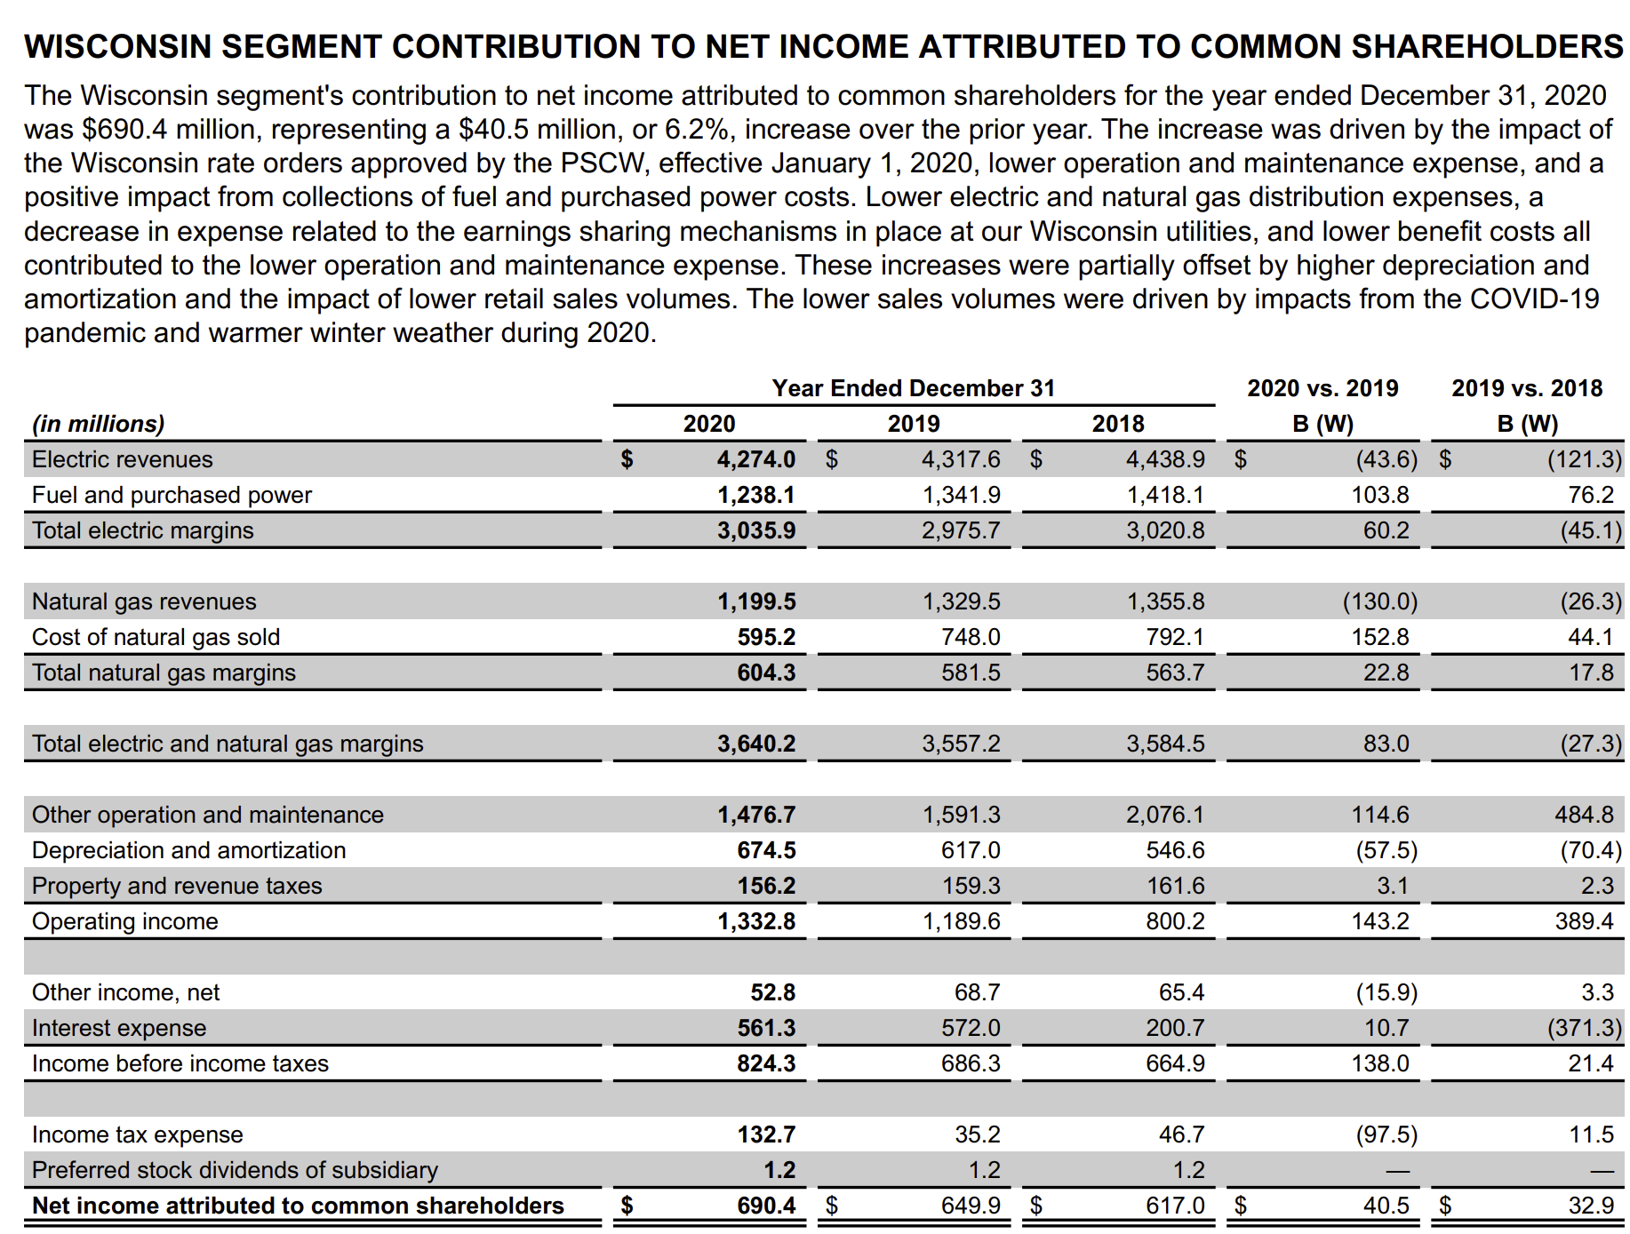
WEC Energy Group, Inc. | Segment Analysis
NYSE: WEC (MI KEY: 4009725; SPCIQ KEY: 315117)

Source: SNL Financial
Periods: Last Five Years
Magnitude: Thousands (K)

Financials

SNL Financial | 2017 FY | 2018 FY | 2019 FY | 2020 FY | 2021 FY
Period Ended | 2017-12-31 | 2018-12-31 | 2019-12-31 | 2020-12-31 | 2021-12-31

Energy Operating Revenue ($000) |  |  |  |  |  | 4274000 | 1199000
Segment: Wisconsin | 5,829,200 | 5,794,700 | 5,647,100 | 5,473,500 | 6,037,000 | 0.59018425596 | 0.23099209719
Segment: Illinois | 1,355,500 | 1,400,000 | 1,357,100 | 1,321,900 | 1,672,800
Segment: Other States | 411,200 | 438,200 | 426,000 | 384,100 | 519,000
Segment: Electric Transmission | 0 | 0 | 0 | 0 | 0
Segment: Non-Utility Energy Infrastructure | 485,200 | 468,400 | 495,900 | 508,500 | 539,500
Segment: Corporate and Other | 13,700 | 8,700 | 4,400 | 2,200 | 500
Segment: Reconciling Eliminations | (446,300) | (430,500) | (407,400) | (448,500) | (452,800)

Segment Operating Revenue/ Operating Revenue (%)
Segment: Wisconsin | 76.21 | 75.46 | 75.06 | 75.58 | 72.59
Segment: Illinois | 17.72 | 18.23 | 18.04 | 18.25 | 20.12
Segment: Other States | 5.38 | 5.71 | 5.66 | 5.30 | 6.24
Segment: Electric Transmission | 0.00 | 0.00 | 0.00 | 0.00 | 0.00
Segment: Non-Utility Energy Infrastructure | 6.34 | 6.10 | 6.59 | 7.02 | 6.49
Segment: Corporate and Other | 0.18 | 0.11 | 0.06 | 0.03 | 0.01
Segment: Reconciling Eliminations | NM | NM | NM | NM | NM
 |  |  |  | 7,241,806
Net Income ($000)
Segment: Wisconsin | NA | NA | 651,100 | 691,600 | 707,700
Segment: Illinois | NA | NA | 170,300 | 203,500 | 223,000
Segment: Other States | NA | NA | 43,200 | 39,000 | 35,800
Segment: Electric Transmission | NA | NA | 87,400 | 112,600 | 106,300
Segment: Non-Utility Energy Infrastructure | NA | NA | 245,500 | 261,100 | 276,200
Segment: Corporate and Other | NA | NA | (62,800) | (106,400) | (50,500)
Segment: Reconciling Eliminations | NA | NA | 0 | 0 | 0

Segment Net Income/ Total Net Income (%)
Segment: Wisconsin | NA | NA | 57.38 | 57.57 | 54.50
Segment: Illinois | NA | NA | 15.01 | 16.94 | 17.17
Segment: Other States | NA | NA | 3.81 | 3.25 | 2.76
Segment: Electric Transmission | NA | NA | 7.70 | 9.37 | 8.19
Segment: Non-Utility Energy Infrastructure | NA | NA | 21.64 | 21.73 | 21.27
Segment: Corporate and Other | NA | NA | NM | NM | NM
Segment: Reconciling Eliminations | NA | NA | 0.00 | 0.00 | 0.00

Cash Flow: Capital Expenditures ($000)
Segment: Wisconsin | 1,152,300 | 1,466,100 | 1,378,600 | 1,382,400 | 1,389,700
Segment: Illinois | 545,200 | 547,100 | 624,900 | 652,700 | 533,700
Segment: Other States | 74,500 | 103,600 | 109,100 | 144,300 | 95,900
Segment: Electric Transmission | 0 | 0 | 0 | 0 | 0
Segment: Non-Utility Energy Infrastructure | 35,400 | 260,600 | 389,900 | 661,800 | 335,300
Segment: Corporate and Other | 152,100 | 39,700 | 26,500 | 33,100 | 18,100
Segment: Reconciling Eliminations | 0 | 0 | 0 | 0 | 0

Segment Capital Expend/ Capital Expenditures (%)
Segment: Wisconsin | 58.81 | 60.66 | 54.51 | 48.10 | 58.57
Segment: Illinois | 27.82 | 22.63 | 24.71 | 22.71 | 22.49
Segment: Other States | 3.80 | 4.29 | 4.31 | 5.02 | 4.04
Segment: Electric Transmission | 0.00 | 0.00 | 0.00 | 0.00 | 0.00
Segment: Non-Utility Energy Infrastructure | 1.81 | 10.78 | 15.42 | 23.02 | 14.13
Segment: Corporate and Other | 7.76 | 1.64 | 1.05 | 1.15 | 0.76
Segment: Reconciling Eliminations | 0.00 | 0.00 | 0.00 | 0.00 | 0.00

Total Assets ($000)
Segment: Wisconsin | 22,237,100 | 23,407,000 | 23,934,800 | 24,599,200 | 25,687,900
Segment: Illinois | 6,144,700 | 6,483,300 | 6,932,500 | 7,471,800 | 7,853,400
Segment: Other States | 1,067,800 | 1,147,900 | 1,237,800 | 1,336,200 | 1,506,100
Segment: Electric Transmission | 1,593,400 | 1,665,300 | 1,723,100 | 1,764,700 | 1,792,700
Segment: Non-Utility Energy Infrastructure | 2,992,800 | 3,227,200 | 3,654,100 | 4,455,200 | 4,627,700
Segment: Corporate and Other | 953,600 | 959,600 | 814,000 | 762,200 | 785,300
Segment: Reconciling Eliminations | (3,398,900) | (3,414,500) | (3,344,500) | (3,361,200) | (3,264,600)

Segment Assets/ Assets (%)
Segment: Wisconsin | 70.39 | 69.92 | 68.48 | 66.43 | 65.89
Segment: Illinois | 19.45 | 19.37 | 19.83 | 20.18 | 20.14
Segment: Other States | 3.38 | 3.43 | 3.54 | 3.61 | 3.86
Segment: Electric Transmission | 5.04 | 4.97 | 4.93 | 4.77 | 4.60
Segment: Non-Utility Energy Infrastructure | 9.47 | 9.64 | 10.45 | 12.03 | 11.87
Segment: Corporate and Other | 3.02 | 2.87 | 2.33 | 2.06 | 2.01
Segment: Reconciling Eliminations | NM | NM | NM | NM | NM

Segments

SNL Financial | 2017 FY | 2018 FY | 2019 FY | 2020 FY | 2021 FY
Period Ended | 2017-12-31 | 2018-12-31 | 2019-12-31 | 2020-12-31 | 2021-12-31

Segment: Wisconsin
Energy Operating Revenue ($000) | 5,829,200 | 5,794,700 | 5,647,100 | 5,473,500 | 6,037,000
Cash Flow: Capital Expenditures ($000) | 1,152,300 | 1,466,100 | 1,378,600 | 1,382,400 | 1,389,700
Segment Operating Revenue/ Operating Revenue (%) | 76.21 | 75.46 | 75.06 | 75.58 | 72.59
Segment Capital Expend/ Capital Expenditures (%) | 58.81 | 60.66 | 54.51 | 48.10 | 58.57
Net Income ($000) | NA | NA | 651,100 | 691,600 | 707,700
Segment Net Income/ Total Net Income (%) | NA | NA | 57.38 | 57.57 | 54.50
Total Assets ($000) | 22,237,100 | 23,407,000 | 23,934,800 | 24,599,200 | 25,687,900
Segment Assets/ Assets (%) | 70.39 | 69.92 | 68.48 | 66.43 | 65.89

Segment: Illinois
Energy Operating Revenue ($000) | 1,355,500 | 1,400,000 | 1,357,100 | 1,321,900 | 1,672,800
Cash Flow: Capital Expenditures ($000) | 545,200 | 547,100 | 624,900 | 652,700 | 533,700
Segment Operating Revenue/ Operating Revenue (%) | 17.72 | 18.23 | 18.04 | 18.25 | 20.12
Segment Capital Expend/ Capital Expenditures (%) | 27.82 | 22.63 | 24.71 | 22.71 | 22.49
Net Income ($000) | NA | NA | 170,300 | 203,500 | 223,000
Segment Net Income/ Total Net Income (%) | NA | NA | 15.01 | 16.94 | 17.17
Total Assets ($000) | 6,144,700 | 6,483,300 | 6,932,500 | 7,471,800 | 7,853,400
Segment Assets/ Assets (%) | 19.45 | 19.37 | 19.83 | 20.18 | 20.14

Segment: Other States
Energy Operating Revenue ($000) | 411,200 | 438,200 | 426,000 | 384,100 | 519,000
Cash Flow: Capital Expenditures ($000) | 74,500 | 103,600 | 109,100 | 144,300 | 95,900
Segment Operating Revenue/ Operating Revenue (%) | 5.38 | 5.71 | 5.66 | 5.30 | 6.24
Segment Capital Expend/ Capital Expenditures (%) | 3.80 | 4.29 | 4.31 | 5.02 | 4.04
Net Income ($000) | NA | NA | 43,200 | 39,000 | 35,800
Segment Net Income/ Total Net Income (%) | NA | NA | 3.81 | 3.25 | 2.76
Total Assets ($000) | 1,067,800 | 1,147,900 | 1,237,800 | 1,336,200 | 1,506,100
Segment Assets/ Assets (%) | 3.38 | 3.43 | 3.54 | 3.61 | 3.86

Segment: Electric Transmission
Energy Operating Revenue ($000) | 0 | 0 | 0 | 0 | 0
Cash Flow: Capital Expenditures ($000) | 0 | 0 | 0 | 0 | 0
Segment Operating Revenue/ Operating Revenue (%) | 0.00 | 0.00 | 0.00 | 0.00 | 0.00
Segment Capital Expend/ Capital Expenditures (%) | 0.00 | 0.00 | 0.00 | 0.00 | 0.00
Net Income ($000) | NA | NA | 87,400 | 112,600 | 106,300
Segment Net Income/ Total Net Income (%) | NA | NA | 7.70 | 9.37 | 8.19
Total Assets ($000) | 1,593,400 | 1,665,300 | 1,723,100 | 1,764,700 | 1,792,700
Segment Assets/ Assets (%) | 5.04 | 4.97 | 4.93 | 4.77 | 4.60

Segment: Non-Utility Energy Infrastructure
Energy Operating Revenue ($000) | 485,200 | 468,400 | 495,900 | 508,500 | 539,500
Cash Flow: Capital Expenditures ($000) | 35,400 | 260,600 | 389,900 | 661,800 | 335,300
Segment Operating Revenue/ Operating Revenue (%) | 6.34 | 6.10 | 6.59 | 7.02 | 6.49
Segment Capital Expend/ Capital Expenditures (%) | 1.81 | 10.78 | 15.42 | 23.02 | 14.13
Net Income ($000) | NA | NA | 245,500 | 261,100 | 276,200
Segment Net Income/ Total Net Income (%) | NA | NA | 21.64 | 21.73 | 21.27
Total Assets ($000) | 2,992,800 | 3,227,200 | 3,654,100 | 4,455,200 | 4,627,700
Segment Assets/ Assets (%) | 9.47 | 9.64 | 10.45 | 12.03 | 11.87

Segment: Corporate and Other
Energy Operating Revenue ($000) | 13,700 | 8,700 | 4,400 | 2,200 | 500
Cash Flow: Capital Expenditures ($000) | 152,100 | 39,700 | 26,500 | 33,100 | 18,100
Segment Operating Revenue/ Operating Revenue (%) | 0.18 | 0.11 | 0.06 | 0.03 | 0.01
Segment Capital Expend/ Capital Expenditures (%) | 7.76 | 1.64 | 1.05 | 1.15 | 0.76
Net Income ($000) | NA | NA | (62,800) | (106,400) | (50,500)
Segment Net Income/ Total Net Income (%) | NA | NA | NM | NM | NM
Total Assets ($000) | 953,600 | 959,600 | 814,000 | 762,200 | 785,300
Segment Assets/ Assets (%) | 3.02 | 2.87 | 2.33 | 2.06 | 2.01

Segment: Reconciling Eliminations
Energy Operating Revenue ($000) | (446,300) | (430,500) | (407,400) | (448,500) | (452,800)
Cash Flow: Capital Expenditures ($000) | 0 | 0 | 0 | 0 | 0
Segment Operating Revenue/ Operating Revenue (%) | NM | NM | NM | NM | NM
Segment Capital Expend/ Capital Expenditures (%) | 0.00 | 0.00 | 0.00 | 0.00 | 0.00
Net Income ($000) | NA | NA | 0 | 0 | 0
Segment Net Income/ Total Net Income (%) | NA | NA | 0.00 | 0.00 | 0.00
Total Assets ($000) | (3,398,900) | (3,414,500) | (3,344,500) | (3,361,200) | (3,264,600)
Segment Assets/ Assets (%) | NM | NM | NM | NM | NM

Note: S&P Global Market Intelligence uses a variety of sources to retrieve financial information for each company we cover. For Energy companies, S&P Global Market Intelligence mines data from documents filed by the company, surveys, and other sources of public information.

