Avoided Costs Reference
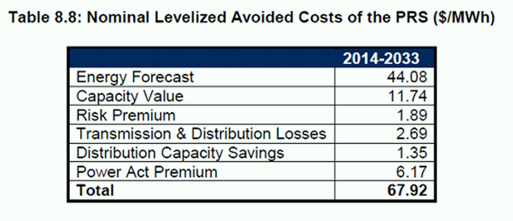
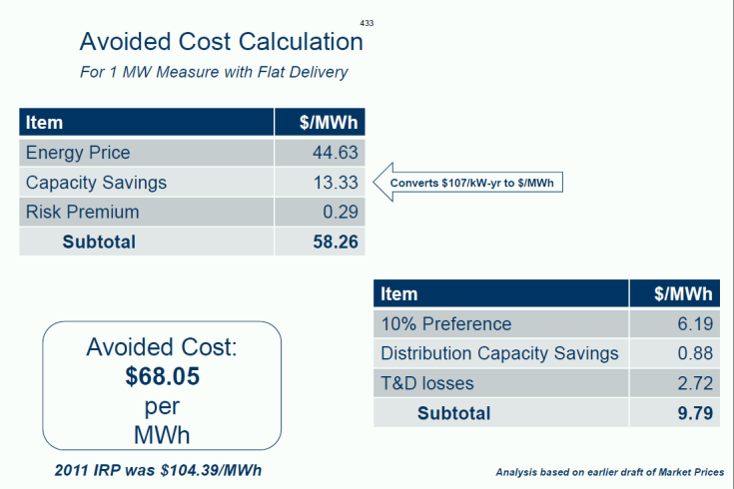
The avoided cost calculation to the left is from a 2013 TAC presentation. The table bottom left labeled Table 8.8 is from the 2013 IRP. As noted earlier, it is important to stay consistent with these values. The assumption is that the demand response is reliable (dispatchable) so that you would not need to build capacity with traditional generating resources.
Note: DR assets and associated costs would be included in the Avista Supply Resource Stack
Both tables have similar total levelized costs of approximately $68 with the Risk Premium showing the largest delta.

