191
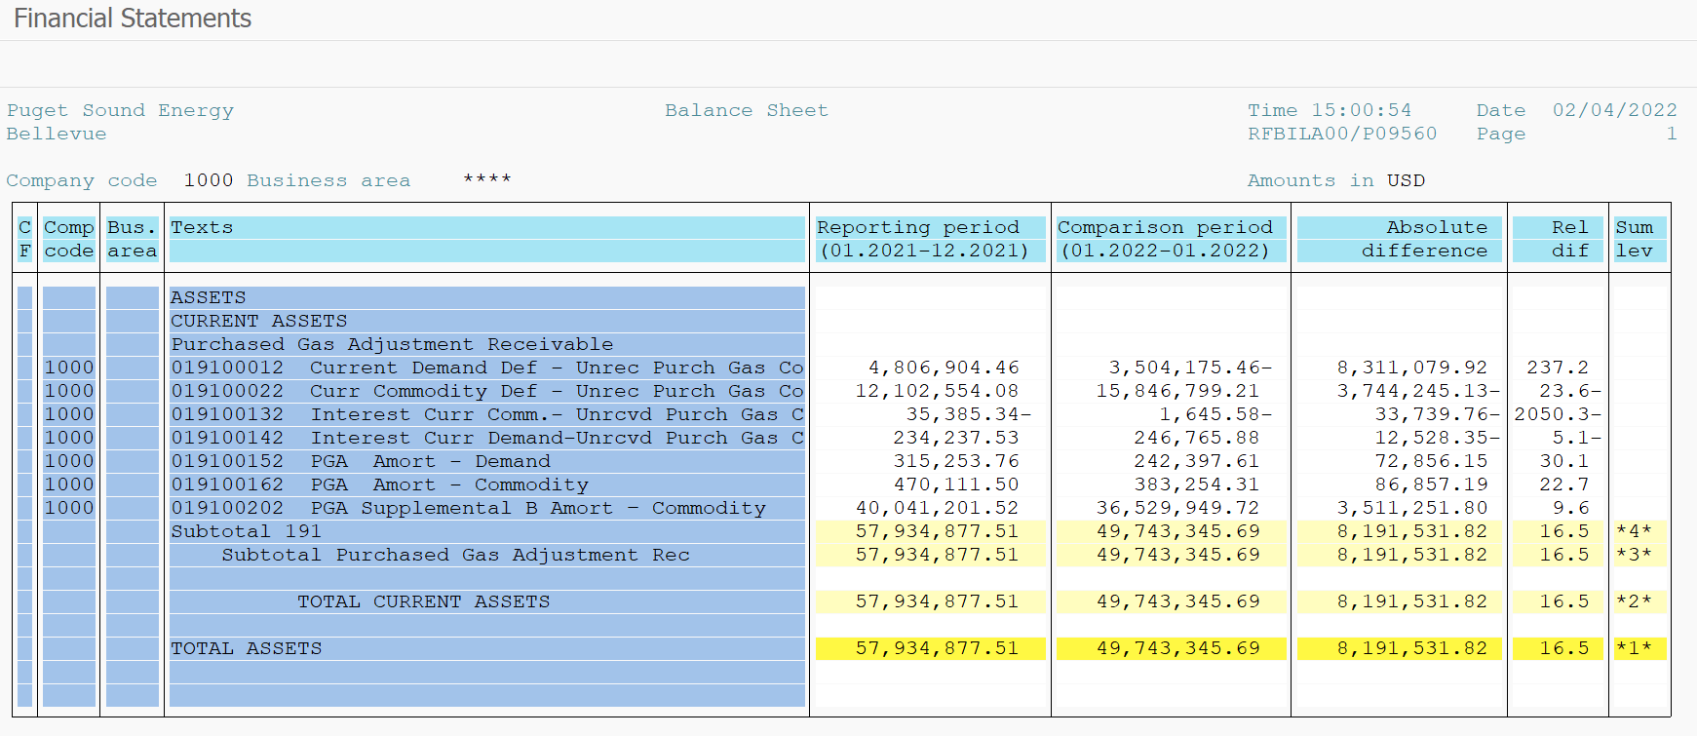
PUGET SOUND ENERGY
PGA 191 Account Balances
January
2022

 |  | Acct No. | Jan-22

Surcharge/Refund Amortization Accounts:
PGA Refund/Surcharge Amortization (Demand) |  | 19100152
 | Beginning |  | $315,253.76
 | Transfer Deferral Amounts to Surcharge/Refund Account
 | Surcharge/Refund Amortization |  | (70,194.00)
 | Migration Credit |  | 302.85
 | Interest |  | (2,965.00)
 | Total Month |  | (72,856.15)
 | Ending |  | $242,397.61

PGA Refund/Surcharge Amortization (Commodity) - 106 |  | 19100162
 | Beginning |  | $470,111.50
 | Transfer Deferral Amounts to Surcharge/Refund Account
 | Surcharge/Refund Amortization |  | (102,803.00)
 | Migration Credit |  | 3,209.35
 | Interest |  | 12,736.46
 | Total Month |  | (86,857.19)
 | Ending |  | $383,254.31

PGA Supplemental Amortization (Commodity) - 106A |  | 19100192
 | Beginning |  | $-
 | Transfer Deferral Amounts to Surcharge/Refund Account |  | -
 | Surcharge/Refund Amortization |  | -
 | Migration Credit |  | -
 | Interest |  | -
 | Total Month |  | -
 | Ending |  | $-

PGA Supplemental Amortization (Commodity) - 106B |  | 19100202
 | Beginning |  | $40,041,201.52
 | Transfer Deferral Amounts to Surcharge/Refund Account
 | Surcharge/Refund Amortization |  | (3,601,189.00)
 | Migration Credit
 | Interest |  | 89,937.20
 | Total Month |  | (3,511,251.80)
 | Ending |  | $36,529,949.72

Current Demand Deferral |  | 19100012
 | Beginning |  | $4,806,904.46
 | Transfer Deferral Amounts to Surcharge/Refund Account
 | Deferral |  | (8,311,079.92)
 | Total Month |  | (8,311,079.92)
 | Ending |  | $(3,504,175.46)

Current Commodity Deferral |  | 19100022
 | Beginning |  | $12,102,554.08
 | Transfer Deferral Amounts to Surcharge/Refund Account
 | Deferral |  | 3,744,245.13
 | Total Month |  | 3,744,245.13
 | Ending |  | $15,846,799.21

Interest on Demand Deferral |  | 19100142
 | Beginning |  | $234,237.53
 | Transfer Interest Amounts to Surcharge/Refund Account
 | Interest |  | 12,528.35
 | Total Month |  | 12,528.35
 | Ending |  | $246,765.88

Interest on Commodity Deferral |  | 19100132
 | Beginning |  | $(35,385.34)
 | Transfer Interest Amounts to Surcharge/Refund Account
 | Interest |  | 33,739.76
 | Total Month |  | 33,739.76
 | Ending |  | $(1,645.58)

Total 191
 | Beginning |  | $57,934,877.51
 | Total Month |  | (8,191,531.82)
 | Ending |  | $49,743,345.69
Less: Acct. being Amortized |  |  | 37,155,601.64
Current Period Under/(Over) Recovered |  |  | $12,587,744.05

