PCA Amort 55700138
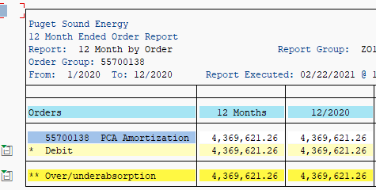
 |  |  |  |  | Fiscal year | 2020 | 2019
 |  |  |  |  |  | Amount | Amount
Functional area |  | WBS Element |  | CO Order |  | $ | $
2010 | Purchased Electricity | K.99999.05.06.03 | Deferred Customer Surcharge Credit | 55700130 | 5360 - Deferred customer Portion - PCA | -43,330,063 | -36,008,921
 |  |  |  | 55700138 | PCA Amortization Recovery UE-200893 | 4,369,621
 |  | Result |  |  |  | -38,960,442 | -36,008,921

