Electric Gain
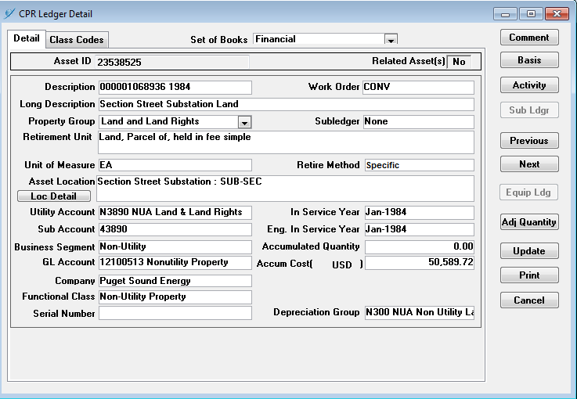
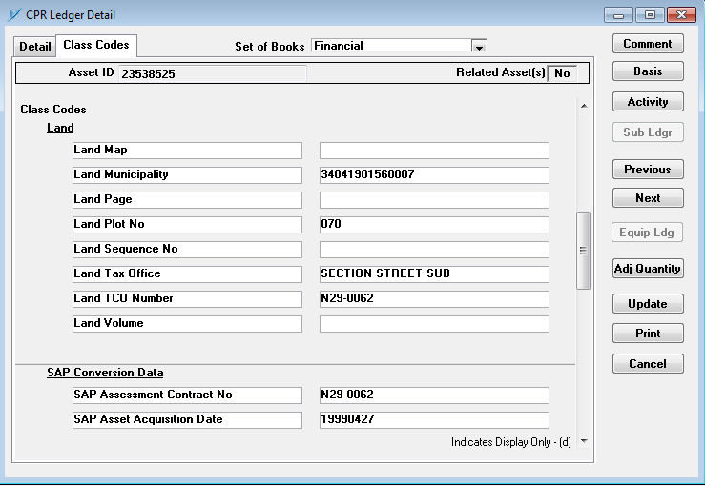
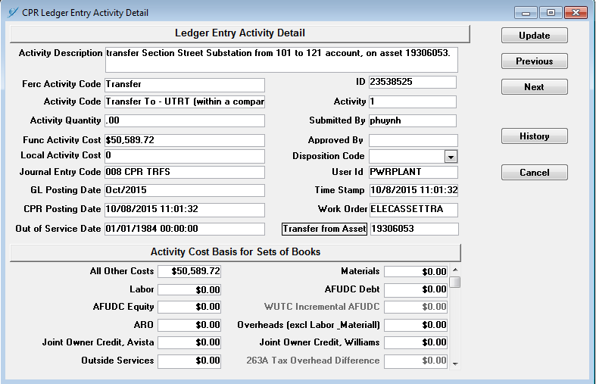
 |  | Exhibit No. ___(SEF-22)
 | Calculation of Gain | Page 7 of 7
Order 152003533 Summary

SECTION SUB LAND SALES

 | DESCRIPTION | GAIN (LOSS) CALCULATION

A | Year of Original Acquisition | 1950
 |  | 1984
B | Year Retired / Moved to Non-Utility | 2015

C | Year of Sale | 2015

D1 | Book Cost: | $52,694.52

D2 | Net Book Value: Structure & Improvements | $-

D3 | Selling costs | $48,678.00

E | Current Net Market Value | $136,225.62

F | Gain (Loss) on Sale (F = E - (D1:D3)) | $34,853.10

G | Years Property Held (G = C-A) | 65

H | Years Property held in Rate Base (H = B-A) | 65

I | Years Property held out of Rate Base (I = C-B) | 0

J | Percentage of time in Rate Base (J = H/G) | 100.00%

K | Above the line Gain or (Loss) (K = F*J) | $34,853.10

L | Percentage of Time out of Rate Base (L = I/G) | 0.00%

M | Below the Line Gain or Loss (M = F*L) | $-

N | Transfer Price (N = K + M + (D1:D3)) | $136,225.62

