Pub Util Tax
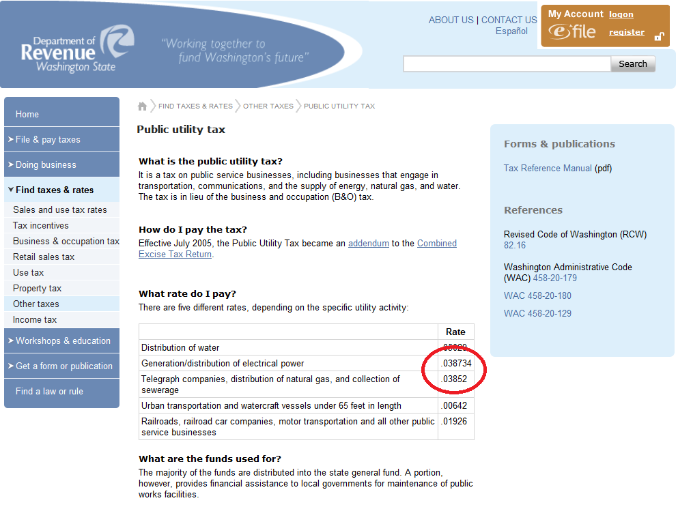
State Utility Tax
http://dor.wa.gov/content/FindTaxesAndRates/OtherTaxes/tax_pubutil.aspx
 | Electric | 0.038734
 | Gas | 0.03852

