Cash Contrib
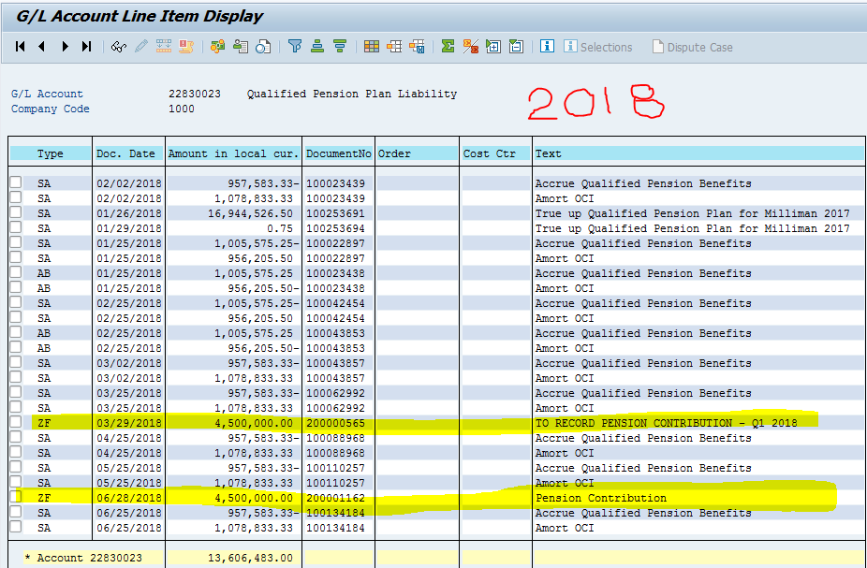
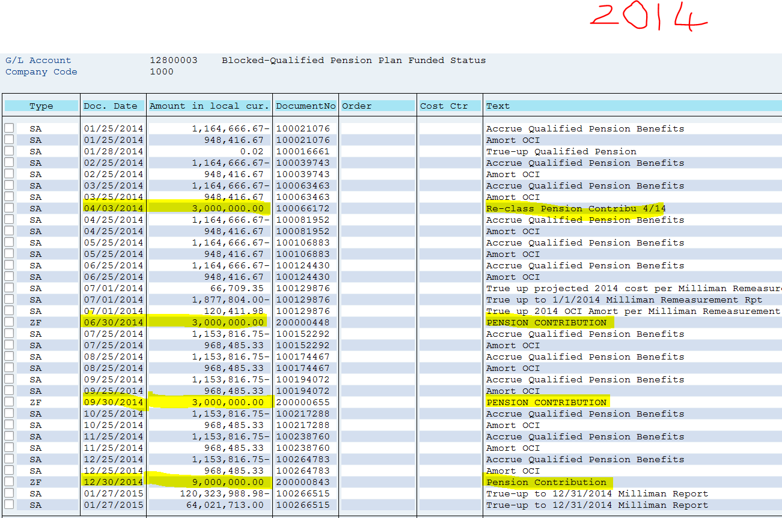
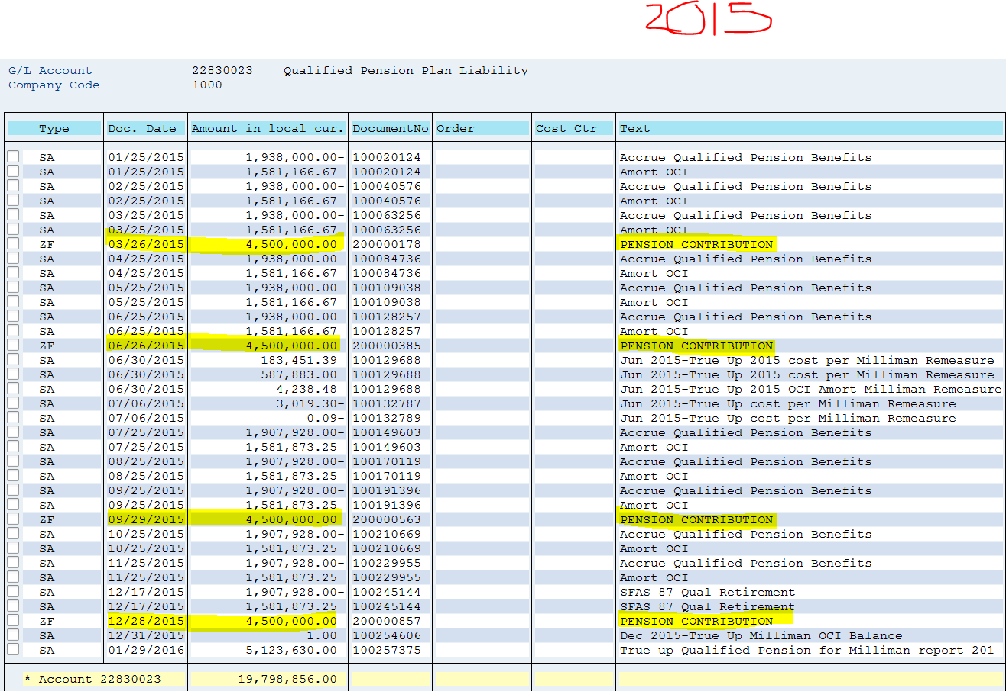
List of Cash Contributions to Qualified Pension Plan

Date | Amount | SAP Account

2014-09-30 | 3,000,000 | 12800003
2014-12-30 | 9,000,000 | 12800003
2015-03-26 | 4,500,000 | 22830023
2015-06-26 | 4,500,000 | 22830023
12MOE June 2015 | 21,000,000

2015-09-29 | 4,500,000 | 22830023
2015-12-28 | 4,500,000 | 22830023
2016-03-30 | 4,500,000 | 22830023
2016-06-29 | 4,500,000 | 22830023
12MOE June 2016 | 18,000,000

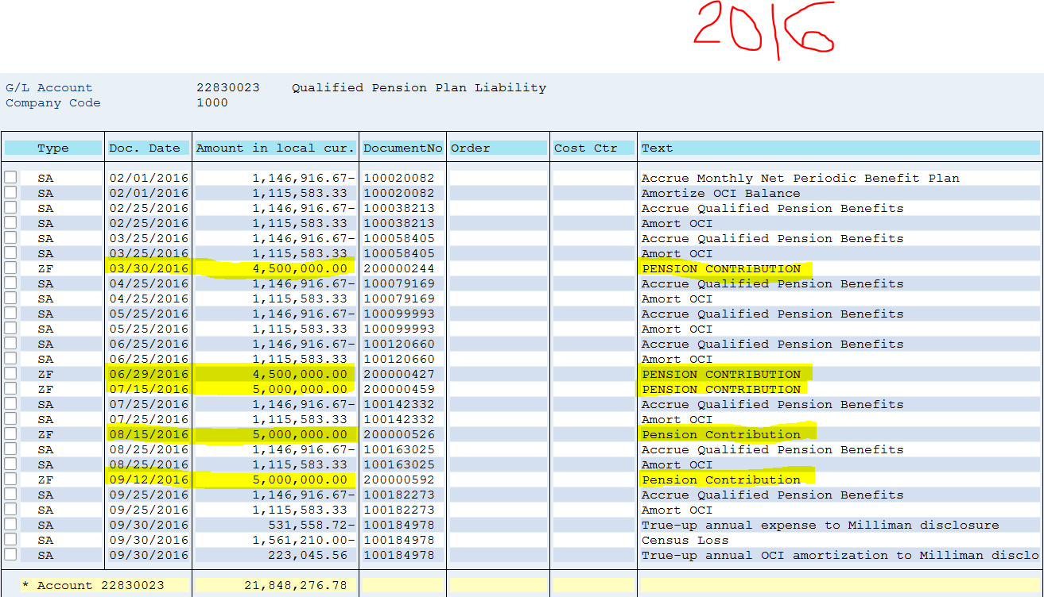
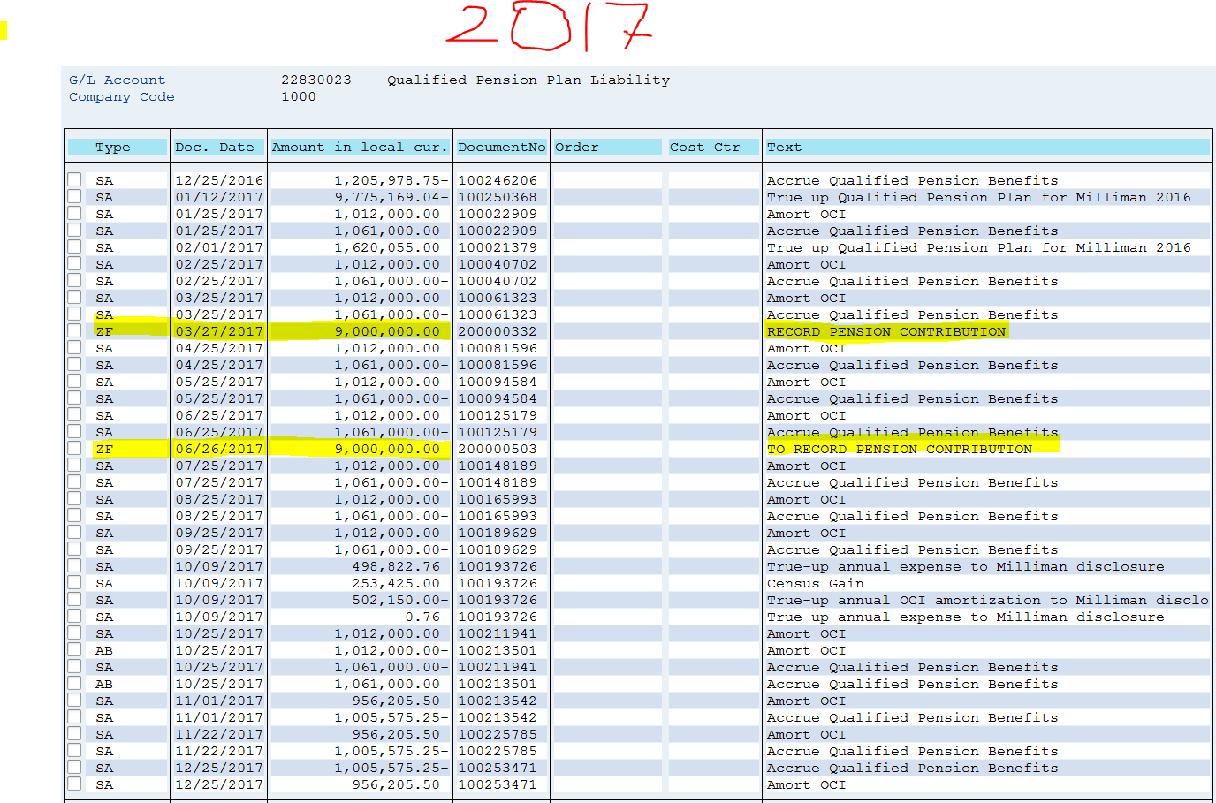
2016-07-15 | 5,000,000 | 22830023
2016-08-15 | 5,000,000 | 22830023
2016-09-12 | 5,000,000 | 22830023
2017-03-27 | 9,000,000 | 22830023
2017-06-26 | 9,000,000 | 22830023
12MOE June 2017 | 33,000,000

2018-03-29 | 4,500,000 | 22830023
2018-06-28 | 4,500,000 | 22830023

12MOE June 2018 | 9,000,000

4 yr Total | 81,000,000

