Net Metering
Back to Summary

Costs Per Install Per Meter

 | Meterman's Cost
 |  | Meter Cost | $165 | Meter Shop (Mike)
 |  | Reduced Cost for Production Meter | $68 | Meter Shop (Mike)
 |  | Install and Administrative Cost | $30 | Meter Shop (Mike)
 |  | Labor Overheads | $21 | Neil Thorson
 |  | Utilization Rate | 80% | From Meter man study (accounts for holidays, OL, training, etc)
 |  | Total Labor Costs | $64

 |  | Total Meter Install Costs (incremental) | $297

 |  | Annual O&M increase Rate | 3%
 |  | Percent Costs O&M | 21%
 |  | Adjusted O&M Increase Rate | 0.64%
 | 9% |  |  | Years where a production meter is required
 |  | Year |  | 2016 | 2017 | 2018 | 2019 | 2020 | 2021 | 2022 | 2023 | 2024 | 2025 | 2026 | 2027 | 2028 | 2029 | 2030 | 2031 | 2032 | 2033 | 2034 | 2035 | 2036 | 2037 | 2038 | 2039 | 2040
 |  | Forecasted Installed Solar Panels |  | 65 | - | 146 | 217 | 324 | 480 | 707 | 1,033 | 1,486 | 2,097 | 2,871 | 3,766 | 4,653 | 5,296 | 5,420 | 4,877 | 3,810 | 2,594 | 1,574 | 956 | 580 | - | - | - | -
 |  | Forecasted Installed Cost | $4,627,144 | $- | $- | $44,068 | $66,221 | $99,231 | $114,142 | $169,257 | $248,651 | $360,264 | $511,441 | $704,782 | $930,567 | $1,156,980 | $1,325,397 | $1,365,252 | $1,236,460 | $972,000 | $666,076 | $406,921 | $248,597 | $151,873 | $- | $- | $- | $-
Simulation of Solar Install Using Bass Diffusion Model
 | Solar Installs | Cumulative Installs
Year | 0 | 0
2015 | 65.017708941 | 65.017708941
2016 | 97.380273567 | 162.39798251
2017 | 145.66888105 | 308.06686356
2018 | 217.49427878 | 525.56114233
2019 | 323.82371592 | 849.38485825
2020 | 480.11385154 | 1329.4987098
2021 | 707.38336902 | 2036.8820788
2022 | 1032.5446725 | 3069.4267514
2023 | 1486.448316 | 4555.8750673
2024 | 2096.6943804 | 6652.5694478
2025 | 2870.808663 | 9523.3781108
2026 | 3766.2290661 | 13289.607177
2027 | 4652.5920274 | 17942.199204
2028 | 5295.7252056 | 23237.92441
2029 | 5420.0378326 | 28657.962242
2030 | 4877.29911 | 33535.261352
2031 | 3809.567319 | 37344.828671
2032 | 2593.8413019 | 39938.669973
2033 | 1574.4881417 | 41513.158115
2034 | 880.02424298 | 42393.182358
2035 | 466.95284368 | 42860.135202
2036 | 240.51611118 | 43100.651313
2037 | 121.92120613 | 43222.572519
2038 | 61.293947059 | 43283.866466
2039 | 30.685015521 | 43314.551482
2040

Natural Gas Meter Module Refres
Back to Summary | Cost Adj | NPV | Total
 |  |  |  |  | 2016 | 2017 | 2018 | 2019 | 2020 | 2021 | 2022 | 2023 | 2024 | 2025 | 2026 | 2027 | 2028 | 2029 | 2030 | 2031 | 2032 | 2033 | 2034 | 2035 | 2036 | 2037 | 2038 | 2039 | 2040
ERTs That Would Require Planned Replacement |  |  |  |  |  |  |  | 3,000 | 3,000 | 3,000 | 3,000 | 3,000 | 5,000 | 5,000 | 5,000 | 5,000 | 5,000 | 5,000 | 3,000 | 3,000 | 3,000 | 3,000 | 3,000 | 3000 | 3000
Percent of ERTs that Would Not Fail Prior to Planned Replacement |  |  |  |  | 0 | 0 | 0 | 0.3 | 0.75 | 0.75 | 0.75 | 1 | 1 | 1 | 1 | 1 | 1 | 1 | 1 | 1 | 1 | 1 | 1 | 1 | 1
Estimated ERT Avoided Replacements |  |  |  |  |  |  |  | 900 | 2,250 | 2,250 | 2,250 | 3,000 | 5,000 | 5,000 | 5,000 | 5,000 | 5,000 | 5,000 | 3,000 | 3,000 | 3,000 | 3,000 | 3,000 | 3,000 | 3,000
Estimated Cost Per ERT (Equipment) | 1% |  |  |  |  |  |  | $61.70 | $61.70 | $61.70 | $62.32 | $62.94 | $63.57 | $64.21 | $64.85 | $65.50 | $66.15 | $66.81 | $67.48 | $68.16 | $68.84 | $69.53 | $70.22 | $70.92 | $71.63
Estimated Cost per ERT (Labor) | 3% |  |  |  |  |  |  | $94.37 | $94.37 | $94.37 | $97.20 | $100.12 | $103.12 | $106.21 | $109.40 | $112.68 | $116.06 | $119.55 | $123.13 | $126.83 | $130.63 | $134.55 | $138.59 | $142.74 | $147.03
Estimated Cost per ERT (Overheads) - inlcuded in the total ERT cost now | 3% |  |  |  |  |  |  | $- | $- | $- | $- | $- | $- | $- | $- | $- | $- | $- | $- | $- | $- | $- | $- | $- | $-
Estimated Avoided ERT Replacement Costs |  |  |  |  |  |  |  | $156.07 | $156.07 | $156.07 | $159.52 | $163.06 | $166.69 | $170.42 | $174.25 | $178.18 | $182.21 | $186.36 | $190.61 | $194.98 | $199.47 | $204.07 | $208.81 | $213.67 | $218.66
Transfer gas only modules to Gas Engineering Gas Refresh Program |  |  |  |  |  |  |  | $36,466 | $91,166 | $91,166 | $93,180 | $126,997 | $216,377 | $221,218 | $226,187 | $231,290 | $236,528 | $241,906 | $148,457 | $151,860 | $155,354 | $158,942 | $162,628 | $166,413 | $170,300
Total Avoided Costs |  | $2,423,030.02 | $5,419,319 |  | 0 | 0 | 0 | $67,530 | $168,826 | $168,826 | $172,556 | $235,179 | $400,697 | $409,662 | $418,865 | $428,313 | $438,014 | $447,974 | $274,921 | $281,222 | $287,692 | $294,338 | $301,162 | $308,171 | $315,371

 |  |  | Cost Inputs
 |  |  | 1. Materials
Battery Catalog of Remaining Life from Asset Management (5/12/2017) |  |  | a. Residential - $55.77 each (includes the ERT module, index, and programming)
Remaining Life of Battery | Count |  | b. Commercial - $201.22 each (includes the ERT module, index, and programming)
-18 | 6 |  | 2. Labor to replace ERT - $21.42 each
-10 | 1 |  | 3. Total
-9 | 1 |  | a. Residential - $77.19 each |  |  |  | 90%
-7 | 3 |  | b. Commercial - $222.64 each |  |  |  | 10%
-6 | 300 |  | Link to ERT replacement doc
-5 | 163 |  | Updated costs from Actuals (Prior values noted above were estimates)
-4 | 102 |  |  | Install Cost Per Meter (Average) |  |  | 94.37
-3 | 135 |  |  | Gas Module Cost (Average) |  |  | 61.7
-2 | 87 |  |  |  | Total |  | 156.07
-1 | 30
0 | 35 |  | Smoothing | Before | After
1 | 168 | 1,031 | 3,000 | 1,031 | 3,000
2 | 341 | 341 | 3,000 | 1,372 | 6,000
3 | 1629 | 1629 | 3,000 | 3,001 | 9,000
4 | 67 | 67 | 3,000 | 3,068 | 12,000
5 | 592 | 592 | 3,000 | 3,660 | 15,000
6 | 1027 | 1027 | 5,000 | 4,687 | 20,000
7 | 11132 | 11132 | 5,000 | 15,819 | 25,000
8 | 6918 | 6918 | 5,000 | 22,737 | 30,000
9 | 9634 | 9634 | 5,000 | 32,371 | 35,000
10 | 2503 | 2503 | 5,000 | 34,874 | 40,000
11 | 9521 | 9521 | 5,000 | 44,395 | 45,000
12 | 1725 | 1725 | 3,000 | 46,120 | 48,000
13 | 3398 | 3398 | 3,000 | 49,518 | 51,000
14 | 2908 | 2908 | 3,000 | 52,426 | 54,000
15 | 4181 | 4181 | 3,000 | 56,607 | 57,000
16 | 2759 | 2759 | 3,000 | 59,366 | 60,000
17 | 3750 | 3750 | 3,000 | 63,116 | 63,000
18 | 3221 | 3221 | 3,000 | 66,337 | 66,000
19 | 300 | 300 | 637 | 66,637 | 66,637
 | 66,637 |  | 66,637
 |  | Gas Only: | 17,300
 |  | % Gas Only: | 26.0%

Estimated Bills
Back to Summary
 | CSR
 | Estimated Reads - CSR or Billing Analysts estimates bills

 |  |  |  |  |  |  |  |  | YR 1 | YR 2 | YR 3 | YR 4 | YR 5 | YR 6 | YR 7 | YR 8 | YR 9 | YR 10 | YR 11 | YR 12 | YR 13 | YR 14 | YR 15 | YR 16 | YR 17 | YR 18 | YR 19 | YR 20 | YR 21 | YR 22 | YR 23
 |  |  |  |  |  |  |  |  | 2015 | 2016 | 2017 | 2018 | 2019 | 2020 | 2021 | 2022 | 2023 | 2024 | 2025 | 2026 | 2027 | 2028 | 2029 | 2030 | 2031 | 2032 | 2033 | 2034 | 2035 | 2036 | 2037
 | Benefits Description |  |  |  |  |  |  |  | 0 | 0 | 0 | 0 | 0.3 | 0.75 | 0.75 | 0.75 | 1 | 1 | 1 | 1 | 1 | 1 | 1 | 1 | 1 | 1 | 1 | 1 | 1 | 1 | 0.25 | 16.55
 |  | 2012-14 |  |  |  |  |  | NPV
 | Component Estimate |  |  |  |  |  |  | 6.58%
1 | Annual Estimated Bills | 92,419 | Table 2 |  |  |  |  |  | 93,343.19 | 94,276.62 | 95,219.39 | 96,171.58 | 97,133.30 | 98,104.63 | 99,085.68 | 100,076.53 | 101,077.30 | 102,088.07 | 103,108.95 | 104,140.04 | 105,181.44 | 106,233.26 | 107,295.59 | 108,368.55 | 109,452.23 | 110,546.75 | 111,652.22 | 112,768.74 | 113,896.43 | 115,035.40 | 116,185.75
2 | Average analysis time in minutes | 9 | Table 1 |  |  |  |  |  | 9 | 9 | 9 | 9 | 9 | 9 | 9 | 9 | 9 | 9 | 9 | 9 | 9 | 9 | 9 | 9 | 9 | 9 | 9 | 9 | 9 | 9 | 9
3 | Cost per minute loaded | $0.66 | Loaded cost of CSR (2014) Source: Veronica Soules |  |  |  |  |  | $0.68 | $0.70 | $0.72 | $0.74 | $0.76 | $0.79 | $0.81 | $0.83 | $0.86 | $0.89 | $0.91 | $0.94 | $0.97 | $1.00 | $1.03 | $1.06 | $1.09 | $1.12 | $1.16 | $1.19 | $1.23 | $1.26 | $1.30
4 | Average Cost per Estimated Loaded | $5.93 | Calculation |  |  |  |  |  | $6.11 | $6.29 | $6.48 | $6.67 | $6.87 | $7.08 | $7.29 | $7.51 | $7.74 | $7.97 | $8.21 | $8.45 | $8.71 | $8.97 | $9.24 | $9.52 | $9.80 | $10.09 | $10.40 | $10.71 | $11.03 | $11.36 | $11.70
5 | Estimated Reduction in Rebills (%) 1 | 83% | Failure Rate of AMI meters, projected at 1% |  |  |  |  |  | 97% | 97% | 97% | 97% | 97% | 97% | 97% | 97% | 97% | 97% | 97% | 97% | 97% | 97% | 97% | 97% | 97% | 97% | 97% | 97% | 97% | 97% | 97%
6 | Estimated Reduction in Rebill Costs | $454,839 | Calculation |  |  |  |  |  | 552,980.31 | 575,265.42 | 598,448.62 | 622,566.10 | 647,655.51 | 673,756.03 | 700,908.40 | 729,155.00 | 758,539.95 | 789,109.11 | 820,910.21 | 853,992.89 | 888,408.80 | 924,211.68 | 961,457.41 | 1,000,204.14 | 1,040,512.37 | 1,082,445.02 | 1,126,067.55 | 1,171,448.07 | 1,218,657.43 | 1,267,769.33 | 1,318,860.43
 | Total (Calculation) | $454,839 |  |  | $454,839
 |  |  |  |  |  |  |  | $6,783,166 | - | - | - | - | 194,296.65 | 505,317.02 | 525,681.30 | 546,866.25 | 758,539.95 | 789,109.11 | 820,910.21 | 853,992.89 | 888,408.80 | 924,211.68 | 961,457.41 | 1,000,204.14 | 1,040,512.37 | 1,082,445.02 | 1,126,067.55 | 1,171,448.07 | 1,218,657.43 | 1,267,769.33 | 329,715.11

References
1 | Automated reads will be automatically processed (currently available in CC&B) - look at estimations as exceptions (estimated expections are 3%)

Table 1 (Breakout of Bill Estimation Times) |  | Reviewed process with Kim Blair, Billing Analyst, Nov 2015
 | Time Savings Caculation | Mins/Meter
 | Account is flagged as needing estimation, research | 2 | 3
 | Determine if field service visit is required | 1 | 1
 | No, estimate bill | 1 | 2
 | Generate bill in CC&B | 1 | 2
 | Total | 5 | 8
 |  | AVG | 6.5
Table 2 (Counts of Estimated Bills)
 | STATE_CDE | WA |  |  |  |  |  |  | STATE_CDE | ID

 | Sum of CountOfUSAGE_PT_KY | Column Labels |  |  |  |  |  |  | Sum of CountOfUSAGE_PT_KY | Column Labels
 | Row Labels | 2012 | 2013 | 2014 | Grand Total | Average |  |  | Row Labels | 2012 | 2013 | 2014 | Grand Total
 | A | 1,419,309 | 1,496,613 | 1,569,142 | 4,485,064 | 1,495,021 |  |  | A | 2,494,405 | 2,518,436 | 2,546,052 | 7,558,893
 | B | 6,250 | 7,920 | 9,447 | 23,617 | 7,872 |  |  | B | 151 | 228 | 181 | 560
 | C | 1,179 | 1,183 | 921 | 3,283 | 1,094 |  |  | C | 181 | 194 | 265 | 640
 | E | 54,976 | 58,882 | 57,561 | 171,419 | 57,140 | 1.138% | 77% | E | 4,536 | 5,002 | 5,762 | 15,300 | 0.197% | 17%
 | F | 9,772 | 10,760 | 10,859 | 31,391 | 10,464 |  |  | F | 378 | 366 | 368 | 1,112
 | I | 5,272 | 6,593 | 7,211 | 19,076 | 6,359 |  |  | I | 2,785 | 3,784 | 3,873 | 10,442
 | K | 24,297 | 23,659 | 22,037 | 69,993 | 23,331 |  |  | K | 1,033 | 922 | 2,930 | 4,885
 | N | 5,617 | 4,170 | 4,373 | 14,160 | 4,720 |  |  | N | 55 | 80 | 78 | 213
 | P | 167 | 316 | 476 | 959 | 320 |  |  | P | 78 | 73 | 106 | 257
 | Q | 10,686 | 12,190 | 7,583 | 30,459 | 10,153 |  |  | Q | 2,641 | 2,869 | 3,172 | 8,682
 | R | 3,127,153 | 3,071,472 | 3,084,141 | 9,282,766 | 3,094,255 |  |  | R | 8,534 | 8,115 | 8,158 | 24,807
 | S | 19,517 | 20,574 | 18,397 | 58,488 | 19,496 |  |  | S | 42,734 | 44,873 | 44,797 | 132,404
 | T | 19,131 | 18,616 | 18,298 | 56,045 | 18,682 |  |  | T | 763 | 1,043 | 1,276 | 3,082
 | V | 266,026 | 287,862 | 264,535 | 818,423 | 272,808 |  |  | V | 103 | 80 | 88 | 271
 | W |  |  | 1 | 1 | 1 |  |  | W | 1 |  |  | 1
 | Grand Total | 4969352 | 5020810 | 5074982 | 15065144 |  |  | 57% | Grand Total | 2558378 | 2586065 | 2617106 | 7,761,549.00
 |  |  | 1% | 1%
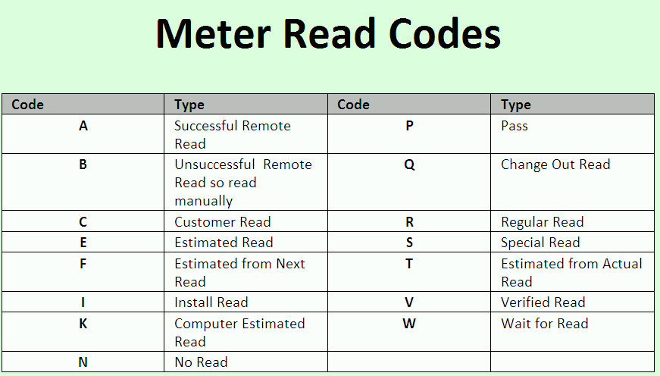
 |  |  |  |  | Averate, total meter read codes that lead to Estimated Bill | 92,419

Billing Analysis
Back to Summary |  |  |  |  | Back to Summary
 | Billing
 | Bill Analysis
 | A staff of several billing analysts that work through exception such as high/low bills. These bills require determining if someone should be sent out if the data looks suspicious. Combined with other meter health monitoring data, the number of exceptions could br reduced. This reduction could also be supported by automated smart process. The automation of certain process could be accomplished through integration with dispatch and CC&B. These integrations are included in the MDM implemenation.

 | Benefits Description | Components | Sources and References
 | Component Estimate
1 | Annual Bills (average of 2013 & 2014) | 5,974,036 | Customer Information System |  |  | YR 1 | YR 2 | YR 3 | YR 4 | YR 5 | YR 6 | YR 7 | YR 8 | YR 9 | YR 10 | YR 11 | YR 12 | YR 13 | YR 14 | YR 15 | YR 16 | YR 17 | YR 18 | YR 19 | YR 20 | YR 21 | YR 22 | YR 23
2 | Estimated Exception % | 3% | Figure 1 |  |  | 2015 | 2016 | 2017 | 2018 | 2019 | 2020 | 2021 | 2022 | 2023 | 2024 | 2025 | 2026 | 2027 | 2028 | 2029 | 2030 | 2031 | 2032 | 2033 | 2034 | 2035 | 2036 | 2037
3 | Estimated Exceptions | 179,221 | Calculation |  |  | 0 | 0 | 0 | 0 | 0.3 | 0.75 | 0.75 | 0.75 | 1 | 1 | 1 | 1 | 1 | 1 | 1 | 1 | 1 | 1 | 1 | 1 | 1 | 1 | 0.25
4 | Percent Washington Bills | 57% | Meter Shop Provisioning Analysis (% has increased since original analysis) |  | NPV
5 | Percent Residential | 89% | Customer Information System |  | 6.58%
6 | Daily Exception Load | 358 | Customer Information System |  |  | 167,027.40 | 168,697.67 | 170,384.65 | 172,088.50 | 173,809.38 | 175,547.48 | 177,302.95 | 179,075.98 | 180,866.74 | 182,675.41 | 184,502.16 | 186,347.18 | 188,210.65 | 190,092.76 | 191,993.69 | 193,913.63 | 195,852.76 | 197,811.29 | 199,789.40 | 201,787.30 | 203,805.17 | 205,843.22 | 207,901.65
7 | Daily Exception Load Worked % | 33%
8 | Fully loaded blended direct labor rate | $39.53 | Loaded cost of CSR (2014) Source: Veronica Soules |  |  | $0.68 | $0.70 | $0.72 | $0.74 | $0.76 | $0.79 | $0.81 | $0.83 | $0.86 | $0.89 | $0.91 | $0.94 | $0.97 | $1.00 | $1.03 | $1.06 | $1.09 | $1.12 | $1.16 | $1.19 | $1.23 | $1.26 | $1.30
9 | Average analysis time in minutes | 5.50 | Table 2 |  |  | 80% | 80% | 80% | 80% | 80% | 80% | 80% | 80% | 80% | 80% | 80% | 80% | 80% | 80% | 80% | 80% | 80% | 80% | 80% | 80% | 80% | 80% | 80%
10 | Total Minutes | 165,374 | Calculation |  |  | 70% | 70% | 70% | 70% | 70% | 70% | 70% | 70% | 70% | 70% | 70% | 70% | 70% | 70% | 70% | 70% | 70% | 70% | 70% | 70% | 70% | 70% | 70%
11 | Cost per Minute | 0.66 |  |  |  | $99,176 | 134,958 | 136,308 | 137,671 | 139,048 | 140,438 | 141,842 | 143,261 | 144,693 | 146,140 | 147,602 | 149,078 | 150,569 | 152,074 | 153,595 | 155,131 | 156,682 | 158,249 | 159,832 | 161,430 | 163,044 | 164,675 | 166,321
12 | Average Occupancy Rate (availability) & Overheads factor | 80% | Accounts for training, One Leave, and non direct work activities
13 | Expected reduction in analysis time in minutes | 70% | Approximated 1 standard deviation reduction (Area under normal distribution curve) |  | $1,138,569 | - | - | - | - | 41,714.25 | 105,328.49 | 106,381.77 | 107,445.59 | 144,693.39 | 146,140.33 | 147,601.73 | 149,077.75 | 150,568.52 | 152,074.21 | 153,594.95 | 155,130.90 | 156,682.21 | 158,249.03 | 159,831.52 | 161,429.84 | 163,044.14 | 164,674.58 | 41,580.33
14 | Total benefit | $95,334 | Calculation

Table 1 |  | $90,204
 | Additional Costs
a | Training |  | $1,581 |  | $1,581
b | Application development (percentage of application that would also be developed for Revenue Protection) |  |  | $16,000 |  | $16,000
c | Integration
d | IT/IS Support |  | $8,000 |  | $8,000
 | subtotal |  | $9,581 | $16,000 | $9,581 | $16,000
 | Total (Calculation) |  | $9,581 |  |  | $9,581

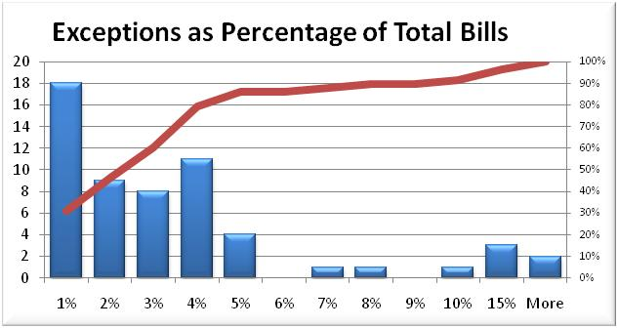
 | Figure 1 (Summary of DataSource Survey (2011)
 |  | Table 2 (Breakout of Bill Analysis Times) |  | Reviewed process with Kim Blair, Billing Analyst, Nov 2015
 |  |  | Time Savings Caculation | Mins/Meter
 |  |  | Billing Analyst Reviews "To Do" list reports | 1 | 1
 |  |  | Research, inquiry, review read history in CC&B | 1 | 2
 |  |  | Calculate Correct Usage, Enter new read | 1 | 1
 |  |  | Correct bill manualy or process cancel/rebill | 1 | 3
 |  |  | Total | 4 | 7
 |  |  |  | AVG | 5.5

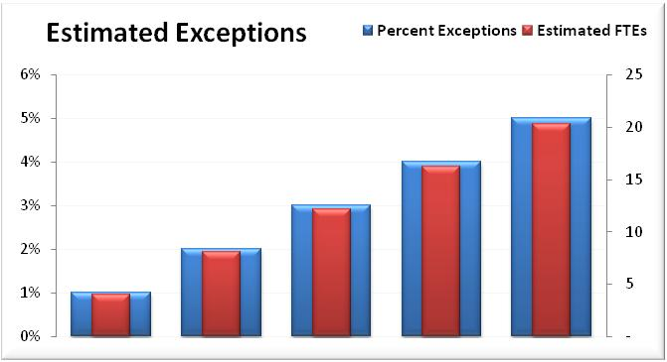
 | Figure 2 (Summary of DataSource Survey (2011)

Rebilling
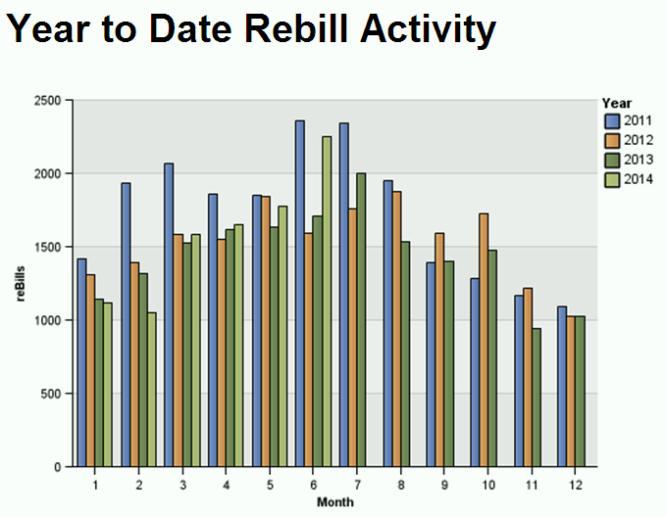
Back to Summary
Billing
 | Bill Analysis/Rebills
 | Estimation errors drove 80% of the rebill activity as shown in Table 2 below. With AMI, interval data would reduce the need to estimate bills since the meter data would be able to determine the actual amounts for the given period(s)
 | Benefits Description | Components
 |  |  |  |  |  |  |  |  | YR 1 | YR 2 | YR 3 | YR 4 | YR 5 | YR 6 | YR 7 | YR 8 | YR 9 | YR 10 | YR 11 | YR 12 | YR 13 | YR 14 | YR 15 | YR 16 | YR 17 | YR 18 | YR 19 | YR 20 | YR 21 | YR 22 | YR 23
1 | Annual Bills (average of 2013 & 2014) | 5,974,036 |  |  |  |  |  |  | 2015 | 2016 | 2017 | 2018 | 2019 | 2020 | 2021 | 2022 | 2023 | 2024 | 2025 | 2026 | 2027 | 2028 | 2029 | 2030 | 2031 | 2032 | 2033 | 2034 | 2035 | 2036 | 2037
2 | Bills Cancelled Before Bill Created | 18,572 | Rebill Report (Customer Information System) |  |  |  |  |  | 0 | 0 | 0 | 0 | 0.3 | 0.75 | 0.75 | 0.75 | 1 | 1 | 1 | 1 | 1 | 1 | 1 | 1 | 1 | 1 | 1 | 1 | 1 | 1 | 0.25
3 | Percent from Washington | 90% | See Table 1 |  |  |  |  | NPV
4 | Percent Cancelled and No New Bills Created | 0.31% | Calculation |  |  |  |  | 6.58%
5 | Daily Exception Load (No New Bills) | 64 | Calculation |  |  |  |  |  | 16,881.95 | 17,050.77 | 17,221.28 | 17,393.49 | 17,567.42 | 17,743.10 | 17,920.53 | 18,099.73 | 18,280.73 | 18,463.54 | 18,648.17 | 18,834.66 | 19,023.00 | 19,213.23 | 19,405.36 | 19,599.42 | 19,795.41 | 19,993.37 | 20,193.30 | 20,395.23 | 20,599.18 | 20,805.18 | 21,013.23
6 | Loaded analyst time | $0.66 | Loaded cost of CSR (2014) Source: Veronica Soules
7 | Average analysis time in minutes (New Bills) | 9 | Table 3 |  |  |  |  |  | $6.11 | $6.29 | $6.48 | $6.67 | $6.87 | $7.08 | $7.29 | $7.51 | $7.74 | $7.97 | $8.21 | $8.45 | $8.71 | $8.97 | $9.24 | $9.52 | $9.80 | $10.09 | $10.40 | $10.71 | $11.03 | $11.36 | $11.70
8 | Average Cost per Rebill Loaded (New Bills) | $5.93 | Calculation (Loaded Analyst Time * Average Analyst Time) |  |  |  |  |  | 80% | 80% | 80% | 80% | 80% | 80% | 80% | 80% | 80% | 80% | 80% | 80% | 80% | 80% | 80% | 80% | 80% | 80% | 80% | 80% | 80% | 80% | 80%
9 | Estimated Rebill Costs (No New Bills) | $99,110 | Calculation
10 | Estimated Reduction in Rebills (New Bills) | 80% | Estimation errors are the most likely to be reduced as a result of having interval data - see Table 2 |  |  |  |  |  | $82,484 | $85,808 | $89,266 | $92,863 | $96,606 | $100,499 | $104,549 | $108,762 | $113,145 | $117,705 | $122,449 | $127,383 | $132,517 | $137,857 | $143,413 | $149,192 | $155,205 | $161,460 | $167,966 | $174,736 | $181,777 | $189,103 | $196,724
11 | Estimated Reduction in Rebill Costs (New Bills) | $79,288.33 | Calculation
 | Total (Calculation) | $79,288 |  |  |  |  |  | $1,011,791 | - | - | - | - | 28,981.68 | 75,374.09 | 78,411.67 | 81,571.66 | 113,145.33 | 117,705.09 | 122,448.60 | 127,383.28 | 132,516.83 | 137,857.25 | 143,412.90 | 149,192.44 | 155,204.90 | 161,459.65 | 167,966.48 | 174,735.53 | 181,777.37 | 189,103.00 | 49,180.96

Table 1 |  |  |  |  |  | Table 3 (Breakout of Rebilling Times) |  | Reviewed process with Kim Blair, Billing Analyst, Nov 2015
 | CUST_ACCT_KY #'s | SRV_STATE_CDE |  |  |  |  | Time Savings Caculation | Mins/Meter
 | 970 | ID |  |  |  |  | Open account in CC&B | 1 | 1
 | 16773 | WA | 90% |  |  |  | Research, inquiry, review read history in CC&B | 1 | 2
 | 829 | OR |  |  |  |  | Calculate Correct Usage, Enter new read | 1 | 1
 | 18572 |  |  |  |  |  | Correct bill manualy or process cancel/rebill | 1 | 3
 | Source: Customer Information System |  |  |  |  |  | Total | 4 | 7
 |  |  |  |  |  |  |  | AVG | 5.5

Table 2
 | CUST_ACCT_KY |  | 1 | 2 | 3 | 4 | 5 | 6 | 7 | 8 | 9 | 10 | 11 | 12 | Total
 | OPEN DATE | 2014 | 170 | 107 | 122 | 120 | 95 | 125 | 109 | 149 | 131 | 628 | 529 | 573 | 2858
 | OVER ESTIMATE | 2014 | 40 | 22 | 37 | 132 | 36 | 30 | 23 | 91 | 23 | 924 | 766 | 731 | 2855
 | METER TESTED FAST | 2014 | 14 | 105 | 106 | 175 | 161 | 216 | 172 | 58 | 20 | 82 | 110 | 76 | 1295
 | OVER READ | 2014 | 11 | 5 | 12 | 23 | 5 | 9 | 6 | 22 | 14 | 491 | 253 | 275 | 1126
 | INCORRECT BILLING | 2014 | 62 | 60 | 48 | 44 | 38 | 32 | 65 | 34 | 63 | 244 | 158 | 269 | 1117
 | CLOSE DATE | 2014 | 49 | 59 | 35 | 57 | 13 | 21 | 52 | 41 | 27 | 211 | 217 | 211 | 993
 | LOW ESTIMATE | 2014 | 32 | 24 | 53 | 45 | 16 | 1 | 2 | 20 | 17 | 77 | 120 | 107 | 514
 | RATE SCHEDULE CHANGE | 2014 | 9 | 15 |  |  | 33 | 256 | 23 | 3 | 16 | 23 | 20 | 52 | 450
 | INCORRECT ESTIMATE | 2014 | 33 | 20 | 33 | 4 | 5 | 8 | 4 | 3 | 19 | 50 | 61 | 125 | 365
 | STOPPED METER | 2014 | 32 | 28 | 14 | 8 | 8 | 23 | 4 | 15 | 7 | 84 | 55 | 64 | 342
 | MIXED METERS | 2014 | 15 | 24 | 23 | 6 | 12 | 15 | 12 | 13 | 35 | 38 | 35 | 109 | 337
 | CANCELLED IN ERROR | 2014 | 26 | 18 | 7 | 13 | 8 | 12 | 15 | 5 | 16 | 35 | 46 | 33 | 234
 | DISPUTED BILL | 2014 | 25 | 11 | 16 | 2 | 4 | 4 | 3 | 4 | 9 | 26 | 29 | 32 | 165
 | LOW READ | 2014 | 7 | 12 | 7 | 11 | 1 | 1 | 1 | 4 | 2 | 42 | 9 | 30 | 127
 | INCORRECT OPEN READ | 2014 | 20 | 8 | 12 | 8 | 3 | 4 | 5 | 6 | 8 | 3 | 3 | 20 | 100
 | CLOSE READ | 2014 | 2 | 3 | 5 | 4 |  | 1 | 4 | 9 | 1 | 16 | 5 | 16 | 66
 | CORRECTION CODE ERROR | 2014 |  | 1 |  |  |  | 12 |  |  |  | 36 |  | 8 | 57
 | METER INSTALLED | 2014 | 1 | 13 |  |  | 1 | 2 | 5 | 1 |  | 2 | 3 | 12 | 40
 | BANKRUPT | 2014 | 6 | 6 | 2 |  |  |  |  |  |  | 3 |  | 5 | 22
 | THEFT OF SERVICE | 2014 | 1 |  | 1 | 1 | 2 |  | 2 |  | 3 |  |  | 3 | 13
 | MISREAD | 2014 | 1 |  |  | 1 |  |  | 1 | 1 | 1 | 4 | 1 | 2 | 12
 | ZERO USE | 2014 |  |  | 1 |  |  |  |  |  |  |  |  | 6 | 7
 | CONVERSION CODE | 2014 |  |  |  |  |  |  |  |  |  | 4 | 2 |  | 6
 | HIGH DEMAND | 2014 |  |  |  |  |  |  |  |  |  |  |  | 4 | 4
 | DONT USE SETTLEMENT ON ACCT | 2014 |  |  |  |  |  |  |  |  | 1 |  |  |  | 1
 |  |  | 556 | 541 | 534 | 654 | 441 | 772 | 508 | 479 | 413 | 3023 | 2422 | 2763 | 13106 | 0.82534716924

