Manual Clearing
ZO12 Orders: Actual 12 Month Ended

 | New Orders Beginning Jan 2017
 | Orders | 12 Months | Jun-18 | May-18 | Apr-18 | Mar-18 | Feb-18 | Jan-18 | Dec-17 | Nov-17 | Oct-17 | Sep-17 | Aug-17 | Jul-17
 | 41710062 1412 - Incentive Clearing - Common | 19,224 | 257 | 1,513 | 1,133 | (50) | - | - | (1,672) | 16,296 | 804 | (2,007) | 2,728 | 223
 | 54600140 9800 - Incentive Clearing - Electric | 322,669 | 4,556 | 26,806 | 19,454 | (1,394) | - | - | (29,563) | 273,961 | 13,494 | (33,572) | 45,289 | 3,637
 | 56000140 9800 - Incentive Clearing - Electric | 97,206 | 1,458 | 8,884 | 6,603 | 1,774 | - | - | (7,865) | 78,000 | 3,826 | (9,438) | 12,909 | 1,056
 | 58000140 9800 - Incentive Clearing - Electric | 208,458 | 4,465 | 27,647 | 21,022 | 15,912 | - | - | (15,380) | 141,664 | 6,450 | (16,360) | 21,348 | 1,692
 | 88000140 9800 - Incentive Clearing - Gas | 335,329 | 4,695 | 29,056 | 21,839 | 3,087 | - | - | (28,715) | 275,983 | 13,477 | (33,905) | 46,137 | 3,675
 | 92006494 9800 - Incentive Clearing - Common | 893,632 | 10,662 | 60,960 | 47,622 | (15,082) | - | - | (79,218) | 785,583 | 39,025 | (97,121) | 130,592 | 10,608
 | Debit | 1,876,518 | 26,093 | 154,865 | 117,673 | 4,248 | - | - | (162,413) | 1,571,486 | 77,075 | (192,403) | 259,002 | 20,891

 | Total SAP 12ME Mar 2018 | 1,876,518 | 26,093 | 154,865 | 117,673 | 4,248 |  |  | 162,413- | 1,571,486 | 77,075 | 192,403- | 259,002 | 20,891

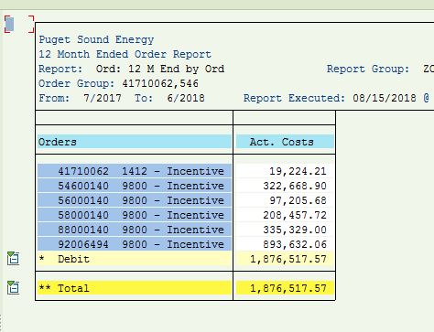

 |  | Test Year Utilities Incentives Manual Clearing
 |  |  |  |  | Allocation of Common
 |  | Total | Less | Use in | Electric | Gas | Total
 |  |  | Non-Utility | Adjustment | 67.66% | 32.34%
 | Electric | 628,332 |  | 628,332 | 604,631 |  | 1,232,964
 | Gas | 335,329 |  | 335,329 |  | 289,001 | 624,330
 | Common | 893,632 |  | 893,632 | (604,631) | (289,001) | -
 | Total Utility | 1,857,293 | - | 1,857,293 | - | - | 1,857,293
 | Add Non-Utility, 41710062 - Common | 19,224 |  |  |  |  | -
 | Total Utility plus non Utility | 1,876,518 | - | 1,857,293 | - | - | 1,857,293

 | From Labor Report | 1,685,846
 | Difference, see below. | 190,671

 | This is a transfer of incentives OH |  |  |  | Data provided by Compensations Department
 | 41710062 1412 - Incentive Clearing - Common | 1,955 |  |  | 27,832,043.66 | <= 2017 Actual Incentive
 | 54600140 9800 - Incentive Clearing - Electric | 33,366
 | 56000140 9800 - Incentive Clearing - Electric | 9,297
 | 58000140 9800 - Incentive Clearing - Electric | 16,769
 | 88000140 9800 - Incentive Clearing - Gas | 33,301
 | 92006494 9800 - Incentive Clearing - Common | 95,984 |  |  | (78,831.79) | <= Removed Jackson Prairie
 | Total | 190,671 |  |  | 27,753,211.87 | <= 2017 Total Incentive Adj

PR Tax Rates
 |  |  | <--------- | March 2018 ERF Simplified Method

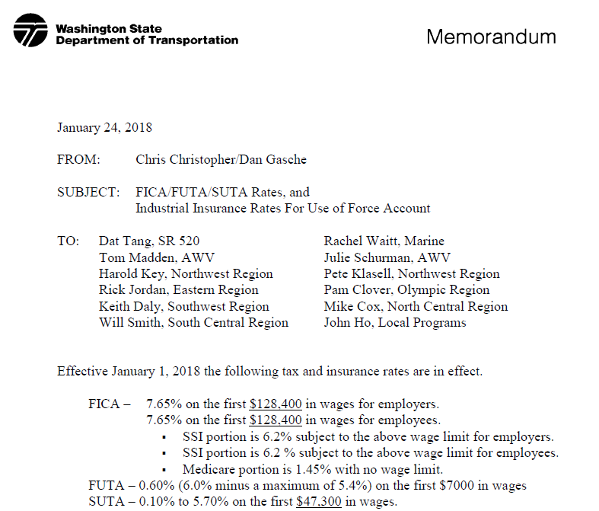
Social Security | 6.20% | <---------
Medicare | 1.45%
FUTA | 0.60%
SUTA (PSE) | 0.60%

 | 12MEJun2018
Row Labels | Incentive
107 | 11,135,268
108 | 195,966
182.1 | 13,694
182.3 | 868,405
184s | 209,970
400s | 144,072
500s | 3,981,276
7&8 | 2,354,685
900 | 6,537,976
Other 1 & 2 | 238,237
STORES | 318,777
Grand Total | 25,998,326
Total Labor | 307,191,196
Payroll Tax Rate | 8.46%

