Pension-2020 YTD
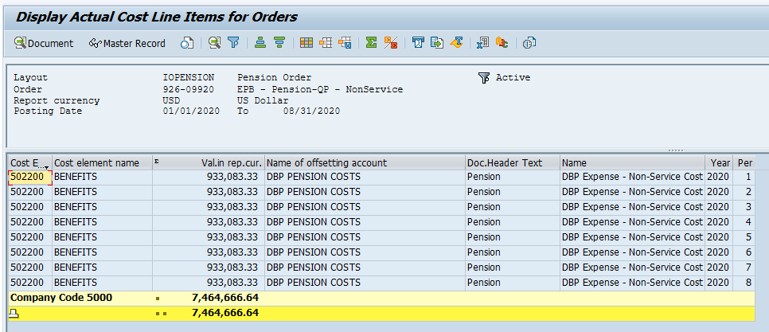
 |  |  | D-1 | DB Expense per SAP
602-02485 (Service Cost), Cost Element 506000
926-09920 (Non-Service Cost), Cost Element 502200

Run YTD. Only grab FAS 87 Expense. Remainder of expenses are professional fees and administrative costs, which are not components of FAS 87.

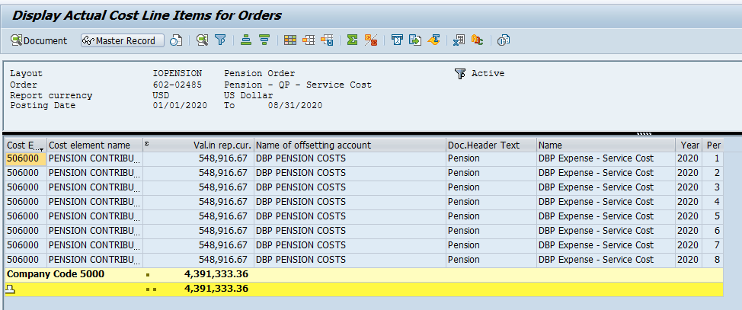
Note: Amounts are for Jan to Aug 2020

 | Service Cost | 4,391,333.36
 | Non-Service Cost | 7,464,666.64
 |  | 11,856,000.00

B - DBP True-Up
Original Monthly JE Calculation |  |  |  |  |  |  |  | August 2020 Forecast Update
NW Natural Gas Co. |  |  |  |  |  |  | Year ended December 31, 2020 | NW Natural Gas Co. |  |  |  |  |  |  | Update to year ended December 31, 2020
DBP

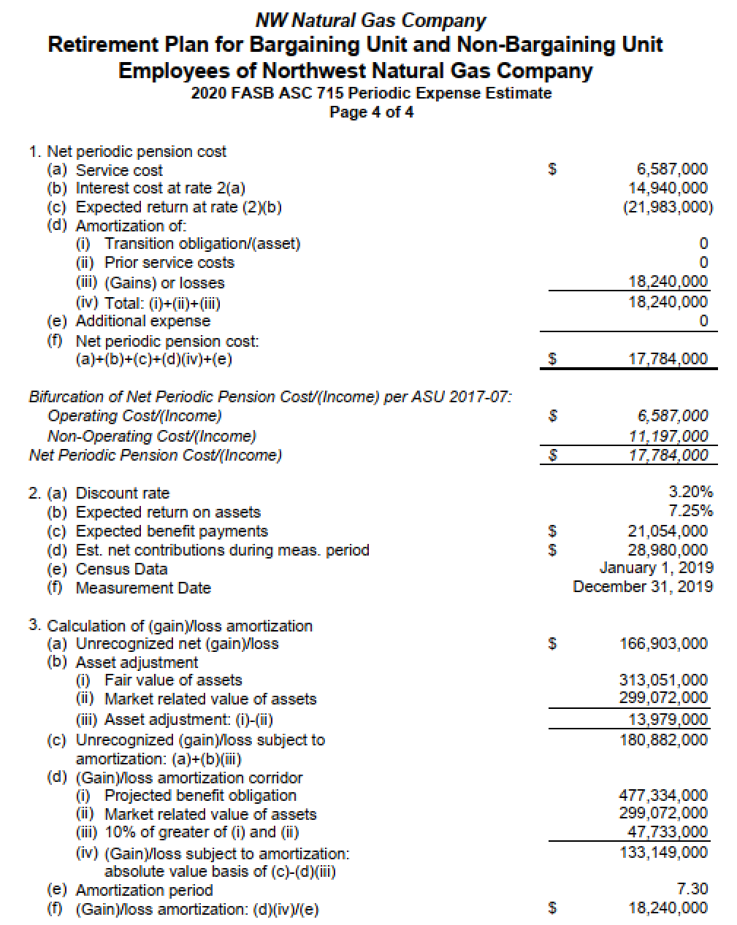
 | Account Number |  |  | Transaction Description | DR | CR |  |  | Account Number |  |  | Transaction Description | DR | CR
Clear. Acct | 506000 | 47010 | 602-02485 | DBP Expense - Service Cost | 548,916.67 |  |  | Clear. Acct | 506000 | 47010 | 602-02485 | DBP Expense - Service Cost | 9,750.00 |  |  |  | KMH Review Notes:
Pen Liab | 228304 |  |  | DBP Expense - Service Cost |  | 548,916.67 |  | Pen Liab | 228304 |  |  | DBP Expense - Service Cost |  | 9,750.00 |  |  | Agreed full year to Actuary forecast
Non-Op Exp | 502200 | 85350 | 926-09920 | DBP Expense - Non-Service Cost | 933,083.33 |  |  | Non-Op Exp | 502200 | 85350 | 926-09920 | DBP Expense - Non-Service Cost | 452,250.00 |  |  |  | Reviewed formulas & recalculated
Pen Liab | 228304 |  |  | DBP Expense - Non-Service Cost |  | 933,083.33 |  | Pen Liab | 228304 |  |  | DBP Expense - Non-Service Cost |  | 452,250.00 |  |  | w/ no exception.
Reg Asset | 186404 |  |  | DBP - Amort Actuarial GL PSC - Reg Asset |  | 1,520,000.00 |  | Reg Asset | 186404 |  |  | DBP - Amort Actuarial GL PSC - Reg Asset |  | 270,000.00
Pen Liab | 228304 |  |  | DBP - Amort Actuarial GL PSC - Reg Asset | 1,520,000.00 |  |  | Pen Liab | 228304 |  |  | DBP - Amort Actuarial GL PSC - Reg Asset | 270,000.00
Def Taxes | 283096 |  |  | Fed tax on DBP OCI |  | 297,083.00 |  | Def Taxes | 283096 |  |  | Fed tax on DBP OCI |  | 52,771.00
Def Taxes | 283097 |  |  | State tax on DBP OCI |  | 105,318.00 |  | Def Taxes | 283097 |  |  | State tax on DBP OCI |  | 18,708.00
Def Taxes | 283304 |  |  | DBP Def tax - Fed | 297,083.00 |  |  | Def Taxes | 283304 |  |  | DBP Def tax - Fed | 52,771.00
Def Taxes | 283305 |  |  | DBP Def tax - State | 105,318.00 |  |  | Def Taxes | 283305 |  |  | DBP Def tax - State | 18,708.00

 | - | Check Figure - Service + Non-Service Accrual Ties to Total |  |  |  |  |  |  | - | Check Figure - Service + Non-Service Accrual Ties to Total

 |  |  |  | Pension Expense Estimate - from Year-End Actuary Statement |  |  |  |  |  |  |  | Pension Expense Estimate - August 2020 Actuary Update
 |  |  |  | Populate Blue Cells - Remaining are recalculations. |  |  |  |  |  |  |  | Populate Blue Cells - Remaining are recalculations.
 |  |  |  |  | Full Year (Per Actuary) | Monthly Amount |  |  |  |  |  |  | Full Year (Per Actuary Updated) | Difference | Monthly Adjustment | Q3 True-Up | Q4 True-Up | Check1 | Check2
 |  |  |  | Service Cost | 6,587,000.00 | 548,916.67 |  |  |  |  |  | Service Cost | 6,600,000.00 | 13,000.00 | 1,083.33 | 9,750.00 | 3,250.00 | - | -
 |  |  |  | Interest Cost | 14,940,000.00 | 1,245,000.00 |  |  |  |  |  | Interest Cost | 15,000,000.00 | 60,000.00 | 5,000.00 | 45,000.00 | 15,000.00 | - | -
 |  |  |  | Expected Return on Assets | (21,983,000.00) | (1,831,916.67) |  |  |  |  |  | Expected Return on Assets | (21,800,000.00) | 183,000.00 | 15,250.00 | 137,250.00 | 45,750.00 | - | -
 |  |  |  | Amortization of: |  |  |  |  |  |  |  | Amortization of:
 |  |  |  | Transition (Asset)/Obligation | - | - |  |  |  |  |  | Transition (Asset)/Obligation | - | - | - | - | - | - | -
 |  |  |  | Prior Service Cost | - | - |  |  |  |  |  | Prior Service Cost | - | - | - | - | - | - | -
 |  |  |  | Net (Gain)/Loss | 18,240,000.00 | 1,520,000.00 |  |  |  |  |  | Net (Gain)/Loss | 18,600,000.00 | 360,000.00 | 30,000.00 | 270,000.00 | 90,000.00 | - | -
 |  |  |  | Total Amortization | 18,240,000.00 | 1,520,000.00 |  |  |  |  |  | Total Amortization | 18,600,000.00 | 360,000.00 | 30,000.00 | 270,000.00 | 90,000.00 | - | -

 |  |  |  | Net Periodic Pension Cost/(Income) | 17,784,000.00 | 1,482,000.00 |  |  |  |  |  | Net Periodic Pension Cost/(Income) | 18,400,000.00 | 616,000.00 | 51,333.33 | 462,000.00 | 154,000.00 | - | -

 |  |  | Deferred Tax Calculation |  |  |  |  |  |  |  | Deferred Tax Calculation
 |  |  | Assumptions - Populate Blue Cells w/ figures from Tax Dept |  |  |  |  |  |  |  | Assumptions - Populate Blue Cells w/ figures from Tax Dept
 |  |  |  |  | 2020-12-31 |  |  |  |  |  |  |  | 2020-12-31
 |  |  |  | Oregon statutory rate | 7.60% |  |  |  |  |  |  | Oregon statutory rate | 7.60%
 |  |  |  | Oregon apportionment | 88.9866% |  |  |  |  |  |  | Oregon apportionment | 88.9866%
 |  |  |  | California statutory rate | 8.84% |  |  |  |  |  |  | California statutory rate | 8.84%
 |  |  |  | California apportionment | 1.8757% |  |  |  |  |  |  | California apportionment | 1.8757%
 |  |  |  | State blended statutory rate | 6.929% | Rx |  |  |  |  |  | State blended statutory rate | 6.929% | Rx
 |  |  |  | Federal statutory rate | 21.00% |  |  |  |  |  |  | Federal statutory rate | 21.00%
 |  |  |  | Combined statutory rate | 26.4737% |  |  |  |  |  |  | Combined statutory rate | 26.4737%
 |  |  |  | Gross-up for revenue requirement | 1.360058 | Rx |  |  |  |  |  | Gross-up for revenue requirement | 1.360058 | Rx
 |  |  | Calculation |  |  |  |  |  |  |  | Calculation
 |  |  |  | DBP amortization Reg Asset | 18,240,000 |  |  |  |  |  |  | DBP amortization Reg Asset | 18,600,000

 |  |  |  | OR State tax - GL 283305 | 1,233,568 |  |  |  |  |  |  | OR State tax - GL 283305 | 1,257,915
 |  |  |  | CA State tax - GL 283305 | 30,244 |  |  |  |  |  |  | CA State tax - GL 283305 | 30,841
 |  |  |  | Federal tax - GL 283096 | 3,564,999 |  |  |  |  |  |  | Federal tax - GL 283096 | 3,635,361
 |  |  |  | Total deferred taxes, full year | 4,828,811 |  |  |  |  |  |  | Total deferred taxes, full year | 4,924,117

 |  |  |  | Rate to be recorded | 26.4737% |  |  |  |  |  |  | Rate to be recorded | 26.4737%
 |  |  |  | Check | 0.0000% |  |  |  |  |  |  | Check | 0.0000%
 |  |  |  |  |  |  |  |  |  |  |  |  |  | Monthly Difference | Q3 True-Up | Q4 True-Up | Check
 |  |  |  | Monthly - State Tax GL 283305 | 105,318 |  |  |  |  |  |  | Monthly - State Tax GL 283305 | 107,396 | 2,079 | 18,707.74 | 6,235.91 | (0)
 |  |  |  | Monthly - Federal Tax 283096 | 297,083 |  |  |  |  |  |  | Monthly - Federal Tax 283096 | 302,947 | 5,863 | 52,771.37 | 17,590.46 | -

