NetWriteoffs-Elec
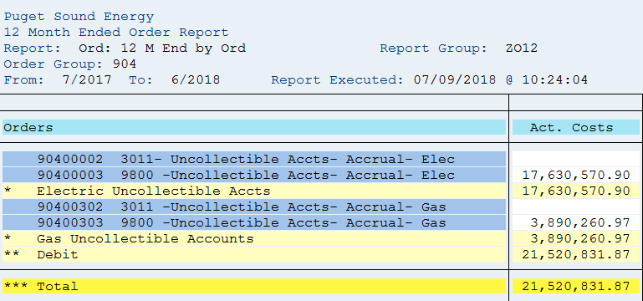
Puget Sound Energy / Net Write-Offs
Cost Element: rpt_pse: order group 904; transaction code: ZRW_ZO12
 |  | SAP SUPPORT
12ME June 2018
Orders/Accounts | Act. Costs
90400002 3011- Uncollectible Accts- Accrual- Elec
90400003 9800- Uncollectible Accts-Accrual- Elec | 17,630,571
* Electric Uncollectible Accounts | 17,630,571
90400302 3011 -Uncollectible Accts- Accrual- Gas
90400303 9800- Uncollectible Accts-Accrual-Gas | 3,890,261
* Gas Uncollectible Accounts | 3,890,261
** Debit | 21,520,832
*** Over/underabsorption | 21,520,832
Net write-off for 12ME June 2018
Electric Uncollectible Acc | 17,630,571
Plus change in 14400311 | 1,475,314
 | 19,105,885

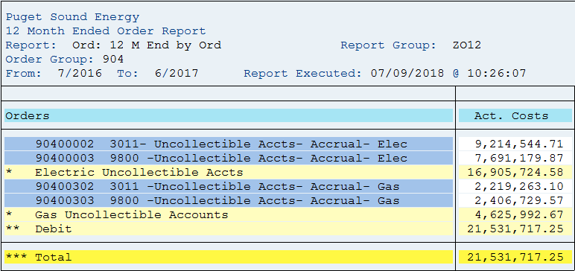
12ME June 2017
Orders/Accounts | Act. Costs
90400002 3011- Uncollectible Accts- Accrual- Elec | 9,214,545
90400003 9800- Uncollectible Accts-Accrual- Elec | 7,691,180
* Electric Uncollectible Accounts | 16,905,725
90400302 3011 -Uncollectible Accts- Accrual- Gas | 2,219,263
90400303 9800- Uncollectible Accts-Accrual-Gas | 2,406,730
* Gas Uncollectible Accounts | 4,625,993
** Debit | 21,531,717
*** Over/underabsorption | 21,531,717
Net write-off for 12ME June 2017:
Electric Uncollectible Acc | 16,905,725
Plus change in 14400311 | (534,384)
 | 16,371,341

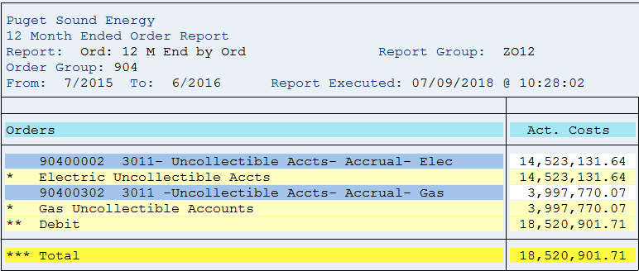
12ME June 2016
Orders/Accounts | Act. Costs
90400001 3180- Uncollectible Accts- Dir WO Elec | -
90400002 3011- Uncollectible Accts- Accrual- Elec | 14,523,132
* Electric Uncollectible Accounts | 14,523,132
90400301 3180 -Uncollectible Accts- Dir WO- Gas | -
90400302 3011 -Uncollectible Accts- Accrual- Gas | 3,997,770
* Gas Uncollectible Accounts | 3,997,770
** Debit | 18,520,902
*** Over/underabsorption | 18,520,902
Net write-off for 12ME June 2016:
Electric Uncollectible Acc | 14,523,132
Plus change in 14400311 | (457,311)
 | 14,065,820

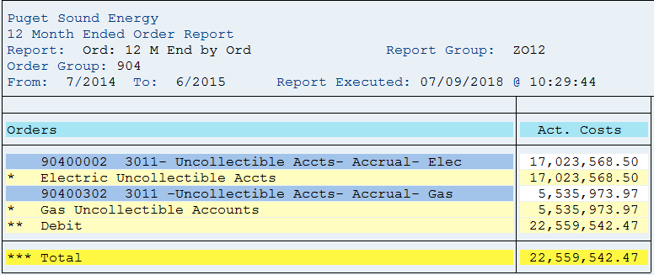
12ME June 2015
Orders/Accounts | Act. Costs
90400001 3180- Uncollectible Accts- Dir WO Elec
90400002 3011- Uncollectible Accts- Accrual- Elec | 17,023,569
* Electric Uncollectible Accounts | 17,023,569
90400301 3180 -Uncollectible Accts- Dir WO- Gas | -
90400302 3011 -Uncollectible Accts- Accrual- Gas | 5,535,974
* Gas Uncollectible Accounts | 5,535,974
** Debit | 22,559,542
*** Over/underabsorption | 22,559,542
Net write-off for 12ME June 2015:
Electric Uncollectible Acc | 17,023,569
Plus change in 14400311 | 1,003,317
 | 18,026,886

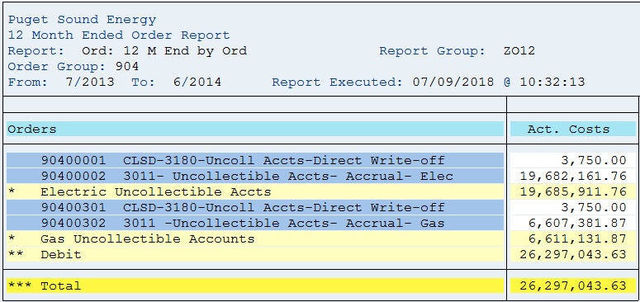
12ME June 2014
Orders/Accounts | Act. Costs
90400001 3180- Uncollectible Accts- Dir WO Elec | 3,750
90400002 3011- Uncollectible Accts- Accrual- Elec | 19,682,162
* Electric Uncollectible Accounts | 19,685,912
90400301 3180 -Uncollectible Accts- Dir WO- Gas | 3,750
90400302 3180 -Uncollectible Accts- Accrual- Gas | 6,607,382
* Gas Uncollectible Accounts | 6,611,132
** Debit | 26,297,044
*** Over/underabsorption | 26,297,044
Net write-off for 12ME June 2014:
Electric Uncollectible Acc | 19,685,912
Plus change in 14400011/14400311 | (2,752,447)
 | 16,933,464

(Note 1) Amounts are included to achieve a cash basis write-off for
rate-making purposes. The balance sheet accounts are credited when
the monthly estimated accrual is made (dr. I/S and cr. B/S), and the
accounts are debited when customer accounts are written off (dr. B/S
and cr. B/S). A negative means growth in the APUA which is a natural
credit balance account. When the balance grows, the estimated
accruals are in excess of the write-offs and the income statement
debits for the estimated accrual were too high for the period.
Therefore, the balance sheet growth is used to reduce the excess
accrual on the income statement. A positive means a reduction in the
APUA credit balance sheet account. Additionally, it means the
income statement debits for the estimated accrual were too low for
the period. Therefore, the balance sheet reduction is used to
increase the inadequate accrual on the income statement.

