detail
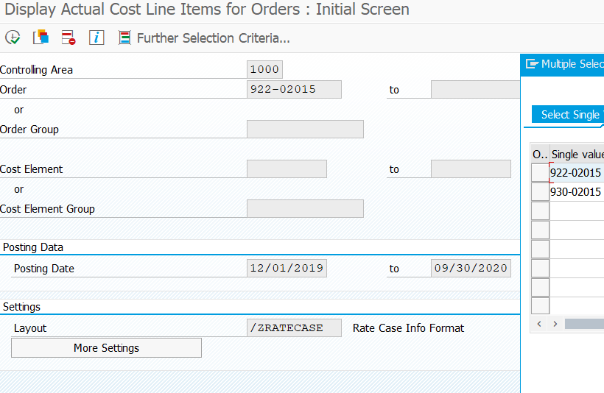
Company Code | Fiscal Year | Period | Aux. acct assignment_1 | Cost Element | Cost element name | Order | CO object name | Val.in rep.cur. | Total quantity | Offsetting acct no. | Offsetting account type | Name of offsetting account | Posting Date | Document Number | Document type | Name | Personnel Number | Document Header Text | Purchase order text | Purchasing Document
5000 | 2019 | 12 | CTR 84099 | 508400 | ADMINISTRATIVE EXPEN | 922-02015 | ADMIN EXP TRF – COMMON COST ALLOC OUT | 65,721.00 | 0.000 | 234010 | S | A/P INTERCO-HLD | 2019-12-31 | 1011032141 | SA | 2019 indrection Cost Allocation to Utility | 0 | Indirect Common Costs All
5000 | 2019 | 12 | CTR 84099 | 508400 | ADMINISTRATIVE EXPEN | 922-02015 | ADMIN EXP TRF – COMMON COST ALLOC OUT | -238,705.00 | 0.000 | 508400 | S | ADMINISTRATIVE EXPEN | 2019-12-31 | 1011032143 | SA | 2019 Indirect Cost Allocation - out | 0 | Indirect Common Costs All
5000 | 2020 | 6 | CTR 84099 | 508400 | ADMINISTRATIVE EXPEN | 922-02015 | ADMIN EXP TRF – COMMON COST ALLOC OUT | -155,867.39 | 0.000 | 508400 | S | ADMINISTRATIVE EXPEN | 2020-06-30 | 1011578647 | SA | 2020 Indirect Cost Allocation - out | 0 | Q2 Indirect Com Costs Alo
5000 | 2020 | 9 | CTR 84099 | 508400 | ADMINISTRATIVE EXPEN | 922-02015 | ADMIN EXP TRF – COMMON COST ALLOC OUT | -62,142.40 | 0.000 | 508400 | S | ADMINISTRATIVE EXPEN | 2020-09-30 | 1011860980 | SA | 2020 Indirect Cost Allocation - out | 0 | Ind Comm Costs All Q3
5000 | 2020 | 9 | CTR 84099 | 508400 | ADMINISTRATIVE EXPEN | 930-02015 | ADMIN EXP TRF - COMMON COST ALLOC IN | 92,349.59 | 0.000 | 234010 | S | A/P INTERCO-HLD | 2020-09-30 | 1011860993 | SA | 2020 Indirect Cost Allocation from HLDs - Gas | 0 | HLD Ind Com Cost All Q3
 |  |  |  |  |  |  |  | -298,644.20

