Support
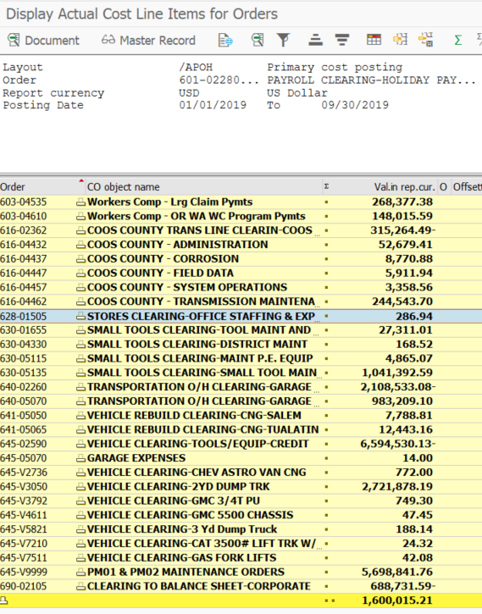
KOB1 Report
Corp 5000, Order 600-00000 through 699-99999, YTD info:
YTD |  |  |  |  | Purpose: To clear the clearing accounts on a monthly basis to B/S until year-end when it's released to the P&L.
 |  |  |  |  | Background: The majority of the clearing accounts are health benefit related and health benefit clearing accounts are highly monitored. Heath Benefits are paid at different times through out the year to which the employee uses each month. Therefore, NWN estimates a full year of health benefits an employee will receive during the year and evenly applies a rate based on an employees activity type each pay period via HCM which is pushed down to SAP FI/CO. Quarterly, health benefits are reviewed to determine the variance between actual and estimated costs to determine if an adjusting manual journal entry is required to true-up the costs before year-end.

 |  | Adjustment to Zero Out 600-699 | $1,600,015.21 | Enter as the same sign as the SAP report above; JE will map to correct DR / CR

 | QTR - Prepare after Bonus Accrual…

