Support
KOB1 Report
Corp 5000, Order 600-00000 through 699-99999, YTD info (the summary tab is month to date. MTD and YTD numbers should be the same):
 |  |  |  | Purpose: To clear the clearing accounts on a monthly basis to B/S until year-end when it's released to the P&L.
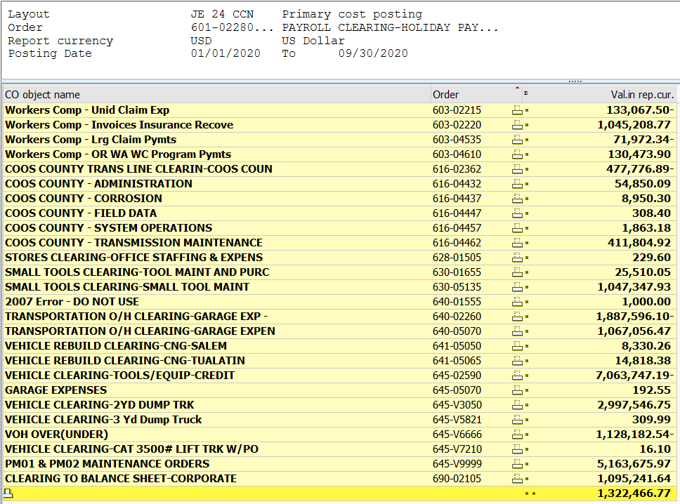
 |  |  |  | Background: The majority of the clearing accounts are health benefit related and health benefit clearing accounts are highly monitored. Heath Benefits are paid at different times through out the year to which the employee uses each month. Therefore, NWN estimates a full year of health benefits an employee will receive during the year and evenly applies a rate based on an employees activity type each pay period via HCM which is pushed down to SAP FI/CO. Quarterly, health benefits are reviewed to determine the variance between actual and estimated costs to determine if an adjusting manual journal entry is required to true-up the costs before year-end.

 |  |  |  | Conclusion: Using this page to agree total amount only. Starting June 2020. VOH will have its own process. As such, JE 24 will have two entries. See summary for further details.

 | Adjustment to Zero Out 600-699 | $1,322,466.77 | Enter as the same sign as the SAP report above

 | VOH | 246,508.22
 | COH | $1,075,958.55

Summary
 | Payroll Overhead Clearing
 | Q2 POH meeting was held on 6/30/2020 with several adjustments posted. See JE 24-1 June for further details. There is a summary under comments on this page as well. The below summary reflects the POH's with those adjustments included
 | Q3 POH meeting will be scheduled in Sept 2020 by Angela Candena, Finance and Budget, to discuss the over unders from Jan - August 2020.
 |  |  | Month |  |  |  |  |  |  |  |  |  |  |  | for analysis purposes only |  |  |  |  |  |  |  | Month
 | Variance Summary: |  | 1 | 2 | 3 | 4 | 5 | 6 | 7 | 8 | 9 | 2020 YTD |  |  | PY through Sept | Variance | Comments |  |  |  |  |  | 1 | 2 | 3 | 4 | 5 | 6 | 7 | 8 | 9 | 10 | 11 | 12 | 2019 YTD
 |  | Payroll Overheads (POH):
 |  | Health Total | 596,898.37 | 99,775.97 | (19,877.81) | (9,334.77) | (75,669.11) | (242,482.65) | (19,596.62) | (39,027.53) | (148,243.23) | 142,442.62 | A |  | (264,490) | (406,933) | Took an adjustment in Q2 of $200k and Q3 $100k. Continue to monitor |  |  |  |  | Health Total | (119,227) | 78,229 | 2,833 | (39,882) | (143,405) | 53,557 | (75,040) | (11,142) | (10,414) | (101,365) | (10,369) | 376,820 | 595
 |  | Pension Total | (40,018.61) | 54,310.61 | (45,490.43) | (40,216.44) | 4,940.11 | 66,592.36 | (3,443.29) | (52,027.18) | 55,352.94 | 0.07 | B |  | 13,432 | 13,432 | Took an adjustment in Q2 of $75k and Q3 $61k. |  |  |  |  | Pension Total | (53,391) | 44,409 | (17,076) | (3,402) | (34,128) | 18,712 | 19,739 | (6,194) | 44,765 | (17,895) | 216,905 | (27,109) | 185,333
 |  | Pension-Defined Contribution (Enhanced 401K) | (57,325.86) | 153,062.02 | 30,377.55 | (50,942.01) | (510.78) | (48,440.75) | (55,773.99) | (44,681.04) | (47,536.84) | (121,771.70) | C |  | 166,486 | 288,257 | No adjustment taken Q1 or Q2 |  |  |  |  | Pension-Defined Contribution (Enhanced 401K) | 566 | 209,019 | 57,701 | 8,017 | 4,906 | (146,311) | 5,811 | 9,729 | 17,050 | 12,858 | 20,162 | 63,121 | 262,626
 |  | Deferred Comp/401K Match | (62,554.95) | 288,475.70 | 100,532.23 | (47,924.42) | 36,148.14 | (126,596.01) | (53,289.76) | (36,043.30) | (39,121.60) | 59,626.03 | C |  | 245,931 | 186,305 | Took an adjustment in Q2 of $125k. Q3 no ADJ |  |  |  |  | Deferred Comp/401K Match | (48,729) | 302,967 | 72,170 | (31,443) | (40,970) | 77,178 | (46,774) | (17,809) | (20,659) | (35,805) | (18,089) | 42,581 | 234,617
 |  | OPEB Total | 87,964.08 | (106,526.93) | 93,219.60 | (5,730.68) | (107,013.81) | 38,087.41 | (6,511.09) | 76,335.79 | (69,824.37) | - | D |  | 87,233 | 87,233 | Took an adjustment in Q2 of $45k. Q3 adj of ($15k) |  |  |  |  | OPEB Total | 91,426 | (76,501) | 10,443 | 10,390 | 10,680 | 9,865 | 10,586 | 10,308 | 10,037 | 10,658 | (69,591) | 10,765 | 39,065
 |  | Western States Total | 98,950.21 | (43,847.76) | (46,904.11) | 99,142.05 | (46,035.69) | (61,421.58) | 97,314.57 | (46,197.36) | (51,000.75) | (0.42) | E |  | (14,762) | (14,762) | Took an adjustment in Q2 of $15k and Q3 $3.7k |  |  |  |  | Western States Total | 92,788 | (46,111) | (50,851) | 94,992 | (52,095) | (48,188) | 94,084 | (50,323) | (49,058) | 93,678 | (50,217) | (52,449) | (23,750)
 |  | Workers Comp Total | (4,957.90) | 2,814.41 | 36,681.40 | (21,825.23) | 20,125.08 | (35,605.29) | (113,137.38) | 3,743.16 | 12,582.06 | (99,579.69) | F |  | 257,958 | 357,538 | Increase due to $98k fund payment to Mbenefits |  |  |  |  | Workers Comp Total | 36,742 | 77,429 | 71,472 | 242,798 | (46,591) | (43,006) | (64,449) | (38,775) | 22,338 | 2,702 | 212,662 | (23,139) | 450,183
 |  | Subtotal for quarterly POH review | 618,955.34 | 448,064.02 | 148,538.43 | (76,831.50) | (168,016.06) | (409,866.51) | (154,437.56) | (137,897.46) | (287,791.79) | (19,283.09) |  |  | 491,788 | 511,071 |  |  |  |  |  | Subtotal | 174 | 589,440 | 146,692 | 281,470 | (301,604) | (78,195) | (56,042) | (104,207) | 14,058 | (35,170) | 301,462 | 390,589 | 1,148,668.0

 |  | Bonus Total | (667,753.21) | (634,832.23) | 1,302,586.44 | (680,133.69) | (667,687.41) | 1,347,821.11 | (694,183.22) | (669,567.13) | 1,363,750.34 | 1.00 | Imm, $1 Bonus cleared out to zero |  |  |  |  |  |  |  |  | Small tools/tran/vehicles | 208,721 | 208,816 | 281,134 | 244,320 | 146,736 | 70,163 | 228,895 | 193,491 | 215,029 | 182,707 | 114,202 | (2,094,215) | 0
 |  | Coos County | - | - | - | - | - | - | - | - | (0.00) | (0.00) | Coos Bay Zero
 |  | POH/Other Net Clearing | (85,751.33) | 116,794.78 | (1,455,850.40) | 667,784.47 | 713,695.88 | (517,518.13) | 848,620.78 | 807,464.59 |  | 1,095,240.64
 |  |  |  |  |  |  |  |  |  |  |  | 1,075,958.55 | To JE POH |  |  |  |  |  |  |  |  | Bonus Total | (732,597) | (654,578) | 1,387,173 | (696,967) | (714,333) | 1,433,186 | (707,914) | (685,243) | 1,371,274 | (704,831) | (685,001) | 1,389,832 | (0)
 |  | Vehicle Overheads (VOH) |  |  |  |  |  |  |  |  |  |  |  |  |  |  |  |  |  |  |  | Coos County | (0) | (0) | (0) | (0) | 0 | 0 | (0) | (0) | 0 | 0 | - | - | 0
 |  | Small tools/tran/vehicles (Over/Under) | 134,549.20 | 69,973.43 | 4,725.53 | 89,180.72 | 122,007.59 | 485,581.18 | 127,187.00 | 94,977.75 | 246,508.22 | 1,374,690.62

 |  | VOH Net Clearing | - | - | - | - | - | (906,017.65) | (127,187.00) | (94,977.75) | - | (1,128,182.40)
 |  |  |  |  |  |  |  |  |  |  |  |  |  |  |  |  |  |  |  |  |  | Clearing | 523,702 | (143,678) | (1,815,001) | 171,178 | 869,203 | (1,425,155) | 535,061 | 595,959 | (1,600,361) | 557,295 | 269,337 | 313,793 | (1,148,668)
 |  | Total | - | 0.00 | (0.00) | - | (0.00) | - | 0.00 | (0.00) | 1,322,466.77 | 246,508.22 | To JE VOH JE
 |  |  |  |  |  | Ties to screenshot and JE |  |  |  |  | Agrees to SAP
 |  |  |  |  |  |  |  |  |  |  |  |  |  |  |  |  |  |  |  |  |  | Total | 0 | 0 | (2) | 0 | 2 | 0 | 0 | 0 | 0 | - | 0 | (0) | 0.01

Category | Order | CO object name | 1 | 2 | 3 | 4 | 5 | 6 | 7 | 8 | 9 | Grand Total |  |  | See JE 24-1 for further details: |  |  |  |  | Category | Order | CO object name | 1 | 2 | 3 | 4 | 5 | 6 | 7 | 8 | 9 | 10 | 11 | 12 | Grand Total
Health | 602-02005 | Health - Employee Addl Life Insurance | 17,690 | 12,408.95 | 12,984.27 | 13,276.77 | 7,920.10 | 13,153.35 | 16,233.40 | 13,637.47 | 13,645.40 | 120,950 |  |  |  |  |  |  |  | Health | 602-02005 | Health - Employee Addl Life Insurance | 12,589 | 12,075 | 18,191 | 13,110 | 13,177 | 8,496 | 12,136 | 17,451 | 12,698 | 12,680 | 12,192 | 7,290 | 152,084
 | 602-02060 | Health - NBU Medical Insurance | 849,284 | 875,522.15 | 855,672.81 | 858,744.07 | 845,685.02 | 862,924.13 | 881,452.77 | 863,483.17 | 873,621.61 | 7,766,389 |  | A | (ADJ Booked) Health cost has an YTD under accrual of $242k. During the first half of the year we expected to see the balance of $551k related to health savings unwind and it has not. We have a known timing difference of $138k ($551/4) related to the H.S.A. invoice let for Q4. During Q3, due to the FTE count be lower than budgeted the accrued health has increased but us in an small over accrual. In Q2, we adjusted $200k and based on historical data and known differences, we will adjusted this account this account $100k debiting O&M. We will continue to monitor through-out October and November for any significant changes. |  |  |  |  |  | 602-02060 | Health - NBU Medical Insurance | 790,907 | 801,245 | 808,346 | 794,180 | 790,237 | 741,536 | 790,862 | 810,589 | 798,064 | 800,655 | 823,162 | 793,947 | 9,543,730
 | 602-02400 | Health - BU Medical Insurance | 819,983 | 774,819.39 | 774,633.70 | 763,843.16 | 698,781.03 | 746,118.96 | 790,686.28 | 730,693.08 | 755,355.85 | 6,854,915 |  |  |  |  |  |  |  |  | 602-02400 | Health - BU Medical Insurance | 743,726 | 745,619 | 812,387 | 736,763 | 737,338 | 677,929 | 739,335 | 779,784 | 742,518 | 720,243 | 768,787 | 710,682 | 8,915,110
 | 602-02530 | Retired BU Health – Non OPEB | 57,504 | 59,649.84 | 63,757.93 | 60,094.64 | 59,891.34 | 60,836.40 | 63,596.73 | 64,645.66 | 64,013.70 | 553,990 |  |  |  |  |  |  |  |  | 602-02530 | Retired BU Health – Non OPEB | 58,115 | 56,328 | 57,455 | 58,845 | 45,713 | 63,080 | 57,688 | 61,124 | 59,765 | 63,786 | 56,786 | 64,155 | 702,840
 | 602-04580 | OTHER BENEFITS | 564,206 | (13,375.23) | (5,728.55) | 23,228.75 | 1,803.45 | (6,183.81) | 703.10 | (15,882.33) | (17,616.64) | 531,155 |  |  |  |  |  |  |  |  | 602-04580 | OTHER BENEFITS | 15,594 | (15,729) | (19,293) | 23,847 | (19,500) | 99,682 | 21,162 | (24,996) | (9,439) | 9,213 | (19,642) | 524,858 | 585,758
 | Expense |  | 2,308,666 | 1,709,025.10 | 1,701,320 | 1,719,187 | 1,614,081 | 1,676,849 | 1,752,672 | 1,656,577 | 1,689,020 | 15,827,398 |  |  |  |  |  |  |  |  | Expense |  | 1,620,931 | 1,599,538 | 1,677,085 | 1,626,746 | 1,566,966 | 1,590,723 | 1,621,184 | 1,643,952 | 1,603,606 | 1,606,576 | 1,641,285 | 2,100,932 | 19,899,523
 | 602-02275 | HEALTH/LIFE INSURANCE - CONTRA | (1,711,768) | (1,609,249.13) | (1,721,197.97) | (1,728,522.16) | (1,689,750.05) | (1,919,331.68) | (1,772,268.90) | (1,695,604.58) | (1,837,263.15) | (15,684,956) |  |  |  |  |  |  |  |  | 602-02275 | HEALTH/LIFE INSURANCE - CONTRA | (1,740,158) | (1,521,309) | (1,674,252) | (1,666,628) | (1,710,371) | (1,537,166) | (1,696,223) | (1,655,094) | (1,614,020) | (1,707,941) | (1,651,654) | (1,724,112) | (19,898,928)
 | Contra |  | (1,711,768) | (1,609,249.13) | (1,721,198) | (1,728,522) | (1,689,750) | (1,919,332) | (1,772,269) | (1,695,605) | (1,837,263) | (15,684,956) |  |  |  |  |  |  |  |  | Contra |  | (1,740,158) | (1,521,309) | (1,674,252) | (1,666,628) | (1,710,371) | (1,537,166) | (1,696,223) | (1,655,094) | (1,614,020) | (1,707,941) | (1,651,654) | (1,724,112) | (19,898,928)
Health Total |  |  | 596,898 | 99,775.97 | (19,878) | (9,335) | (75,669) | (242,483) | (19,597) | (39,028) | (148,243) | 142,443 |  | B | (ADJ Booked) Pension service cost has an YTD over accrual of $61k. This specific account has payments which are made on a quarterly basis that can easily be projected over the course of a year. As such, there as an adjustment related to Q2 will be the actual amount of $74,972. During Q3 and there will be an another adjustment for $61k to credit O&M. We were evaluating our POH’s over/under and were expecting to see a portion of the expense increase in the pension & OPEB service cost POHs. We will continue to monitor through-out October and November for any significant changes. |  |  |  |  | Health Total |  |  | (119,227) | 78,229 | 2,833 | (39,882) | (143,405) | 53,557 | (75,040) | (11,142) | (10,414) | (101,365) | (10,369) | 376,820 | 595
Pension | 602-02485 | Pension - QP - Service Cost | 557,254 | 616,133.66 | 555,361.38 | 563,167.95 | 594,800.99 | 591,826.83 | 590,688.04 | 539,974.83 | 600,455.83 | 5,209,663 |  |  |  |  |  |  |  | Pension | 602-02485 | Pension - QP - Service Cost | 493,612 | 523,511 | 509,100 | 520,183 | 503,037 | 517,700 | 552,531 | 513,370 | 551,608 | 518,046 | 735,410 | 513,844 | 6,451,953
 |  |  | - | - | - | - | 116.72 | - | 24,380.00 | - | - | 24,497
 | 602-02490 | Pension - QP - POH Contra - Service Cost | (597,272) | (561,823.05) | (600,851.81) | (603,384.39) | (589,977.60) | (525,234.47) | (618,511.33) | (592,002.01) | (545,102.89) | (5,234,160) |  |  |  |  |  |  |  |  | 602-02490 | Pension - QP - POH Contra - Service Cost | (547,004) | (479,103) | (526,176) | (523,586) | (537,165) | (498,989) | (532,792) | (519,564) | (506,843) | (535,941) | (518,505) | (540,953) | (6,266,620)
Pension Total |  |  | (40,019) | 54,311 | (45,490) | (40,216) | 4,940 | 66,592 | (3,443) | (52,027) | 55,353 | 0 |  |  |  |  |  |  |  | Pension Total |  |  | (53,391) | 44,409 | (17,076) | (3,402) | (34,128) | 18,712 | 19,739 | (6,194) | 44,765 | (17,895) | 216,905 | (27,109) | 185,333
401k | 602-02120 | Defd Comp - EDC Supp Match | 2,346 | 2,346.29 | 42,729.48 | 8,701.08 | 9,329.22 | 11,110.20 | 11,351.27 | 13,748.30 | 14,746.53 | 116,409 |  |  |  |  |  |  |  | 401k | 602-02120 | Defd Comp - EDC Supp Match | 3,656 | 2,221 | 38,202 | 8,800 | 8,830 | 10,757 |  | 26,093 | 12,868 | 13,640 | 13,680 | 14,631 | 153,377
 | 602-02190 | 401k MATCH | 357,912 | 685,837.86 | 484,027.33 | 369,553.12 | 446,483.06 | 411,733.00 | 372,170.19 | 371,032.43 | 378,382.42 | 3,877,131 |  |  |  |  |  |  |  |  | 602-02190 | 401k MATCH | 314,071 | 623,124 | 389,317 | 310,325 | 312,988 | 400,673 | 309,845 | 302,111 | 304,601 | 309,329 | 315,330 | 390,677 | 4,282,391
 | 602-02195 | ENHANCED 401k | 221,297 | 416,077.47 | 310,934.56 | 229,666.81 | 275,588.85 | 230,976.87 | 231,979.49 | 232,209.90 | 238,164.00 | 2,386,895 |  |  |  |  |  |  |  |  | 602-02195 | ENHANCED 401k | 194,367 | 379,657 | 245,739 | 193,377 | 196,846 | 230,465 | 194,358 | 192,562 | 195,759 | 202,494 | 203,649 | 254,866 | 2,684,140
 | Expense |  | 581,555 | 1,104,261.62 | 837,691 | 607,921 | 731,401 | 653,820 | 615,501 | 616,991 | 631,293 | 6,380,435 |  | C | (No Adjustment needed) 401k enhanced and match have a YTD net over accrual of $62k. with the highering freeze 401k Enhanced is over accrued. During Q2 we adjusted for the 401k match based on historical trends and data. This amount is immaterial and we will not adjust during Q3. We will continue to monitor through-out October and November for any significant changes. |  |  |  |  |  | Expense |  | 512,094 | 1,005,002 | 673,258 | 512,502 | 518,663 | 641,895 | 504,203 | 520,766 | 513,227 | 525,463 | 532,659 | 660,173 | 7,119,907
 | 602-02200 | 401k Match - POH Contra | (422,813) | (399,708.45) | (426,224.58) | (426,178.62) | (419,664.14) | (549,439.21) | (436,811.22) | (420,824.03) | (432,250.55) | (3,933,914) |  |  |  |  |  |  |  |  | 602-02200 | 401k Match - POH Contra | (366,456) | (322,378) | (355,349) | (350,568) | (362,788) | (334,253) | (356,619) | (346,012) | (338,128) | (358,774) | (347,099) | (362,727) | (4,201,151)
 | 602-02205 | Enhanced 401k - POH Contra | (278,623) | (263,015.45) | (280,557.01) | (280,608.82) | (276,099.63) | (279,417.62) | (287,753.48) | (276,890.94) | (285,700.84) | (2,508,667) |  |  |  |  |  |  |  |  | 602-02205 | Enhanced 401k - POH Contra | (193,802) | (170,638) | (188,038) | (185,361) | (191,940) | (376,776) | (188,547) | (182,834) | (178,709) | (189,636) | (183,487) | (191,745) | (2,421,513)
 | Contra |  | (701,436) | (662,723.90) | (706,782) | (706,787) | (695,764) | (828,857) | (724,565) | (697,715) | (717,951) | (6,442,581) |  |  |  |  |  |  |  |  | Contra |  | (560,258) | (493,016) | (543,387) | (535,928) | (554,728) | (711,029) | (545,166) | (528,846) | (516,837) | (548,410) | (530,587) | (554,472) | (6,622,664)
401k Total |  |  | (119,881) | 441,537.72 | 130,910 | (98,866) | 35,637 | (175,037) | (109,064) | (80,724) | (86,658) | (62,146) |  |  |  |  |  |  |  | 401k Total |  |  | (48,164) | 511,986 | 129,871 | (23,426) | (36,064) | (69,134) | (40,963) | (8,080) | (3,610) | (22,947) | 2,073 | 105,702 | 497,243
OPEB | 602-02300 | OPEB - Implicit Subsidy Exp | (27,679) | (27,678.50) | (27,678.50) | (27,678.50) | (27,678.50) | (27,678.50) | (27,678.50) | (27,678.50) | (27,678.50) | (249,107) |  |  |  |  |  |  |  | OPEB | 602-02300 | OPEB - Implicit Subsidy Exp | (23,303) | (23,303) | (23,303) | (23,303) | (23,303) | (23,303) | (23,303) | (23,303) | (23,303) | (23,303) | (75,811) | (23,303) | (332,142)
 | 602-02510 | OPEB - Retired BU Life Insurance | 5,070 | 5,069.82 | 5,069.82 | 5,069.82 | 5,071.32 | 5,071.32 | 5,123.99 | 5,123.99 | 5,123.99 | 45,794 |  |  |  |  |  |  |  |  | 602-02510 | OPEB - Retired BU Life Insurance | 5,191 | 5,191 | 5,379 | 4,982 | 5,200 | 5,199 | 5,039 | 5,039 | 5,039 | 5,039 | 5,042 | 5,042 | 61,384
 | 602-02535 | OPEB - Retired NBU Life Insurance | 8,532 | 8,531.75 | 8,531.75 | 8,531.75 | 8,558.16 | 8,558.16 | 8,264.82 | 8,293.11 | 8,293.11 | 76,094 |  | D | (ADJ Booked) OPEB has a YTD over accrual $16k. Based on historical data and research we noted the three accounts below account for the year end adjustment. These costs are very predictable. To stay consistent with the prior period we will adjust for Q3 and continue to monitor during October and November. |  |  |  |  |  | 602-02535 | OPEB - Retired NBU Life Insurance | 8,023 | 8,023 | 8,023 | 8,023 | 8,023 | 8,023 | 8,465 | 8,465 | 8,465 | 8,465 | 8,465 | 8,465 | 98,927
 | 602-02540 | OPEB - Retired NBU Health Insurance | 113,928 | 130,864.21 | 103,170.03 | 122,211.91 | 118,966.58 | 114,508.24 | 120,151.93 | 116,345.40 | 109,702.75 | 1,049,849 |  | - |  |  |  |  |  |  | 602-02540 | OPEB - Retired NBU Health Insurance | 116,977 | 116,568 | 124,295 | 124,014 | 112,479 | 110,897 | 96,546 | 114,891 | 95,440 | 108,424 | 91,367 | 69,676 | 1,281,573
 | 602-02585 | FAS106 OPEB - Service Cost | 15,699 | 21,250.00 | 21,250.00 | 21,250.00 | 21,250.00 | 21,250.00 | 21,250.00 | 21,250.00 | 25,000.00 | 189,449 |  |  |  |  |  |  |  |  | 602-02585 | FAS106 OPEB - Service Cost | 17,188 | 22,583 | 22,583 | 22,583 | 22,583 | 22,583 | 22,583 | 22,583 | 22,583 | 22,583 | (4,786) | 22,583 | 238,235
 | Expense |  | 88,044 | (106,451.98) | 93,300 | (5,650) | 126,168 | 121,709 | 127,112 | 123,334 | 120,441 | 688,006 |  |  |  |  |  |  |  |  | Expense |  | 79,822 | (86,657) | (720) | (719) | (719) | (719) | (719) | (719) | (719) | (719) | (80,597) | (719) | (93,907)
 | 602-02548 | OPEB - Premium Paid Contra | (27,507) | (244,489.26) | (17,043.32) | (135,035.14) | (233,102.68) | (128,137.72) | (133,540.74) | (46,919.24) | (205,963.11) | (1,171,738) |  |  |  |  |  |  |  |  | 602-02548 | OPEB - Premium Paid Contra | (44,254) | (215,719) | (137,697) | (137,019) | (125,702) | (124,119) | (110,050) | (128,395) | (108,944) | (121,928) | (104,874) | (83,183) | (1,441,884)
 | 602-02590 | FAS106 OPEB - POH Contra - Service Cost | (80) | (74.95) | (80.18) | (80.52) | (78.69) | 44,515.91 | (82.59) | (78.97) | 15,697.39 | 59,658 |  |  |  |  |  |  |  |  | 602-02590 | FAS106 OPEB - POH Contra - Service Cost | 11,604 | 10,155 | 11,163 | 11,110 | 11,399 | 10,584 | 11,306 | 11,028 | 10,756 | 11,377 | 11,005 | 11,484 | 132,971
 | Contra |  | (27,586) | (244,564) | (17,124) | (135,116) | (233,181) | (83,622) | (133,623) | (46,998) | (190,266) | (1,112,080) |  | E | (ADJ Booked) Western States has an YTD under accrual of $4k. This specific account has payments which are made on a quarterly basis that can easily be projected over the course of a year. To stay consistent with the prior period we will adjust for Q3 and continue to monitor during October and November. |  |  |  |  |  | Contra |  | (32,650) | (205,564) | (126,534) | (125,909) | (114,303) | (113,534) | (98,745) | (117,367) | (98,188) | (110,551) | (93,869) | (71,699) | (1,308,913)
OPEB Total |  |  | 87,964.08 | (106,526.93) | 93,220 | (5,731) | (107,014) | 38,087 | (6,511) | 76,336 | (69,824) | 0 |  |  |  |  |  |  |  | OPEB Total |  |  | 91,426 | (76,501) | 10,443 | 10,390 | 10,680 | 9,865 | 10,586 | 10,308 | 10,037 | 10,658 | (69,591) | 10,765 | 39,065
Western States | 602-02470 | Pension - QP - Expense |  |  |  |  |  |  |  |  |  |  |  |  |  |  |  |  |  | Western States | 602-02470 | Pension - QP - Expense |  |  |  |  | (113) |  |  |  |  |  |  | - | (113)
 | 602-02472 | WESTERN STATES PENSION | 145,629 | - | - | 146,248.42 | - | - | 145,629.00 | - | - | 437,506 |  |  |  |  |  |  |  |  | 602-02472 | WESTERN STATES PENSION | 145,629 |  |  | 145,629 |  |  | 145,629 |  |  | 145,629 | - | - | 582,516
 | Expense |  | 145,629 | - | - | 146,248 | - | - | 145,629 | - | - | 437,506 |  |  |  |  |  |  |  |  | Expense |  | 145,629 |  |  | 145,629 | (113) |  | 145,629 |  |  | 145,629 | - | - | 582,403
 | 602-02480 | Western States - POH Contra | (46,679) | (43,847.76) | (46,904.11) | (47,106.37) | (46,035.69) | (61,421.58) | (48,314.43) | (46,197.36) | (51,000.75) | (437,507) |  |  |  |  |  |  |  |  | 602-02480 | Western States - POH Contra | (52,841) | (46,111) | (50,851) | (50,637) | (51,982) | (48,188) | (51,545) | (50,323) | (49,058) | (51,951) | (50,217) | (52,449) | (606,154)
 | Contra |  | (46,679) | (43,848) | (46,904) | (47,106) | (46,036) | (61,422) | (48,314) | (46,197) | (51,001) | (437,507) |  |  |  |  |  |  |  |  | Contra |  | (52,841) | (46,111) | (50,851) | (50,637) | (51,982) | (48,188) | (51,545) | (50,323) | (49,058) | (51,951) | (50,217) | (52,449) | (606,154)
Western States Total |  |  | 98,950 | (43,848) | (46,904) | 99,142 | (46,036) | (61,422) | 97,315 | (46,197) | (51,001) | (0) |  | F | (No Adjustment needed) Workers' comp has a YTD under accrual of $94k. We investigated the difference and there was no significant findings to warrant an adjustment. This account by nature has an unpredictable out come and is difficult to forecast. To stay consistent with the prior period we will not adjust for Q3 and continue to monitor during Oct and Nov. |  |  |  |  | Western States Total |  |  | 92,788 | (46,111) | (50,851) | 94,992 | (52,095) | (48,188) | 94,084 | (50,323) | (49,058) | 93,678 | (50,217) | (52,449) | (23,750)
Workers Comp | 603-02215 | Workers Comp - Unid Claim Exp | (24,647) | (41,207.64) | 56,043.70 | (94,614.09) | 13,822.54 | 8,201.87 | (88,893.64) | (20,745.19) | 58,971.53 | (133,068) |  |  |  |  |  |  |  | Workers Comp | 603-02215 | Workers Comp - Unid Claim Exp | 32,635 | 47,106 | 62,385 | 75,647 | (26,896) | (31,700) | (48,338) | (18,872) | 25,622 | (29,363) | 181,242 | (54,541) | 214,927
 | 603-02220 | Workers Comp - Invoices Insurance Recove | 113,591 | 113,026.95 | 104,444.47 | 177,646.50 | 115,653.75 | 91,647.77 | 136,962.90 | 126,429.63 | 65,806.01 | 1,045,209 |  |  |  |  |  |  |  |  | 603-02220 | Workers Comp - Invoices Insurance Recove | 93,302 | 90,595 | 77,683 | 235,953 | 31,101 | 98,135 | 101,034 | 99,989 | 100,266 | 107,787 | 118,940 | 131,212 | 1,285,998
 | 603-04535 | Workers Comp - Lrg Claim Pymts | 13,030 | 27,948.62 | (19,600.74) | (1,942.47) | (7,485.86) | (31,911.57) | (47,650.88) | 827.50 | (5,186.61) | (71,972) |  |  |  |  |  |  |  |  | 603-04535 | Workers Comp - Lrg Claim Pymts | 26,261 | 42,447 | 47,586 | 38,521 | 68,426 | 47,548 | (375) | (7,739) | 5,702 | 39,192 | 25,450 | 18,842 | 351,862
 | 603-04610 | Workers Comp - OR WA WC Program Pymts | 11,992 | 15,335.52 | 15,437.53 | 16,506.58 | 15,959.14 | 15,419.71 | 9,014.30 | 15,369.16 | 15,440.08 | 130,474 |  | Net POH's | (19,283) |  |  |  |  |  | 603-04610 | Workers Comp - OR WA WC Program Pymts | 19,277 | 15,230 | 15,277 | 21,834 | 15,367 | 15,816 | 14,684 | 15,284 | 15,247 | 17,895 | 15,282 | 15,830 | 197,023
 | Expense |  | 113,966 | 115,103.45 | 156,325 | 97,597 | 137,950 | 83,358 | 9,433 | 121,881 | 135,031 | 970,643 |  | Bonus - not yet expensed | 1 |  |  |  |  |  | Expense |  | 171,476 | 195,378 | 202,931 | 371,955 | 87,998 | 129,799 | 67,005 | 88,663 | 146,837 | 135,511 | 340,916 | 111,343 | 2,049,810
 | 602-02630 | Workers Comp - POH Contra | (118,924) | (112,289.04) | (119,643.56) | (119,421.75) | (117,824.49) | (118,963.07) | (122,570.06) | (118,137.94) | (122,448.95) | (1,070,223) |  |  |  |  |  |  |  |  | 602-02630 | Workers Comp - POH Contra | (134,733) | (117,949) | (131,459) | (129,157) | (134,589) | (172,805) | (131,454) | (127,438) | (124,498) | (132,809) | (128,253) | (134,482) | (1,599,628)
 | Contra |  | (118,924) | (112,289.04) | (119,644) | (119,422) | (117,824) | (118,963) | (122,570) | (118,138) | (122,449) | (1,070,223) |  | Net position in account | (19,282.09) |  |  |  |  |  | Contra |  | (134,733) | (117,949) | (131,459) | (129,157) | (134,589) | (172,805) | (131,454) | (127,438) | (124,498) | (132,809) | (128,253) | (134,482) | (1,599,628)
Workers Comp Total |  |  | (4,958) | 2,814.41 | 36,681 | (21,825) | 20,125 | (35,605) | (113,137) | 3,743 | 12,582 | (99,580) |  |  |  |  |  |  |  | Workers Comp Total |  |  | 36,742 | 77,429 | 71,472 | 242,798 | (46,591) | (43,006) | (64,449) | (38,775) | 22,338 | 2,702 | 212,662 | (23,139) | 450,183
Bonus | 602-02365 | Bonus BU Key Goals - POH Contra | - | - | 1.00 | - | - |  |  |  |  | 1 |  |  |  |  |  |  |  | Bonus | 602-02365 | Bonus BU Key Goals - POH Contra | (65,617) | (57,534) | 123,148 | (62,938) | (66,385) | 119,765 | (64,056) | (61,762) | 135,379 | (64,876) | (62,587) | 127,463 | -
 | 602-02475 | Bonus NBU Performance - POH Contra | (667,753) | (634,832.23) | 1,302,585.44 | (680,133.69) | (667,687.41) | 1,347,821.11 | (694,183.22) | (669,567.13) | 1,363,750.34 | - | Bonus is cleared out on a quarterly basis following a different process. |  |  |  |  |  |  |  | 602-02475 | Bonus NBU Performance - POH Contra | (666,980) | (597,045) | 1,264,025 | (634,029) | (647,948) | 1,313,422 | (643,859) | (623,481) | 1,235,895 | (639,955) | (622,414) | 1,262,369 | (0)
Bonus Total |  |  | (667,753) | (634,832.23) | 1,302,586 | (680,134) | (667,687) | 1,347,821 | (694,183) | (669,567) | 1,363,750 | 1 |  |  |  |  |  | Proof |  | Bonus Total |  |  | (732,597) | (654,578) | 1,387,173 | (696,967) | (714,333) | 1,433,186 | (707,914) | (685,243) | 1,371,274 | (704,831) | (685,001) | 1,389,832 | (0)
Coos County |  |  | $- | - | - | - | - | - | - | - | (0) | $(0.00) | Should remain zero always. Immaterial $1 |  |  |  | Aug ending | $(1,095,241.68) | SAP SCREENSHOT | Coos County |  |  | (0) | (0) | (0) | (0) | 0 | 0 | (0) | (0) | 0 | 0 | - |  | 0
 |  |  |  |  |  |  |  |  |  |  |  |  |  |  |  |  | POHs JE | $1,075,958.55 | Net clearing to BS | Small tools/tran/vehicles |  |  | 208,721 | 208,816 | 281,134 | 244,320 | 146,736 | 70,163 | 228,895 | 193,491 | 215,029 | 182,707 | 114,202 | (2,094,215) | 0
 |  |  |  |  |  |  |  |  |  |  |  | $(19,282.09) | This will be the ending balance in the clearing asset balance sheet account |  |  |  | Ending | $(19,283.13)
 |  |  |  |  |  |  |  |  |  |  |  |  |  |  |  |  | Per Schedule | $(19,282.09)
Net POH Clearing | 690-02105 | CLEARING TO BALANCE SHEET-CORPORATE | (85,751) | 116,794.78 | (1,455,850.40) | 667,784.47 | 713,695.88 | (517,518.13) | 848,620.78 | 807,464.59 |  | 1,095,240.64 | Previously deferred to Clearing - agreed to GL |  |  |  | Difference | (1) | immaterial | Clearing | 690-02105 | CLEARING TO BALANCE SHEET-CORPORATE | 523,702 | (143,678) | (1,815,001) | 171,178 | 869,203 | (1,425,155) | 535,061 | 595,959 | (1,600,361) | 557,295 | 269,337 | 313,793 | (1,148,668)
 |  |  |  |  |  |  |  |  |  |  |  | 1,075,959 | Tsfr Net Clearing to BS

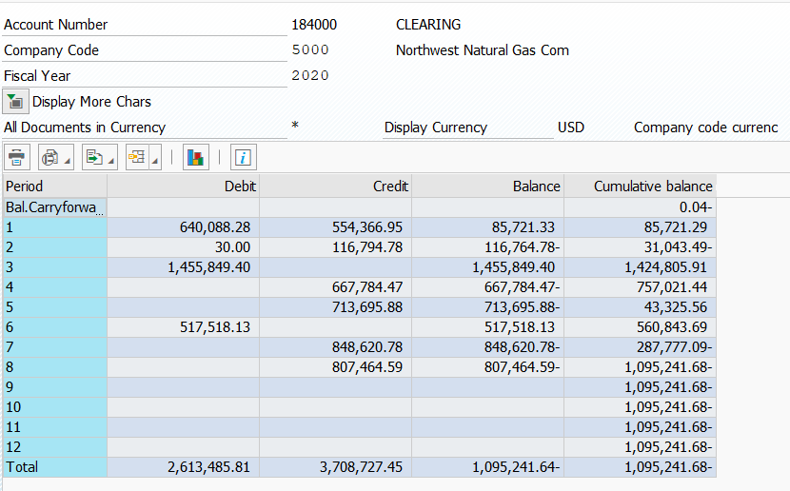
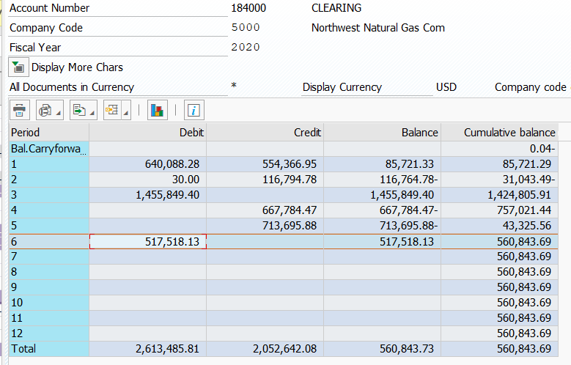
Small tools/tran/vehicles (over/under) (total) |  |  | 134,549 | 69,973 | 4,726 | 89,181 | 122,008 | 485,581 | (127,187.00) | 94,978 | 246,508 | 1,120,317
Net POH Clearing | 645-V6666 |  |  |  |  |  |  | (906,018) | 127,187 | (94,978) |  | (873,808.65) | Previously deferred to Clearing
 |  |  |  |  |  |  |  |  |  |  |  | $246,507.97 | Tsfr Net VOH Clearing to BS-CWIP
Grand Total |  |  | 0.00 | 0.00 | - | - | - | - | 0 | (0) | 1,322,467 |  | Tsfr Net Clearing to BS |  |  |  |  |  |  | Grand Total |  |  | 0 | 0 | (2) | 0 | 2 | 0 | 0 | 0 | 0 | - | 0 | (0) | 0
 |  |  |  |  |  |  |  |  | total clearing
 |  |  |  |  |  | Starting in June VOH will have its own process. General Accounting will move the over/under to plant accounting where they will evaluate the over/under of the VOHs accounts. |  |  |  |  | Recon
 |  |  |  |  |  |  |  |  |  | Per SAP |  | $1,322,466.77
 |  |  |  |  |  |  |  |  |  | Per schedule - POH |  | 1,075,959
 |  |  |  |  |  |  |  |  |  | Per Schedule - VOH |  | 246,507.97
 |  |  |  |  |  |  |  |  |  | Total: |  | 1,322,467
 |  |  |  |  |  |  |  |  |  | Diff |  | $0

