MACRS Bonus-30%
 |  |  |  |  |  |  |  |  | Exhibit No.___(KJB-38)

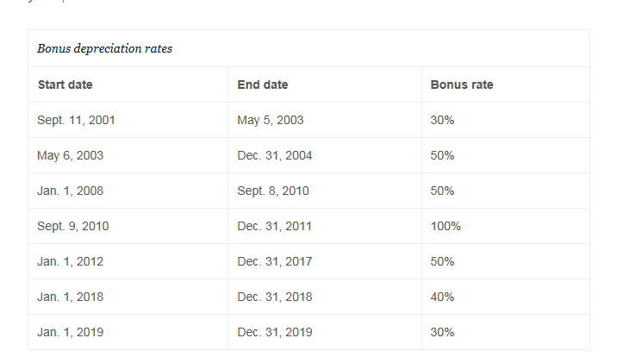
Year | 20-Years | bonus only | normal depr | total with bonus
1 | 3.750% | 30.000% | 2.625% | 32.625% | x | 1,000 | = | 326.25
2 | 7.219% |  | 5.053% | 5.053% | x | 1,000 | = | 50.53
3 | 6.677% |  | 4.674% | 4.674% | x | 1,000 | = | 46.74
4 | 6.177% |  | 4.324% | 4.324% | x | 1,000 | = | 43.24
5 | 5.713% |  | 3.999% | 3.999% | x | 1,000 | = | 39.99
6 | 5.285% |  | 3.700% | 3.700% | x | 1,000 | = | 37.00
7 | 4.888% |  | 3.422% | 3.422% | x | 1,000 | = | 34.22
8 | 4.522% |  | 3.165% | 3.165% | x | 1,000 | = | 31.65
9 | 4.462% |  | 3.123% | 3.123% | x | 1,000 | = | 31.23
10 | 4.461% |  | 3.123% | 3.123% | x | 1,000 | = | 31.23
11 | 4.462% |  | 3.123% | 3.123% | x | 1,000 | = | 31.23
12 | 4.461% |  | 3.123% | 3.123% | x | 1,000 | = | 31.23
13 | 4.462% |  | 3.123% | 3.123% | x | 1,000 | = | 31.23
14 | 4.461% |  | 3.123% | 3.123% | x | 1,000 | = | 31.23
15 | 4.462% |  | 3.123% | 3.123% | x | 1,000 | = | 31.23
16 | 4.461% |  | 3.123% | 3.123% | x | 1,000 | = | 31.23
17 | 4.462% |  | 3.123% | 3.123% | x | 1,000 | = | 31.23
18 | 4.461% |  | 3.123% | 3.123% | x | 1,000 | = | 31.23
19 | 4.462% |  | 3.123% | 3.123% | x | 1,000 | = | 31.23
20 | 4.461% |  | 3.123% | 3.123% | x | 1,000 | = | 31.23
21 | 2.231% |  | 1.562% | 1.562% | x | 1,000 | = | 15.62
 | 100.000% | 30.000% | 70.000% | 100.000% |  |  |  | 1,000.00

