Capitalized
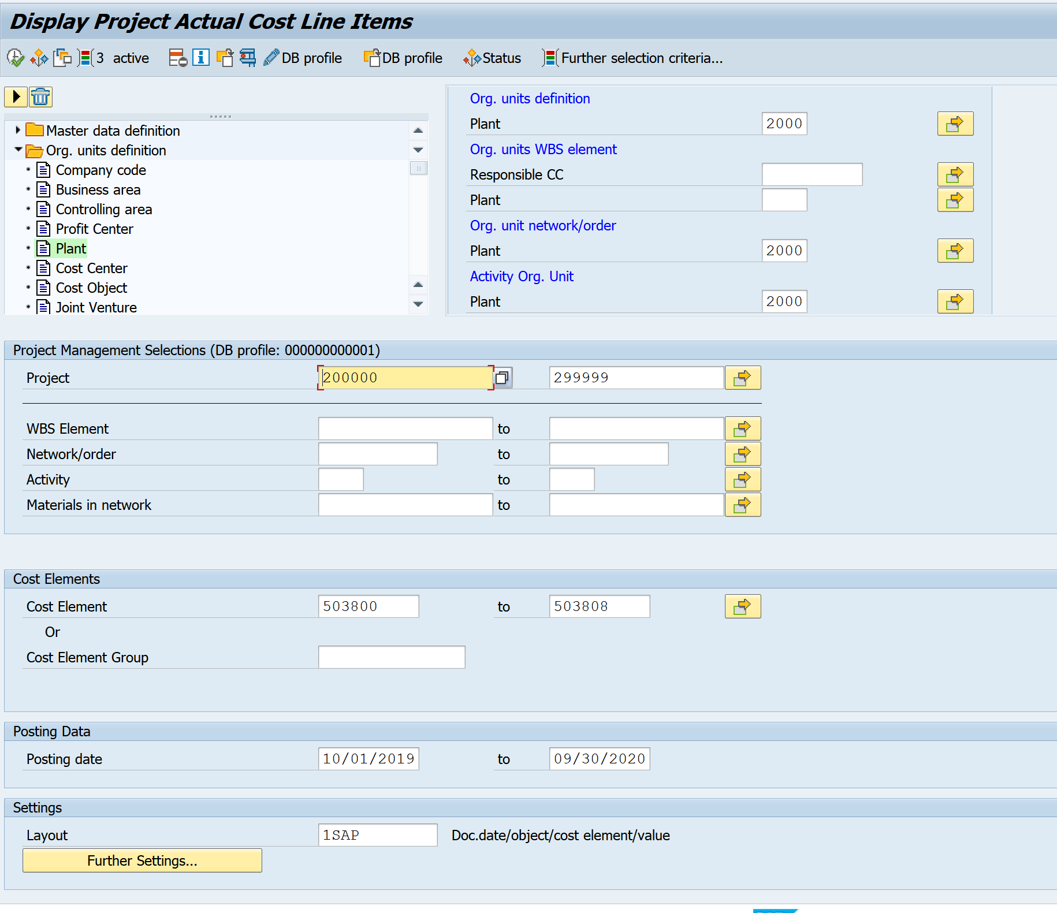
Posting Date | Object type | Object | Cost Element | Cost element name | Value TranCurr
 |  |  |  |  | 36,466.90

