Forecast Balance
Washington Energy Recovery Mechanism
Forecast Amortization and Balance
Amortization Period: July 2023 - June 2025

 | 2022 | 2023 | 2023 | 2023 | 2023 | 2023 | 2023 | Compound | 2023 | 2023 | 2023 | 2023 | 2023 | Compound | 2024 | 2024 | 2024 | 2024 | 2024 | Compound | 2024 | 2024 | 2024 | 2024 | 2024 | Compound | 2025 | 2025 | 2025 | 2025 | 2025
 | End December | End January | February | March | April | May | June | July | August | September | October | November | December | January | February | March | April | May | June | July | August | September | October | November | December | January | February | March | April | May | June |  |  | Total
Amortization Amount | $- | $- | $- | $- | $- | $- | $- | $1,426,935 | $1,478,568 | $1,233,195 | $1,296,295 | $1,432,575 | $1,640,338 | $1,659,051 | $1,489,713 | $1,405,170 | $1,258,505 | $1,229,938 | $1,272,799 | $1,417,817 | $1,472,980 | $1,237,743 | $1,307,881 | $1,439,787 | $1,647,933 | $1,662,499 | $1,495,408 | $1,414,217 | $1,267,578 | $1,237,433 | $1,273,395 | $16,823,081 | $16,874,671 | $33,697,752
Cumulative Balance (Before Interest) | $- | $(31,864,265) | $(31,864,265) | $(31,864,265) | $(31,864,265) | $(31,864,265) | $(31,864,265) | $(31,040,218) | $(29,661,783) | $(28,524,139) | $(27,319,436) | $(25,974,766) | $(24,418,318) | $(22,838,590) | $(21,423,513) | $(20,088,013) | $(18,894,850) | $(17,726,274) | $(16,511,119) | $(15,147,193) | $(13,724,214) | $(12,531,915) | $(11,265,360) | $(9,863,029) | $(8,248,350) | $(6,614,355) | $(5,142,426) | $(3,746,710) | $(2,493,118) | $(1,265,501) | $1,983
Interest | $- | $(100,481) | $(100,481) | $(100,481) | $(100,481) | $(100,481) | $(100,481) | $(100,133) | $(95,551) | $(91,592) | $(87,905) | $(83,891) | $(79,323) | $(74,635) | $(69,671) | $(65,342) | $(61,362) | $(57,644) | $(53,891) | $(50,001) | $(45,443) | $(41,327) | $(37,456) | $(33,254) | $(28,504) | $(23,479) | $(18,500) | $(13,986) | $(9,816) | $(5,911) | $(1,983) | $(920,939) | $(309,660) | $(1,230,599)
Other ERM Adjustments |  | $- |  |  |  |  |  |  |  |  |  |  |  |  |  | $-

ERM Revenue Balance (Income Statement) | $(31,864,265) | $(31,964,746) | $(32,065,228) | $(32,165,709) | $(32,266,190) | $(32,366,672) | $(32,467,153) | $(31,140,351) | $(29,757,334) | $(28,615,731) | $(27,407,341) | $(26,058,657) | $(24,497,641) | $(22,913,225) | $(21,493,183) | $(20,153,355) | $(18,956,212) | $(17,783,918) | $(16,565,011) | $(15,197,194) | $(13,769,657) | $(12,573,241) | $(11,302,816) | $(9,896,283) | $(8,276,854) | $(6,637,834) | $(5,160,926) | $(3,760,696) | $(2,502,934) | $(1,271,412) | $0

Actual Cost of Debt as of 12.31.2022 | Monthly Rate | Tax Rate | Monthly After Tax Rate
4.790% | 0.39917% | 21.000% | 0.31534%
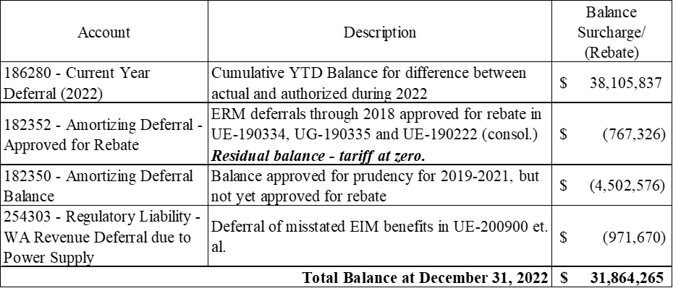

 |  | Revenue
Amortization | $16,823,081 | $17,596,104
Amortization | $16,874,671 | $17,650,064

 | $33,697,752 | $35,246,167

Revenue Conversion Factor | 0.95606855162
Total to Revover | $35,246,167

Yr1
Yr2

