191
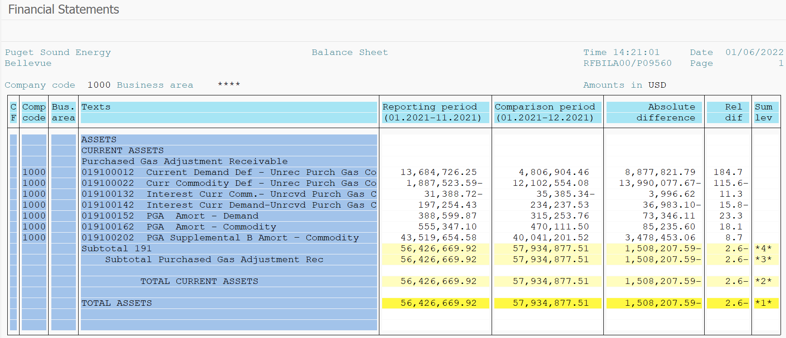
PUGET SOUND ENERGY
PGA 191 Account Balances
December
2021

 |  | Acct No. | Dec-21

Surcharge/Refund Amortization Accounts:
PGA Refund/Surcharge Amortization (Demand) |  | 19100152
 | Beginning |  | $388,599.87
 | Transfer Deferral Amounts to Surcharge/Refund Account
 | Surcharge/Refund Amortization |  | (70,941.00)
 | Migration Credit |  | 366.11
 | Interest |  | (2,771.22)
 | Total Month |  | (73,346.11)
 | Ending |  | $315,253.76

PGA Refund/Surcharge Amortization (Commodity) - 106 |  | 19100162
 | Beginning |  | $555,347.10
 | Transfer Deferral Amounts to Surcharge/Refund Account
 | Surcharge/Refund Amortization |  | (102,154.00)
 | Migration Credit |  | 3,908.71
 | Interest |  | 13,009.69
 | Total Month |  | (85,235.60)
 | Ending |  | $470,111.50

PGA Supplemental Amortization (Commodity) - 106A |  | 19100192
 | Beginning |  | $-
 | Transfer Deferral Amounts to Surcharge/Refund Account |  | -
 | Surcharge/Refund Amortization |  | -
 | Migration Credit |  | -
 | Interest |  | -
 | Total Month |  | -
 | Ending |  | $-

PGA Supplemental Amortization (Commodity) - 106B |  | 19100202
 | Beginning |  | $43,519,654.58
 | Transfer Deferral Amounts to Surcharge/Refund Account
 | Surcharge/Refund Amortization |  | (3,578,302.00)
 | Migration Credit
 | Interest |  | 99,848.94
 | Total Month |  | (3,478,453.06)
 | Ending |  | $40,041,201.52

Current Demand Deferral |  | 19100012
 | Beginning |  | $13,684,726.25
 | Transfer Deferral Amounts to Surcharge/Refund Account
 | Deferral |  | (8,877,821.79)
 | Total Month |  | (8,877,821.79)
 | Ending |  | $4,806,904.46

Current Commodity Deferral |  | 19100022
 | Beginning |  | $(1,887,523.59)
 | Transfer Deferral Amounts to Surcharge/Refund Account
 | Deferral |  | 13,990,077.67
 | Total Month |  | 13,990,077.67
 | Ending |  | $12,102,554.08

Interest on Demand Deferral |  | 19100142
 | Beginning |  | $197,254.43
 | Transfer Interest Amounts to Surcharge/Refund Account
 | Interest |  | 36,983.10
 | Total Month |  | 36,983.10
 | Ending |  | $234,237.53

Interest on Commodity Deferral |  | 19100132
 | Beginning |  | $(31,388.72)
 | Transfer Interest Amounts to Surcharge/Refund Account
 | Interest |  | (3,996.62)
 | Total Month |  | (3,996.62)
 | Ending |  | $(35,385.34)

Total 191
 | Beginning |  | $56,426,669.92
 | Total Month |  | 1,508,207.59
 | Ending |  | $57,934,877.51
Less: Acct. being Amortized |  |  | 40,826,566.78
Current Period Under/(Over) Recovered |  |  | $17,108,310.73

