NetWriteoffs-Elec
Puget Sound Energy / Net Write-Offs

12ME December 2023
Orders/Accounts | Act. Costs
90400003 9800 -Uncollectible Accts- Accrual- Elec | 16,161,840.00
90400005 9806 - Non-Consumption Bad Debt - Elec | 227,552.45
90400006 3515-Non-Consumption Bad Debt - Wireless | 299,213.77
90400007 3515-Non-Consumption Bad Debt - Wireline | 1,788,532.08
* Electric Uncollectible Accts | 18,477,138.30
90400303 9800 -Uncollectible Accts- Accrual- Gas | 4,154,334.00
* Gas Uncollectible Accounts | 4,154,334.00
90400600 9806 - Non-Consumption Bad Debt - Common | 20,981.67
* Common Uncollectible Accounts | 20,981.67
904 Electric Portion of Common | 13,755.58 | Changed the Allocator to 4 Factor to match how it is spread in our income statement.
Plus FERC 5870 and 4171
FERC 5870 Order 3000004037 ELE DIVERSION/TAMPERING UNCOLL COSTS | (2,709.77)

** Total | (2,709.77)
Total for All Cost Elements | 18,488,184
Net write-off for 12ME December 2023
Electric Uncollectible Acc | 18,488,184
Plus change in 14400311 | 6,811,596.10
Total Electric Uncollectible accounts | $25,299,780.21

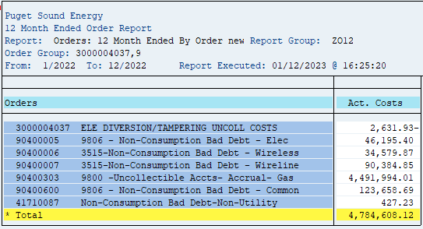
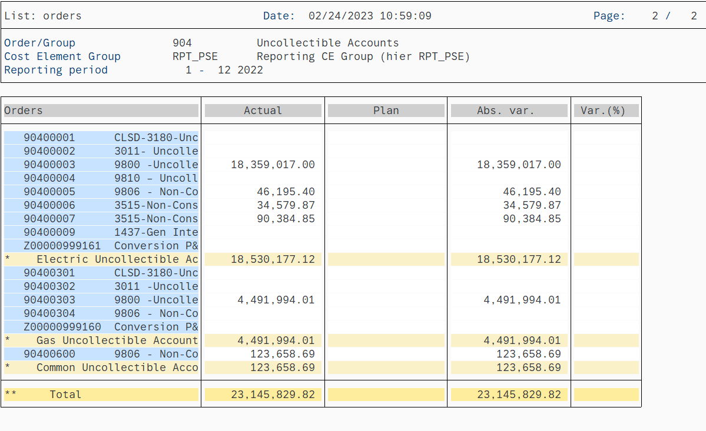
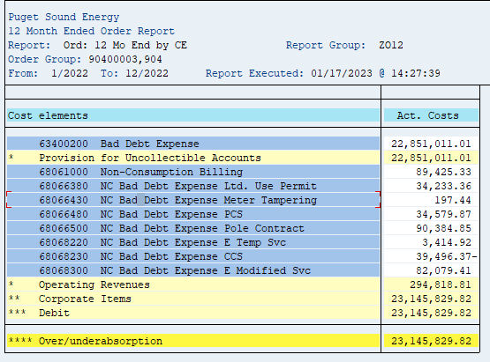
12ME December 2022
Orders/Accounts | Act. Costs
90400003 9800 -Uncollectible Accts- Accrual- Elec | 18,359,017.00
90400005 9806 - Non-Consumption Bad Debt - Elec | 46,195.40
90400006 3515-Non-Consumption Bad Debt - Wireless | 34,579.87
90400007 3515-Non-Consumption Bad Debt - Wireline | 90,384.85
* Electric Uncollectible Accts | 18,530,177.12
90400303 9800 -Uncollectible Accts- Accrual- Gas | 4,491,994.01
* Gas Uncollectible Accounts | 4,491,994.01
90400600 9806 - Non-Consumption Bad Debt - Common | 123,658.69
* Common Uncollectible Accounts | 123,658.69
904 Electric Portion of Common | 71,956.99
Plus FERC 5870 and 4171
FERC 5870 Order 3000004037 ELE DIVERSION/TAMPERING UNCOLL COSTS | -2,631.93
FERC 4171 Order 41710087 Non-Consumption Bad Debt-Non-Utility | 427.23
** Total | -2,204.70
Total for All Cost Elements | 18,599,929
Net write-off for 12ME December 2022
Electric Uncollectible Acc | 18,599,929
Plus change in 14400311 | (3,839,678.97)
Total Electric Uncollectible accounts | $14,760,250.44

12ME December 2021
Orders/Accounts | Act. Costs
90400003 9800 -Uncollectible Accts- Accrual- Elec | 18,359,017.03
90400005 9806 - Non-Consumption Bad Debt - Elec | 425,286.42
90400006 3515-Non-Consumption Bad Debt - Wireless | -79,785.02
90400007 3515-Non-Consumption Bad Debt - Wireline | 3.68
* Electric Uncollectible Accts | 18,704,522.11
90400303 9800 -Uncollectible Accts- Accrual- Gas | 4,491,994.01
* Gas Uncollectible Accounts | 4,491,994.01
90400600 9806 - Non-Consumption Bad Debt - Common | 91,061.88
* Common Uncollectible Accounts | 91,061.88
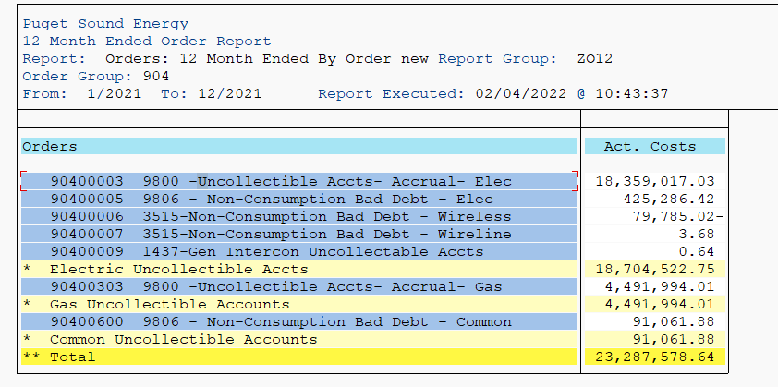
904 Electric Portion of Common | 52,979.80
Plus FERC 5870 and 4171
FERC 5870 Order 3000004037 ELE DIVERSION/TAMPERING UNCOLL COSTS | 891.27
FERC 4171 Order 41710087 Non-Consumption Bad Debt-Non-Utility | 125.05
** Total | 1,016.32
Total for All Cost Elements | 18,758,518
Net write-off for 12ME December 2021
Electric Uncollectible Acc | 18,758,518
Plus change in 14400311 | (11,153,541.91)
Total Electric Uncollectible accounts | $7,604,976.32

12ME December 2020
Orders/Accounts | Act. Costs
90400003 9800 -Uncollectible Accts- Accrual- Elec | 17,782,265.43

90400005 9806 - Non-Consumption Bad Debt - Elec | 111,140.94
90400006 3515-Non-Consumption Bad Debt - Wireless | -99,758.22
90400007 3515-Non-Consumption Bad Debt - Wireline | -218,730.57
* Electric Uncollectible Accts | 17,574,917.58
90400303 9800 -Uncollectible Accts- Accrual- Gas | 4,275,853.17
* Gas Uncollectible Accounts | 4,275,853.17
90400600 9806 - Non-Consumption Bad Debt - Common | -72,861.30
* Common Uncollectible Accounts | -72,861.30
904 Electric Direct Total | 17,574,917.58
904 Electric Portion of Common | -42,361.56
Plus FERC 5870 and 4171
FERC 5870 Order 3000004037 ELE DIVERSION/TAMPERING UNCOLL COSTS | 157,944.32
FERC 4171 Order 41710087 Non-Consumption Bad Debt-Non-Utility | 42.13
** Total | 157,986.45
Total for All Cost Elements | 17,690,542
Net write-off for 12ME December 2021
Electric Uncollectible Acc | 17,690,542
Plus change in 14400311 | (9,241,048)
Total Electric Uncollectible accounts | $8,449,494.96

12ME December 2019
Orders/Accounts | Act. Costs
90400003 9800 -Uncollectible Accts- Accrual- Elec | 14,126,110.67
90400004 9810 – Uncollectable Acct Write-off | 858.58
90400005 9806 - Non-Consumption Bad Debt - Elec | 37,586.00
90400006 3515-Non-Consumption Bad Debt - Wireless | 167,433.93
90400007 3515-Non-Consumption Bad Debt - Wireline | 173,111.28
* Electric Uncollectible Accts | 14,505,100.46
90400303 9800 -Uncollectible Accts- Accrual- Gas | 3,241,254.56
* Gas Uncollectible Accounts | 3,241,254.56
90400600 9806 - Non-Consumption Bad Debt - Common | 84,917.50
* Common Uncollectible Accounts | 84,917.50
904 Electric Direct Total | 14,505,100
904 Electric Portion of Common | 49,320
Plus FERC 5870 and 4171
FERC 5870 Order 3000004037 ELE DIVERSION/TAMPERING UNCOLL COSTS | 33,606.70
FERC 4171 Order 41710087 Non-Consumption Bad Debt-Non-Utility | 0
** Total | 33,607
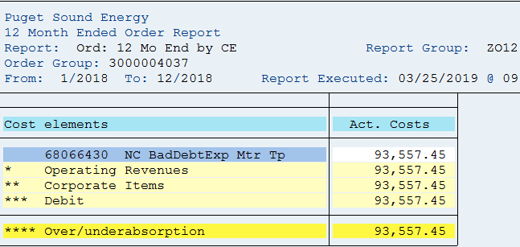
Total for All Cost Elements | 14,588,027
Net write-off for 12ME December 2020
Electric Uncollectible Acc | 14,588,027
Plus change in 14400311 | (1,732,802)
Total Electric Uncollectible accounts | $12,855,225.24

(Note 1) Amounts are included to achieve a cash basis write-off for
rate-making purposes. The balance sheet accounts are credited when
the monthly estimated accrual is made (dr. I/S and cr. B/S), and the
accounts are debited when customer accounts are written off (dr. B/S
and cr. B/S). A negative means growth in the APUA which is a natural
credit balance account. When the balance grows, the estimated
accruals are in excess of the write-offs and the income statement
debits for the estimated accrual were too high for the period.
Therefore, the balance sheet growth is used to reduce the excess
accrual on the income statement. A positive means a reduction in the
APUA credit balance sheet account. Additionally, it means the
income statement debits for the estimated accrual were too low for
the period. Therefore, the balance sheet reduction is used to
increase the inadequate accrual on the income statement.

BS Acct-Elec
Electric Reserve for Uncollectible Accounts
SAP 14400011 and 14400311

 |  |  |  | e =
a | b | c | d = b - c | prior e + d

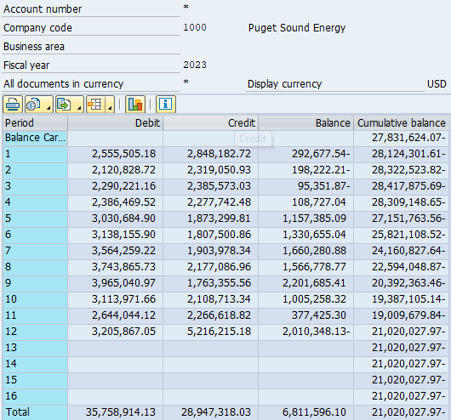
Period | Debit | Credit | Net Change | Cum. balance
Beginning Balance |  |  |  | -27,831,624.07
2023-01-31 | 2,555,505.18 | 2,848,182.72 | -292,677.54 | -28,124,301.61
2023-02-28 | 2,120,828.72 | 2,319,050.93 | -198,222.21 | -28,322,523.82
2023-03-31 | 2,290,221.16 | 2,385,573.03 | -95,351.87 | -28,417,875.69
2023-04-30 | 2,386,469.52 | 2,277,742.48 | 108,727.04 | -28,309,148.65
2023-05-31 | 3,030,684.90 | 1,873,299.81 | 1,157,385.09 | -27,151,763.56
2023-06-30 | 3,138,155.90 | 1,807,500.86 | 1,330,655.04 | -25,821,108.52
2023-07-31 | 3,564,259.22 | 1,903,978.34 | 1,660,280.88 | -24,160,827.64
2023-08-31 | 3,743,865.73 | 2,177,086.96 | 1,566,778.77 | -22,594,048.87
2023-09-30 | 3,965,040.97 | 1,763,355.56 | 2,201,685.41 | -20,392,363.46
2023-10-31 | 3,113,971.66 | 2,108,713.34 | 1,005,258.32 | -19,387,105.14
2023-11-30 | 2,644,044.12 | 2,266,618.82 | 377,425.30 | -19,009,679.84
2023-12-31 | 3,205,867.05 | 5,216,215.18 | -2,010,348.13 | -21,020,027.97

 |  | sum of net changes ==> | 6,811,596.10

 | Ending Balance minus Beginning Balance ====> |  |  | 6,811,596.10

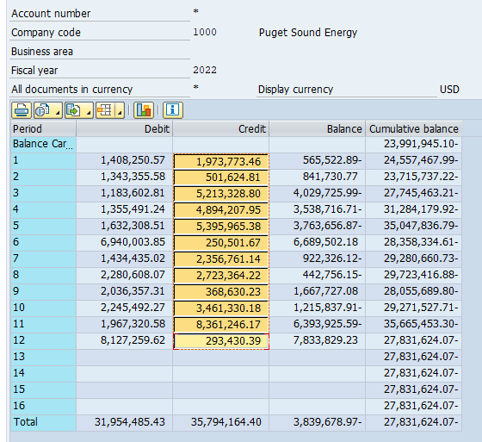
Beginning Balance |  |  |  | -23,991,945.10
2022-01-31 | 1,408,250.57 | 1,973,773.46 | -565,522.89 | -24,557,467.99
2022-02-28 | 1,343,355.58 | 501,624.81 | 841,730.77 | -23,715,737.22
2022-03-31 | 1,183,602.81 | 5,213,328.80 | -4,029,725.99 | -27,745,463.21
2022-04-30 | 1,355,491.24 | 4,894,207.95 | -3,538,716.71 | -31,284,179.92
2022-05-31 | 1,632,308.51 | 5,395,965.38 | -3,763,656.87 | -35,047,836.79
2022-06-30 | 6,940,003.85 | 250,501.67 | 6,689,502.18 | -28,358,334.61
2022-07-31 | 1,434,435.02 | 2,356,761.14 | -922,326.12 | -29,280,660.73
2022-08-31 | 2,280,608.07 | 2,723,364.22 | -442,756.15 | -29,723,416.88
2022-09-30 | 2,036,357.31 | 368,630.23 | 1,667,727.08 | -28,055,689.80
2022-10-31 | 2,245,492.27 | 3,461,330.18 | -1,215,837.91 | -29,271,527.71
2022-11-30 | 1,967,320.58 | 8,361,246.17 | -6,393,925.59 | -35,665,453.30
2022-12-31 | 8,127,259.62 | 293,430.39 | 7,833,829.23 | -27,831,624.07

 |  | sum of net changes ==> | (3,839,678.97)

 | Ending Balance minus Beginning Balance ====> |  |  | (3,839,678.97)

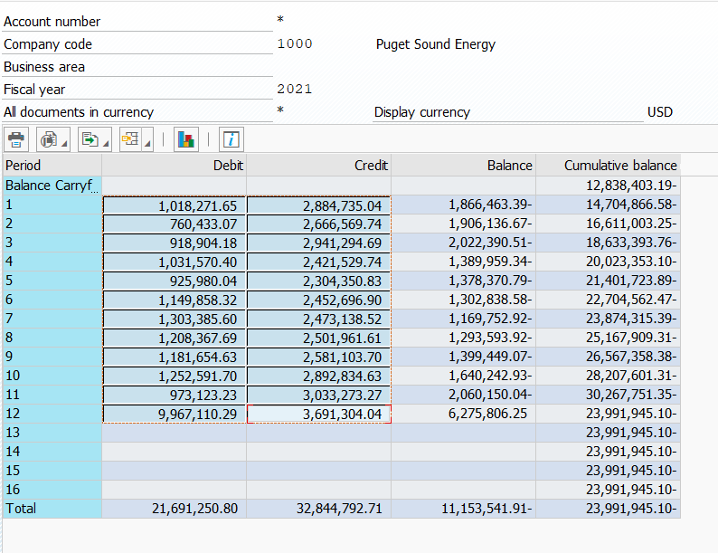
Beginning Balance |  |  |  | -12,838,403.19
2021-01-31 | 1,018,271.65 | 2,884,735.04 | -1,866,463.39 | -14,704,866.58
2021-02-28 | 760,433.07 | 2,666,569.74 | -1,906,136.67 | -16,611,003.25
2021-03-31 | 918,904.18 | 2,941,294.69 | -2,022,390.51 | -18,633,393.76
2021-04-30 | 1,031,570.40 | 2,421,529.74 | -1,389,959.34 | -20,023,353.10
2021-05-31 | 925,980.04 | 2,304,350.83 | -1,378,370.79 | -21,401,723.89
2021-06-30 | 1,149,858.32 | 2,452,696.90 | -1,302,838.58 | -22,704,562.47
2021-07-31 | 1,303,385.60 | 2,473,138.52 | -1,169,752.92 | -23,874,315.39
2021-08-31 | 1,208,367.69 | 2,501,961.61 | -1,293,593.92 | -25,167,909.31
2021-09-30 | 1,181,654.63 | 2,581,103.70 | -1,399,449.07 | -26,567,358.38
2021-10-31 | 1,252,591.70 | 2,892,834.63 | -1,640,242.93 | -28,207,601.31
2021-11-30 | 973,123.23 | 3,033,273.27 | -2,060,150.04 | -30,267,751.35
2021-12-31 | 9,967,110.29 | 3,691,304.04 | 6,275,806.25 | -23,991,945.10

 |  | sum of net changes ==> | (11,153,541.91)

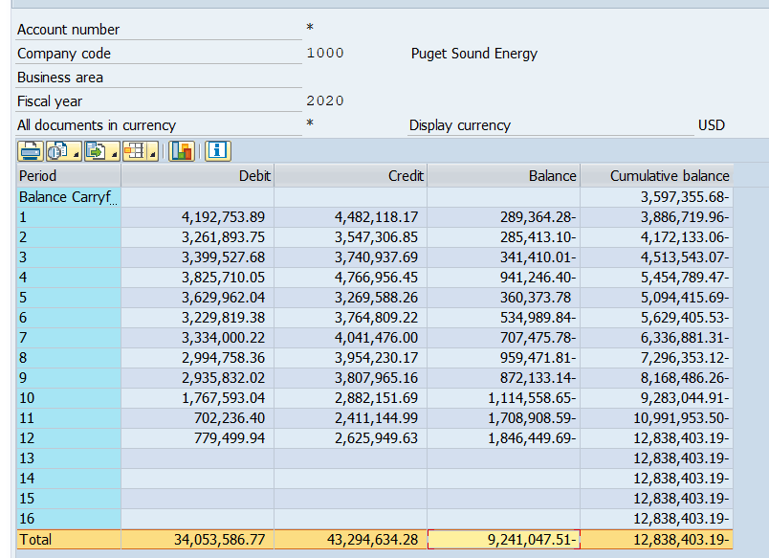
 | Ending Balance minus Beginning Balance ====> |  |  | (11,153,541.91)

Beginning Balance |  |  |  | -3,597,355.68
2020-01-31 | 4,192,753.89 | 4,482,118.17 | -289,364.28 | -3,886,719.96
2020-02-28 | 3,261,893.75 | 3,547,306.85 | -285,413.10 | -4,172,133.06
2020-03-30 | 3,399,527.68 | 3,740,937.69 | -341,410.01 | -4,513,543.07
2020-04-29 | 3,825,710.05 | 4,766,956.45 | -941,246.40 | -5,454,789.47
2020-05-30 | 3,629,962.04 | 3,269,588.26 | 360,373.78 | -5,094,415.69
2020-06-29 | 3,229,819.38 | 3,764,809.22 | -534,989.84 | -5,629,405.53
2020-07-30 | 3,334,000.22 | 4,041,476.00 | -707,475.78 | -6,336,881.31
2020-08-30 | 2,994,758.36 | 3,954,230.17 | -959,471.81 | -7,296,353.12
2020-09-29 | 2,935,832.02 | 3,807,965.16 | -872,133.14 | -8,168,486.26
2020-10-30 | 1,767,593.04 | 2,882,151.69 | -1,114,558.65 | -9,283,044.91
2020-11-29 | 702,236.40 | 2,411,144.99 | -1,708,908.59 | -10,991,953.50
2020-12-30 | 779,499.94 | 2,625,949.63 | -1,846,449.69 | -12,838,403.19

 |  | sum of net changes ==> | (9,241,047.51)

 | Ending Balance minus Beginning Balance ====> |  |  | (9,241,047.51)

Beginning Balance |  |  |  | -1,864,553.68
2019-01-31 | 1,458,119.14 | 856,433.31 | 601,685.83 | -1,262,867.85
2019-02-28 | 1,022,990.05 | 3,561,209.10 | -2,538,219.05 | -3,801,086.90
2019-03-31 | 980,422.42 | 1,255,274.59 | -274,852.17 | -4,075,939.07
2019-04-30 | 2,953,988.87 | 3,228,601.70 | -274,612.83 | -4,350,551.90
2019-05-31 | 4,360,668.42 | 4,646,822.09 | -286,153.67 | -4,636,705.57
2019-06-30 | 4,279,137.74 | 4,327,062.27 | -47,924.53 | -4,684,630.10
2019-07-31 | 4,695,338.76 | 3,931,916.15 | 763,422.61 | -3,921,207.49
2019-08-31 | 4,489,055.99 | 4,022,993.93 | 466,062.06 | -3,455,145.43
2019-09-30 | 4,048,380.74 | 4,009,507.50 | 38,873.24 | -3,416,272.19
2019-10-31 | 4,174,064.01 | 4,177,052.75 | -2,988.74 | -3,419,260.93
2019-11-30 | 3,450,506.71 | 3,805,324.80 | -354,818.09 | -3,774,079.02
2019-12-31 | 4,052,250.83 | 3,875,527.49 | 176,723.34 | -3,597,355.68

 |  | sum of net changes ==> | (1,732,802.00)

 | Ending Balance minus Beginning Balance ====> |  |  | (1,732,802.00)

Beginning Balance |  |  |  | -3,383,386.71
2018-01-31 | 4,792,534.56 | 5,110,112.26 | -317,577.70 | -3,700,964.41
2018-02-28 | 2,642,006.79 | 2,790,357.48 | -148,350.69 | -3,849,315.10
2018-03-31 | 1,901,913.99 | 2,216,543.82 | -314,629.83 | -4,163,944.93
2018-04-30 | 1,531,937.70 | 1,880,551.19 | -348,613.49 | -4,512,558.42
2018-05-31 | 1,572,436.17 | 1,792,200.90 | -219,764.73 | -4,732,323.15
2018-06-30 | 1,953,976.63 | 1,745,062.65 | 208,913.98 | -4,523,409.17
2018-07-31 | 2,403,790.17 | 1,789,150.51 | 614,639.66 | -3,908,769.51
2018-08-31 | 2,279,343.91 | 1,766,140.80 | 513,203.11 | -3,395,566.40
2018-09-30 | 4,143,260.07 | 2,788,819.22 | 1,354,440.85 | -2,041,125.55
2018-10-31 | 1,271,945.87 | 1,509,765.61 | -237,819.74 | -2,278,945.29
2018-11-30 | 1,458,354.82 | 1,340,742.34 | 117,612.48 | -2,161,332.81
2018-12-31 | 1,718,610.00 | 1,421,830.87 | 296,779.13 | -1,864,553.68

 |  | sum of net changes ==> | 1,518,833.03

 | Ending Balance minus Beginning Balance ====> |  |  | 1,518,833.03

2020 AllocFactrs
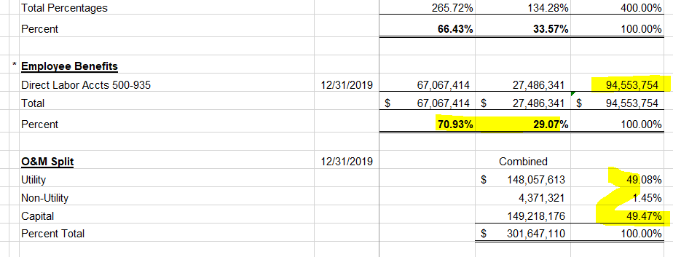
PUGET SOUND ENERGY-ELECTRIC & GAS
FOR THE TWELVE MONTHS ENDED DECEMBER 31, 2020
ALLOCATION METHODS

Method |  | Description |  | Electric | Gas | Total

1 | * | 12 Month Average Number of Customers | 2020-12-31 | 1,181,577 | 850,720 | 2,032,297
 |  | Percent |  | 58.14% | 41.86% | 100.00%

2 | * | Joint Meter Reading Customers | 2020-12-31 | 813,535 | 486,000 | 1,299,535
 |  | Percent |  | 62.60% | 37.40% | 100.00%

3 | * | Non-Production Plant
 |  | Distribution | 2020-12-31 | 4,405,569,600 | 4,221,953,175 | $8,627,522,775
 |  | Transmission | 2020-12-31 | 1,641,489,956 | - | 1,641,489,956
 |  | Direct General Plant | 2020-12-31 | 238,218,585 | 42,710,271 | 280,928,856
 |  | Total |  | $6,285,278,141 | $4,264,663,446 | $10,549,941,587
 |  | Percent |  | 59.58% | 40.42% | 100.00%

4 | * | 4-Factor Allocator
 |  | Number of Customers | 2020-12-31 | 1,181,577 | 850,720 | 2,032,297
 |  | Percent |  | 58.14% | 41.86% | 100.00%

 |  | Labor - Direct Charge to O&M | 2020-12-31 | 59,768,672 | 26,253,909 | $86,022,580
 |  | Percent |  | 69.48% | 30.52% | 100.00%

 |  | T&D O&M Expense (Less Labor) | 2020-12-31 | 75,670,569 | 34,119,707 | $109,790,276
 |  | Percent |  | 68.92% | 31.08% | 100.00%

 |  | Net Classified Plant (Excluding General (Common) Plant) | 2020-12-31 | 5,607,451,734 | 2,583,606,245 | 8,191,057,978
 |  | Percent |  | 68.46% | 31.54% | 100.00%

 |  | Total Percentages |  | 265.00% | 135.00% | 400.00%
 |  | Percent |  | 66.25% | 33.75% | 100.00%

5 | * | Employee Benefits
 |  | Direct Labor Accts 500-935 | 2020-12-31 | 67,067,414 | 27,486,341 | 94,553,754 | `
 |  | Total |  | $67,067,414 | $27,486,341 | $94,553,754
 |  | Percent |  | 70.93% | 29.07% | 100.00%

6 |  | O&M Split | 2020-12-31 |  | Combined
 |  | Utility |  |  | 148,057,613 | 49.08%
 |  | Non-Utility |  |  | 4,371,321 | 1.45%
 |  | Capital |  |  | 149,218,176 | 49.47%
 |  | Percent Total |  |  | $301,647,110 | 100.00%

