Environmental
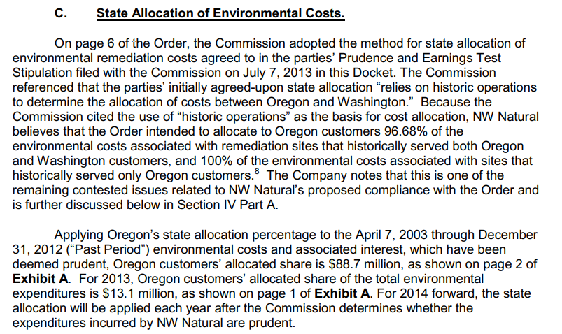
 | Washington | Oregon
Environmental Admin Allocation | 3.320% | 96.680%

