Summary GRCs
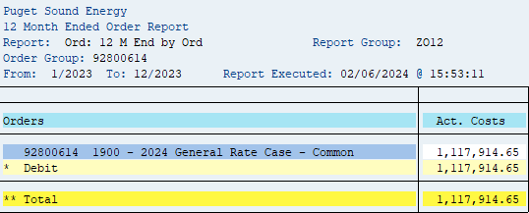
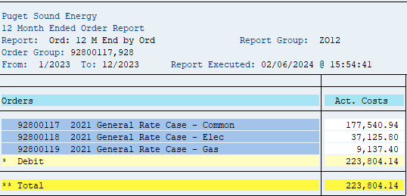
SUMMARY GRC: Cumulative Expenditures through 12/31/2023

 | Total | 2019 | 2020 | 2021 | 2022 | 2023
2021 GRC
order 92800117 2021 General Rate Case - Common | 5,594,309 |  |  | 1,308,153 | 4,108,614 | 177,541
order 92800118 2021 General Rate Case - Elec | 1,267,217 |  |  | 577,494 | 652,597 | 37,126
order 92800119 2021 General Rate Case - Gas | 759,323 |  |  | 219,402 | 530,783 | 9,137
Total 2021 GRC Cost | 7,620,848 | - | - | 2,105,049 | 5,291,995 | 223,804

2019 GRC | Total | 2019 | 2020 | 2021 | 2022 | 2023
order 92800613 GRC (Common) | 3,135,957 | 1,735,656 | 1,384,357 | 15,944 | - | -
Total 2019 GRC Cost | 3,135,957 | 1,735,656 | 1,384,357 | 15,944 | - | -

2024 GRC rate case expense are reflected in test year costs, but excluded from rate case expense averaging
2024 GRC | Total | 2019 | 2020 | 2021 | 2022 | 2023
order 92800614 GRC | 1,117,915 | - | - | - | - | 1,117,915
Total 2024 GRC Cost | 1,117,915 | - | - | - | - | 1,117,915

Total GRC direct charges | 11,874,720

Summary PCORCs
SUMMARY PCORC: Cumulative Expenditures through 12/31/2023

 | Total | 2012 | 2013 | 2014 | 2015 | 2016 | 2017 | 2018 | 2019 | 2020 | 2021 | 2022 | 2023
2014 PCORC
order 92800108 direct charges | 148,466 | - | - | 148,466 | - | - | - | - | - | - | - | - | -

2020 PCORC | Total | 2012 | 2013 | 2014 | 2015 | 2016 | 2017 | 2018 | 2019 | 2020 | 2021 | 2022 | 2023
order 92800621 direct charges | 526,879 | - | - | - | - | - | - | - | - | 258,667 | 268,213 | - | -

CCA Power Cost (not included for rate case expense average) | Total | 2012 | 2013 | 2014 | 2015 | 2016 | 2017 | 2018 | 2019 | 2020 | 2021 | 2022 | 2023
order 92800002 direct charges | 4,990 | - | - | - | - | - | - | - | - | - | - | - | 4,990

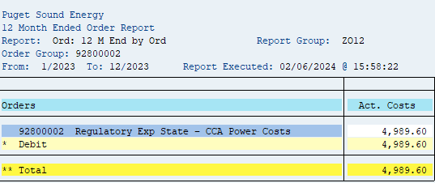
Total PCORC direct charges | 675,345

