SAP 12MOE Dec 2021
ZO12 Orders: Actual 12 Month Ended
Date: 02/09/2022

Orders | 12 Months | Dec-21 | Nov-21 | Oct-21 | Sep-21 | Aug-21 | Jul-21 | Jun-21 | May-21 | Apr-21 | Mar-21 | Feb-21 | Jan-21
40810005 Montana Electric Producer Taxes | $718,105 | $81,534 | $81,533 | $81,533 | $60,493 | $60,493 | $66,347 | $55,608 | $63,426 | $58,056 | $60,004 | $60,005 | $(10,927)
Debit | $718,105 | $81,534 | $81,533 | $81,533 | $60,493 | $60,493 | $66,347 | $55,608 | $63,426 | $58,056 | $60,004 | $60,005 | $(10,927)
Over/underabsorption | $718,105 | $81,534 | $81,533 | $81,533 | $60,493 | $60,493 | $66,347 | $55,608 | $63,426 | $58,056 | $60,004 | $60,005 | $(10,927)

 | Generation for 12ME Dec 2021
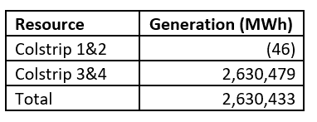

 |  |  |  | 2,630,433

Montana Energy Tax
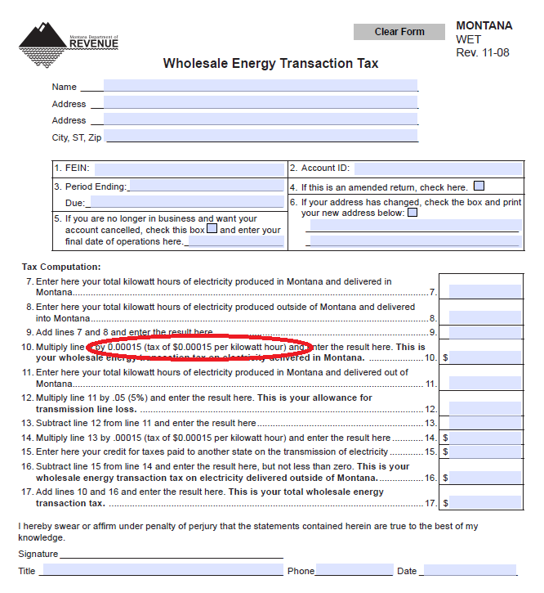
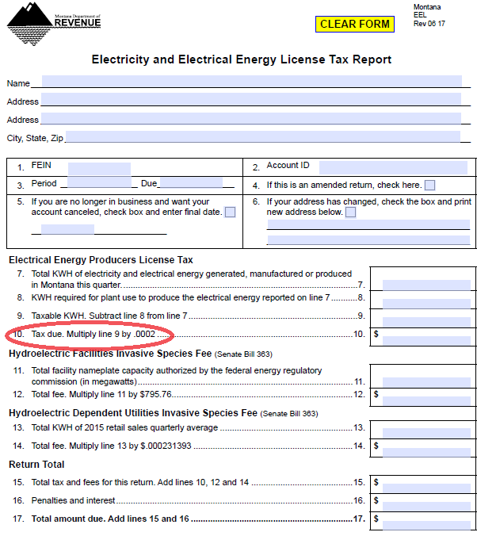
WETT Tax + EEELT = |  |  |  |  | Line Losses
0.00015 | + | 0.0002 | or | 0.00035 | 0.05

WETT tax link.
http://revenue.mt.gov/Portals/9/businesses/fees/WET.pdf

Electricity and Electrical Energy License Tax Report link.
http://revenue.mt.gov/Portals/9/businesses/taxes/natural_resources/EEL.pdf

 |  |  |  |  |  | Check for 2022 | ok | Check for 2022 | ok

