PSE ARAM Reversal
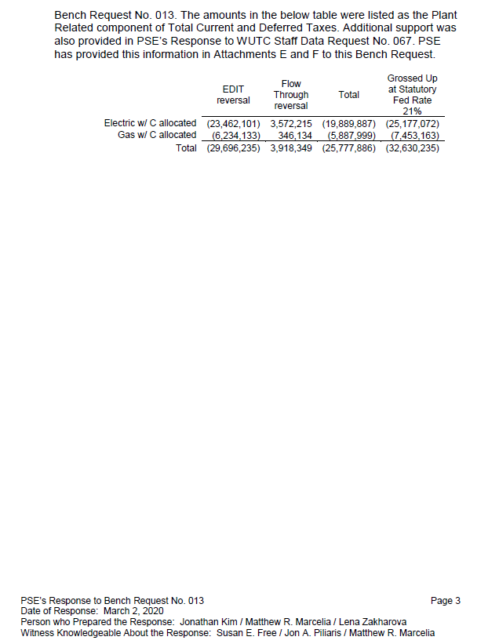

Description | Electric | Gas | Combined
TY ARAM per Bench Request 13 | $23,462,101 | $6,234,133 | $29,696,234
ARAM increase for Cols 3&4 per SEF-07.01 | 1,973,446 |  | 1,973,446
Total PSE ARAM | 25,435,547 | 6,234,133 | 31,669,680
Rev Req gross up factor | 0.751381 | 0.754097 | 0.705060
 | $33,851,730 | $8,267,017 | $42,118,748

