191 Accounts Chart
Projected 191 Account Balance (Based on June 1, 2022 - August 31, 2022 Forward Prices)
 | Total 191 Balance |  | Amortization Balance |  | Cumulative Demand |  | Cumulative Commodity
 |  | Sep-2022 |  | Sep-2022 |  | Sep-2022
 |  | Oct-2022 |  | Oct-2022 |  | Oct-2022
 |  | Nov-2022 |  | Nov-2022 |  | Nov-2022
 |  | Dec-2022 |  | Dec-2022 |  | Dec-2022
 |  | Jan-2023 |  | Jan-2023 |  | Jan-2023
 |  | Feb-2023 |  | Feb-2023 |  | Feb-2023
 |  | Mar-2023 |  | Mar-2023 |  | Mar-2023
 |  | Apr-2023 |  | Apr-2023 |  | Apr-2023
 |  | May-2023 |  | May-2023 |  | May-2023
 |  | Jun-2023 |  | Jun-2023 |  | Jun-2023
 |  | Jul-2023 |  | Jul-2023 |  | Jul-2023
 |  | Aug-2023 |  | Aug-2023 |  | Aug-2023
 |  | Sep-2023 |  | Sep-2023 |  | Sep-2023
 |  | Oct-2023 |  | Oct-2023 |  | Oct-2023
REDACTED VERSION

191 Accounts Balances (R)
 |  |  | Actual | Actual | Actual | Actual | Actual | Actual | Actual | Actual | Actual | Actual | Actual
 |  | Acct No. | Sep-2021 | Oct-2021 | Nov-2021 | Dec-2021 | Jan-2022 | Feb-2022 | Mar-2022 | Apr-2022 | May-2022 | Jun-2022 | Jul-2022
Demand Surcharge/Refund Amortization |  | 19100152
 | Beginning |  | 325,200 | 238,317 | 60,792 | 388,600 | 315,254 | 242,398 | 181,938 | 128,762 | 81,889 | 48,400 | 26,432
 | Transfer Deferral Amounts to Surcharge/Refund Account |  |  |  | 387,560.31
 | Refund (Surcharge) Amortization |  | (84,873.00) | (175,043.00) | (57,532.00) | (70,941.00) | (70,194.00) | (57,720.00) | (49,973.00) | (43,650.00) | (29,975.00) | (18,504.00) | (13,116.00)
 | Migration Credit |  | 880.34 | 877.03 | 287.06 | 366.11 | 302.85 | 89.28 | 83.90 | 79.76 | (0.02) | (0.01) | (644.01)
 | Interest |  | (2,890.86) | (3,359.05) | (2,507.09) | (2,771.22) | (2,965.00) | (2,828.59) | (3,286.71) | (3,302.95) | (3,514.54) | (3,463.69) | (4,014.07)
 | Total Month |  | (86,884) | (177,525) | 327,808 | (73,346) | (72,856) | (60,459) | (53,176) | (46,873) | (33,490) | (21,968) | (17,774)
REDACTED
REDACTED
 | Ending |  | 238,317 | 60,792 | 388,600 | 315,254 | 242,398 | 181,938 | 128,762 | 81,889 | 48,400 | 26,432 | 8,658

Commodity Surcharge/Refund Amortization |  | 19100162
 | Beginning |  | 3,128,998 | 2,455,293 | 1,077,967 | 555,347 | 470,112 | 383,254 | 311,260 | 250,662 | 199,546 | 167,076 | 150,614
 | Transfer Deferral Amounts to Surcharge/Refund Account |  |  |  | (359,440.14)
 | Refund (Surcharge) Amortization |  | (703,959.00) | (1,403,025.00) | (179,240.00) | (102,154.00) | (102,803.00) | (84,193.00) | (73,726.00) | (63,629.00) | (44,412.00) | (27,924.00) | (20,319.00)
 | Migration Credit |  | 11,503.94 | 9,324.67 | 3,106.70 | 3,908.71 | 3,209.35 | 910.48 | 856.15 | 813.97 | 1.05 | 0.77 | 6,727.85
 | Interest |  | 18,750.68 | 16,374.08 | 12,953.50 | 13,009.69 | 12,736.46 | 11,287.95 | 12,272.13 | 11,698.86 | 11,940.68 | 11,462.14 | 13,057.11
 | Total Month |  | (673,704) | (1,377,326) | (522,620) | (85,236) | (86,857) | (71,995) | (60,598) | (51,116) | (32,470) | (16,461) | (534)
 | Ending |  | 2,455,293 | 1,077,967 | 555,347 | 470,112 | 383,254 | 311,260 | 250,662 | 199,546 | 167,076 | 150,614 | 150,080

PGA 106A Supplemental Amortization (Commodity) |  | 19100172
 | Beginning | 19100192 | - | - | - | - | - | - | - | - | - | - | -
 | Transfer Deferral Amounts to Surcharge/Refund Account
 | Transfer Combined Acct between Demand and Commodity
 | Adjust PGA Refund/Surcharge
 | Surcharge/Refund Amortization
 | Migration Credit
 | Interest
 | Total Month |  | - | - | - | - | - | - | - | - | - | - | -
 | Ending |  | - | - | - | - | - | - | - | - | - | - | -

PGA 106B Supplemental Amortization (Commodity) |  | New Account
 | Beginning | 19100202 | 48,173,243 | 47,435,174 | 45,851,111 | 43,519,655 | 40,041,202 | 36,529,950 | 33,654,203 | 31,145,068 | 28,980,978 | 27,486,922 | 26,565,061
 | Transfer Deferral Amounts to Surcharge/Refund Account |  |  |  | -
 | Transfer Combined Acct between Demand and Commodity
 | Adjust PGA Refund/Surcharge
 | Surcharge/Refund Amortization |  | (852,045.00) | (1,698,171.00) | (2,436,363.00) | (3,578,302.00) | (3,601,189.00) | (2,949,249.00) | (2,582,533.00) | (2,228,830.00) | (1,555,728.00) | (978,273.00) | (711,805.00)
 | Migration Credit
 | Interest |  | 113,976.19 | 114,107.34 | 104,906.86 | 99,848.94 | 89,937.20 | 73,502.42 | 73,398.14 | 64,739.66 | 61,671.73 | 56,411.84 | 61,980.52
 | Total Month |  | (738,069) | (1,584,064) | (2,331,456) | (3,478,453) | (3,511,252) | (2,875,747) | (2,509,135) | (2,164,090) | (1,494,056) | (921,861) | (649,824)
 | Ending |  | 47,435,174 | 45,851,111 | 43,519,655 | 40,041,202 | 36,529,950 | 33,654,203 | 31,145,068 | 28,980,978 | 27,486,922 | 26,565,061 | 25,915,236

REDACTED
Total Surcharge/Refund Amortization |  | 19100122
 | Beginning |  | 51,627,441 | 50,128,784 | 46,989,869 | 44,463,602 | 40,826,567 | 37,155,602 | 34,147,401 | 31,524,493 | 29,262,413 | 27,702,397 | 26,742,107
 | Transfer Deferral Amounts to Surcharge/Refund Account |  | - | - | 28,120 | - | - | - | - | - | - | - | -
 | Refund (Surcharge) Amortization |  | (1,640,877) | (3,276,239) | (2,673,135) | (3,751,397) | (3,774,186) | (3,091,162) | (2,706,232) | (2,336,109) | (1,630,115) | (1,024,701) | (745,240)
 | Migration Credit |  | 12,384 | 10,202 | 3,394 | 4,275 | 3,512 | 1,000 | 940 | 894 | 1 | 1 | 6,084
 | Interest |  | 129,836 | 127,122 | 115,353 | 110,087 | 99,709 | 81,962 | 82,384 | 73,136 | 70,098 | 64,410 | 71,024
 | Total Month |  | (1,498,657) | (3,138,915) | (2,526,268) | (3,637,035) | (3,670,965) | (3,008,200) | (2,622,908) | (2,262,080) | (1,560,016) | (960,290) | (668,133)
 | Ending |  | 50,128,784 | 46,989,869 | 44,463,602 | 40,826,567 | 37,155,602 | 34,147,401 | 31,524,493 | 29,262,413 | 27,702,397 | 26,742,107 | 26,073,974

Current Demand Deferral |  | 19100012
 | Beginning |  | 10,103,137 | 15,748,719 | 16,454,483 | 13,684,726 | 4,806,904 | (3,504,175) | (8,979,007) | (11,838,694) | (14,044,453) | (11,687,135) | (6,139,283)
 | Transfer Deferral Amounts to Surcharge/Refund Account |  |  |  | (383,526)
 | PSE Deferral |  | 5,645,581.90 | 705,764.80 | (2,386,230.93) | (8,877,821.79) | (8,311,079.92) | (5,474,831.30) | (2,859,687.61) | (2,205,758.89) | 2,357,318.67 | 5,547,851.63 | 6,846,395.12
 | WNG-CAP Deferral
 | PGA Incentive
 | Total Month |  | 5,645,582 | 705,765 | (2,769,757) | (8,877,822) | (8,311,080) | (5,474,831) | (2,859,688) | (2,205,759) | 2,357,319 | 5,547,852 | 6,846,395
 | Ending |  | $15,748,719 | $16,454,483 | $13,684,726 | $4,806,904 | $(3,504,175) | $(8,979,007) | $(11,838,694) | $(14,044,453) | $(11,687,135) | $(6,139,283) | $707,112

Current Commodity Deferral |  | 19100022
 | Beginning |  | (5,891,840) | (9,738,253) | (4,654,792) | (1,887,524) | 12,102,554 | 15,846,799 | 18,585,954 | 24,030,863 | 26,826,252 | 36,079,698 | 33,495,160
 | Transfer Deferral Amounts to Surcharge/Refund Account - 106B Portion
 | Transfer Deferral Amounts to Surcharge/Refund Account |  |  |  | 361,996
 | Transfer Deferral Amounts to Gas Conservation Account UG-120291
 | PGA Deferral Commd Vlntr RNG CR Tru-up 12/21-05/22 |  |  |  |  |  |  |  |  |  |  | 5,260
 | PSE Deferral |  | (3,846,413.48) | 5,083,461.07 | 2,405,272.95 | 13,990,077.67 | 3,744,245.13 | 2,739,154.46 | 5,444,909.29 | 2,795,388.75 | 9,253,446.43 | (2,589,797.77) | (7,121,163.48)
 | PGA Incentive
 | Total Month |  | (3,846,413) | 5,083,461 | 2,767,269 | 13,990,078 | 3,744,245 | 2,739,154 | 5,444,909 | 2,795,389 | 9,253,446 | (2,584,538) | (7,121,163)
 | Ending |  | (9,738,253) | (4,654,792) | (1,887,524) | 12,102,554 | 15,846,799 | 18,585,954 | 24,030,863 | 26,826,252 | 36,079,698 | 33,495,160 | 26,373,997

REDACTED
REDACTED
Interest on Demand Deferral |  | 19100142
 | Beginning |  | 92,719 | 120,209 | 163,743 | 197,254 | 234,238 | 246,766 | 237,542 | 212,503 | 180,683 | 142,126 | 111,401
 | Transfer Deferral Amounts to Surcharge/Refund Account |  |  |  | (4,034)
 | Activity (19100012) |  | 27,490.52 | 43,533.62 | 37,545.43 | 36,983.10 | 12,528.35 | (9,223.92) | (25,039.15) | (31,820.31) | (38,556.64) | (30,725.07) | (18,095.81)
 | Total Month |  | 27,491 | 43,534 | 33,511 | 36,983 | 12,528 | (9,224) | (25,039) | (31,820) | (38,557) | (30,725) | (18,096)
 | Ending |  | 120,209 | 163,743 | 197,254 | 234,238 | 246,766 | 237,542 | 212,503 | 180,683 | 142,126 | 111,401 | 93,305

Interest on Commodity Deferral |  | 19100132
 | Beginning |  | 24,896 | 8,815 | (17,612) | (31,389) | (35,385) | (1,646) | 38,107 | 89,894 | 154,335 | 229,207 | 325,354
 | Transfer Deferral Amounts to Surcharge/Refund Account - 106B Portion
 | Transfer Deferral Amounts to Surcharge/Refund Account |  |  |  | (2,556)
 | Activity (19100022) |  | (16,080.97) | (26,427.61) | (11,220.66) | (3,996.62) | 33,739.76 | 39,752.36 | 51,787.14 | 64,440.94 | 74,871.74 | 96,147.15 | 101,710.24
 | Total Month |  | (16,081) | (26,428) | (13,776) | (3,997) | 33,740 | 39,752 | 51,787 | 64,441 | 74,872 | 96,147 | 101,710
 | Ending |  | 8,815 | (17,612) | (31,389) | (35,385) | (1,646) | 38,107 | 89,894 | 154,335 | 229,207 | 325,354 | 427,064

Total 191
 | Beginning |  | 55,956,353 | 56,268,274 | 58,935,691 | 56,426,670 | 57,934,878 | 49,743,346 | 44,029,997 | 44,019,058 | 42,379,229 | 52,466,293 | 54,534,739
 | Total Month |  | 311,921 | 2,667,417 | (2,509,021) | 1,508,208 | (8,191,532) | (5,713,349) | (10,939) | (1,639,829) | 10,087,064 | 2,068,446 | (859,287)
 | Ending |  | 56,268,274 | 58,935,691 | 56,426,670 | 57,934,878 | 49,743,346 | 44,029,997 | 44,019,058 | 42,379,229 | 52,466,293 | 54,534,739 | 53,675,452
Less Amount Being Amortized |  |  | 50,128,784 | 46,989,869 | 44,463,602 | 40,826,567 | 37,155,602 | 34,147,401 | 31,524,493 | 29,262,413 | 27,702,397 | 26,742,107 | 26,073,974
Current Period Under (Over) Recovered |  |  | $6,139,490 | $11,945,822 | $11,963,068 | $17,108,311 | $12,587,744 | $9,882,596 | $12,494,565 | $13,116,816 | $24,763,896 | $27,792,632 | $27,601,478

Cost Projections (R)
REDACTED VERSION
2022 Gas Schedule 106 PGA Deferral Amortization Tracker Filing
Summary of Projected Demand and Commodity Costs

 | Shaded information is designated as confidential per WAC 480-07-160

REDACTED
REDACTED
 | Sep-2022 | Oct-2022 | Nov-2022 | Dec-2022 | Jan-2023 | Feb-2023 | Mar-2023 | Apr-2023 | May-2023 | Jun-2023 | Jul-2023 | Aug-2023 | Sep-2023 | Oct-2023 | Nov. 2022 - Oct. 2023
Summary of Projected Demand and Commodity Costs
Projected Demand Cost |  |  |  |  |  |  |  |  |  |  |  |  |  |  | $132,117,547
Projected Commodity Cost |  |  |  |  |  |  |  |  |  |  |  |  |  |  | $423,726,272
Projected Total Gas Cost |  |  |  |  |  |  |  |  |  |  |  |  |  |  | $555,843,818

Notes:
September 2022 - October 2023 estimates are based on 3 month average prices ending August 31, 2022.

FERC interest rate
Puget Sound Energy
2022 Gas Schedule 106 PGA Deferral Amortization Tracker Filing
FERC Interest rate

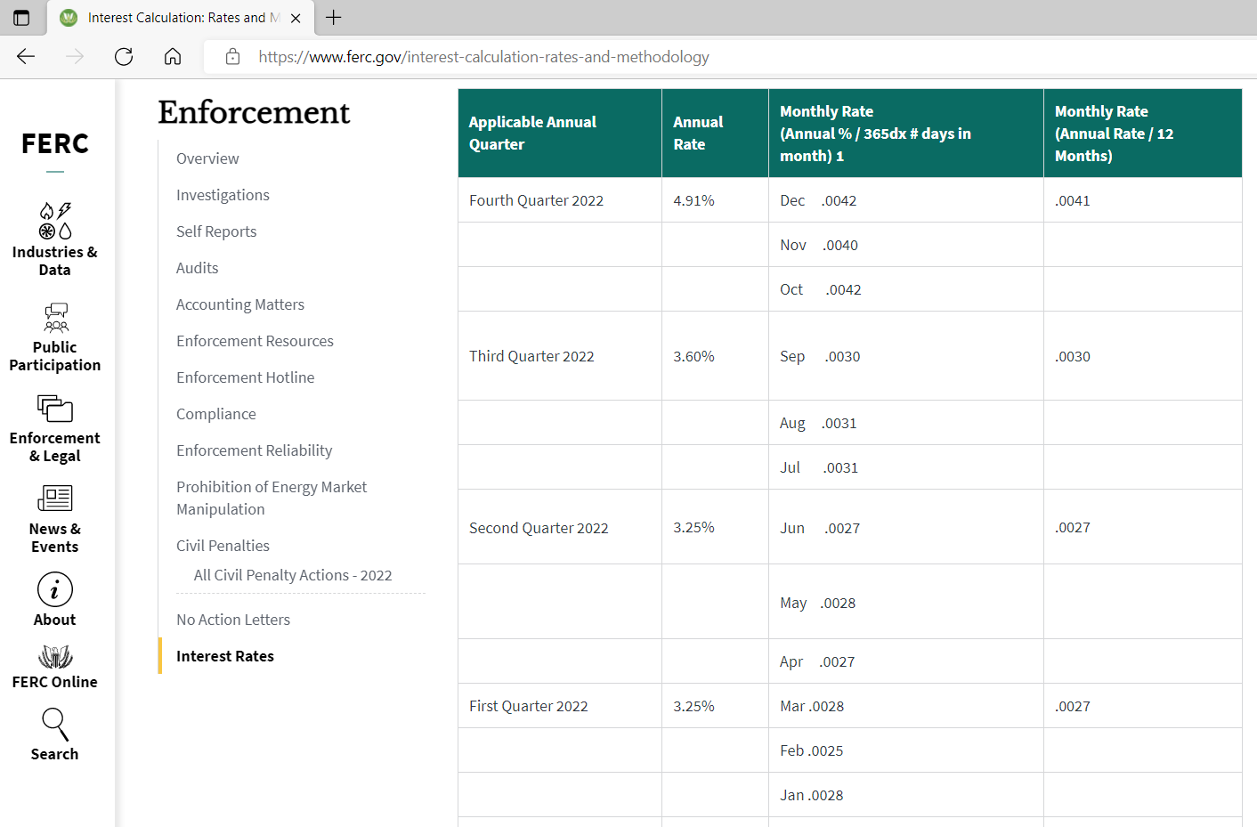

Applicable Annual Quarter | Annual Rate | Monthly Rate

Fourth Quarter 2022 | 4.91% | 0.0041

Source:
https://www.ferc.gov/enforcement-legal/enforcement/interest-rates

Last checked: September 12, 2022

