Earnings Sharing
SAP: ZRW_ZO12
Order Group: EB_ELEC.OVER
12ME December 2022
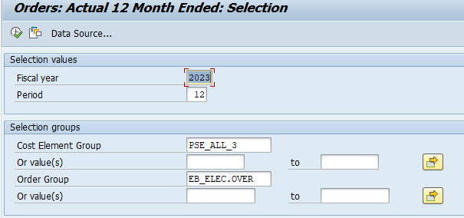

 | OverEarnings

TGrants
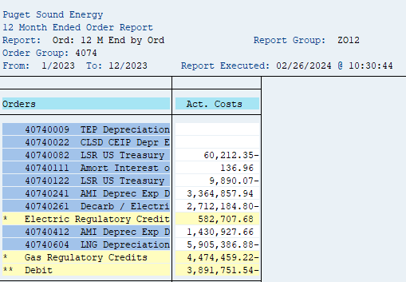
SAP: ZRW_ZO12
Order Group: 4074
12ME December 2023

Orders | Act. Costs
40740009 TEP Depreciation
40740022 CLSD CEIP Depr E
40740082 LSR US Treasury | 60,212.35- | (60,212)
40740111 Amort Interest o | 136.96
40740122 LSR US Treasury | 9,890.07- | (9,890)
40740241 AMI Deprec Exp D | 3,364,857.94
40740261 Decarb / Electri | 2,712,184.80-
* Electric Regulatory Credit | 582,707.68
40740412 AMI Deprec Exp D | 1,430,927.66
40740604 LNG Depreciation | 5,905,386.88-
* Gas Regulatory Credits | 4,474,459.22-
** Debit | 3,891,751.54- | (70,102)

PTC
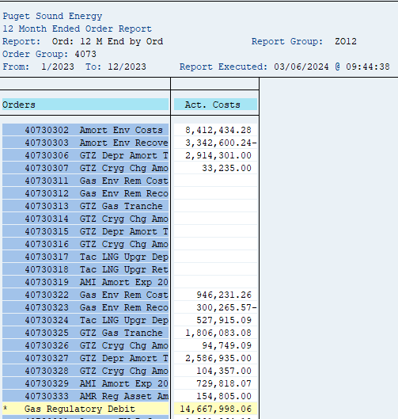
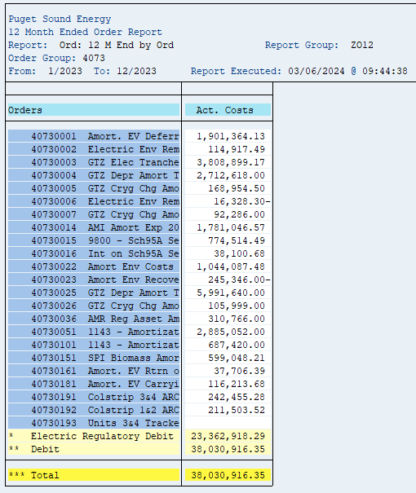
SAP: ZRW_ZO12
Order Group: 4073
12ME December 2023

Orders | Act. Costs
40730302 Amort Env Costs | 8,412,434.28
40730303 Amort Env Recove | 3,342,600.24-
40730306 GTZ Depr Amort T | 2,914,301.00
40730307 GTZ Cryg Chg Amo | 33,235.00
40730311 Gas Env Rem Cost
40730312 Gas Env Rem Reco
40730313 GTZ Gas Tranche
40730314 GTZ Cryg Chg Amo
40730315 GTZ Depr Amort T
40730316 GTZ Cryg Chg Amo
40730317 Tac LNG Upgr Dep
40730318 Tac LNG Upgr Ret
40730319 AMI Amort Exp 20
40730322 Gas Env Rem Cost | 946,231.26
40730323 Gas Env Rem Reco | 300,265.57-
40730324 Tac LNG Upgr Dep | 527,915.09
40730325 GTZ Gas Tranche | 1,806,083.08
40730326 GTZ Cryg Chg Amo | 94,749.09
40730327 GTZ Depr Amort T | 2,586,935.00
40730328 GTZ Cryg Chg Amo | 104,357.00
40730329 AMI Amort Exp 20 | 729,818.07
40730333 AMR Reg Asset Am | 154,805.00
* Gas Regulatory Debit | 14,667,998.06
40730001 Amort. EV Deferr | 1,901,364.13
40730002 Electric Env Rem | 114,917.49
40730003 GTZ Elec Tranche | 3,808,899.17
40730004 GTZ Depr Amort T | 2,712,618.00
40730005 GTZ Cryg Chg Amo | 168,954.50
40730006 Electric Env Rem | 16,328.30-
40730007 GTZ Cryg Chg Amo | 92,286.00
40730014 AMI Amort Exp 20 | 1,781,046.57
40730015 9800 - Sch95A Se | 774,514.49
40730016 Int on Sch95A Se | 38,100.68
40730022 Amort Env Costs | 1,044,087.48
40730023 Amort Env Recove | 245,346.00-
40730025 GTZ Depr Amort T | 5,991,640.00
40730026 GTZ Cryg Chg Amo | 105,999.00
40730036 AMR Reg Asset Am | 310,766.00
40730051 1143 - Amortizat | 2,885,052.00
40730101 1143 - Amortizat | 687,420.00
40730151 SPI Biomass Amor | 599,048.21
40730161 Amort. EV Rtrn o | 37,706.39
40730181 Amort. EV Carryi | 116,213.68
40730191 Colstrip 3&4 ARC | 242,455.28
40730192 Colstrip 1&2 ARC | 211,503.52
40730193 Units 3&4 Tracke
* Electric Regulatory Debit | 23,362,918.29
** Debit | 38,030,916.35
*** Total | 38,030,916.35

