191
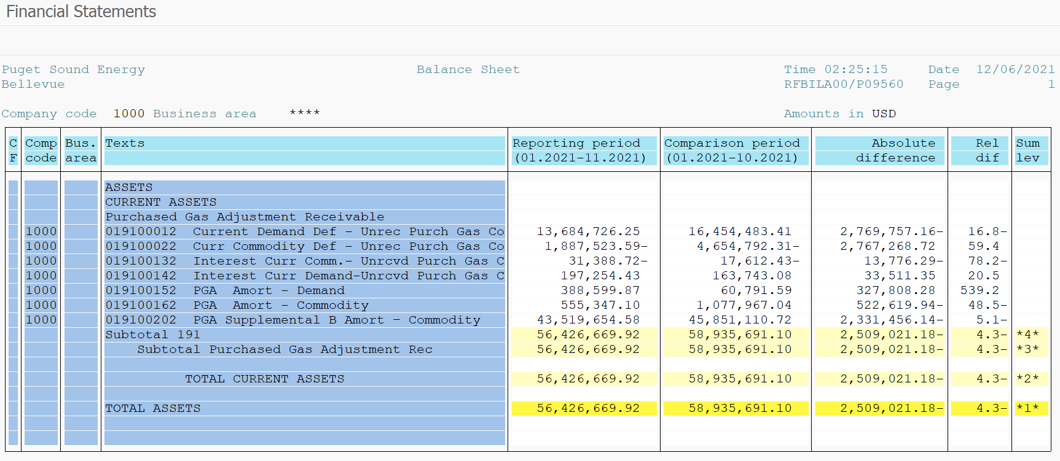
PUGET SOUND ENERGY
PGA 191 Account Balances
November
2021

 |  | Acct No. | Nov-21

Surcharge/Refund Amortization Accounts:
PGA Refund/Surcharge Amortization (Demand) |  | 19100152
 | Beginning |  | $60,791.59
 | Transfer Deferral Amounts to Surcharge/Refund Account |  | 387,560.31
 | Surcharge/Refund Amortization |  | (57,532.00)
 | Migration Credit |  | 287.06
 | Interest |  | (2,507.09)
 | Total Month |  | 327,808.28
 | Ending |  | $388,599.87

PGA Refund/Surcharge Amortization (Commodity) - 106 |  | 19100162
 | Beginning |  | $1,077,967.04
 | Transfer Deferral Amounts to Surcharge/Refund Account |  | (359,440.14)
 | Surcharge/Refund Amortization |  | (179,240.00)
 | Migration Credit |  | 3,106.70
 | Interest |  | 12,953.50
 | Total Month |  | (522,619.94)
 | Ending |  | $555,347.10

PGA Supplemental Amortization (Commodity) - 106A |  | 19100192
 | Beginning |  | $-
 | Transfer Deferral Amounts to Surcharge/Refund Account |  | -
 | Surcharge/Refund Amortization |  | -
 | Migration Credit |  | -
 | Interest |  | -
 | Total Month |  | -
 | Ending |  | $-

PGA Supplemental Amortization (Commodity) - 106B |  | 19100202
 | Beginning |  | $45,851,110.72
 | Transfer Deferral Amounts to Surcharge/Refund Account
 | Surcharge/Refund Amortization |  | (2,436,363.00)
 | Migration Credit
 | Interest |  | 104,906.86
 | Total Month |  | (2,331,456.14)
 | Ending |  | $43,519,654.58

Current Demand Deferral |  | 19100012
 | Beginning |  | $16,454,483.41
 | Transfer Deferral Amounts to Surcharge/Refund Account |  | (383,526.23)
 | Deferral |  | (2,386,230.93)
 | Total Month |  | (2,769,757.16)
 | Ending |  | $13,684,726.25

Current Commodity Deferral |  | 19100022
 | Beginning |  | $(4,654,792.31)
 | Transfer Deferral Amounts to Surcharge/Refund Account |  | 361,995.77
 | Deferral |  | 2,405,272.95
 | Total Month |  | 2,767,268.72
 | Ending |  | $(1,887,523.59)

Interest on Demand Deferral |  | 19100142
 | Beginning |  | $163,743.08
 | Transfer Interest Amounts to Surcharge/Refund Account |  | (4,034.08)
 | Interest |  | 37,545.43
 | Total Month |  | 33,511.35
 | Ending |  | $197,254.43

Interest on Commodity Deferral |  | 19100132
 | Beginning |  | $(17,612.43)
 | Transfer Interest Amounts to Surcharge/Refund Account |  | (2,555.63)
 | Interest |  | (11,220.66)
 | Total Month |  | (13,776.29)
 | Ending |  | $(31,388.72)

Total 191
 | Beginning |  | $58,935,691.10
 | Total Month |  | (2,509,021.18)
 | Ending |  | $56,426,669.92
Less: Acct. being Amortized |  |  | 44,463,601.55
Current Period Under/(Over) Recovered |  |  | $11,963,068.37

