JRW-2.1
 | Dockets UE-170033 and UG-170034
 | Exhibit JRW--2
 | Treasury Yields
 | Page 1 of 1

Exhibit JRW--2

Panel A
Ten-Year Treasury Yields
1953-Present
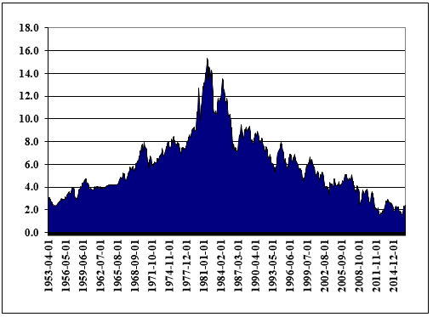

Source: http://research.stlouisfed.org/fred2/data/GS10.txt

Panel B
Long-Term Moody's Baa Yields Minus Ten-Year Treasury Yields
2000-Present
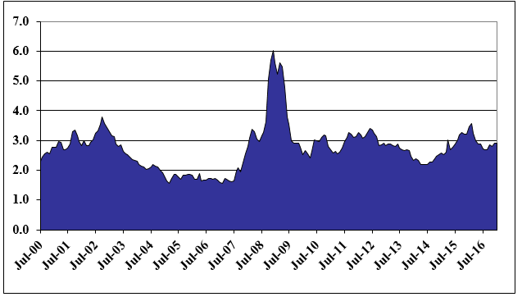

Source: Federal Reserve Bank of St. Louis, FRED Database.

JRW-3.1
 |  | Dockets UE-170033 and UG-170034
 |  | Exhibit JRW--3
 |  | Public Utility Bond Yields
 |  | Page 1 of 1

 | Exhibit JRW--3
 | Panel A
 | Long-Term, A-Rated Public Utility Yields
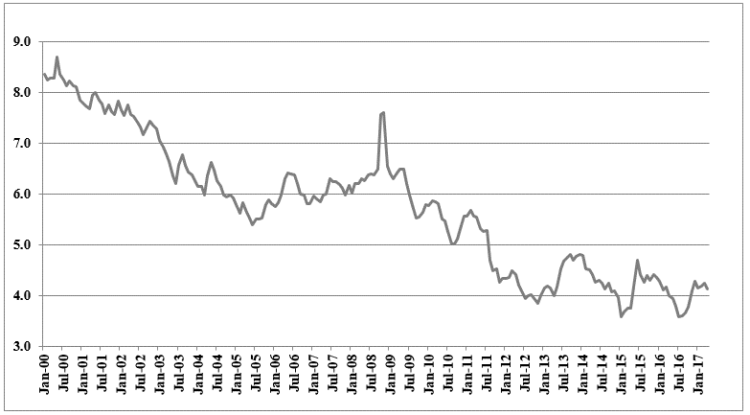

 | Panel B
 | Long-Term, A-Rated Public Utility Yields minus -Twenty-Year Treasury Yields
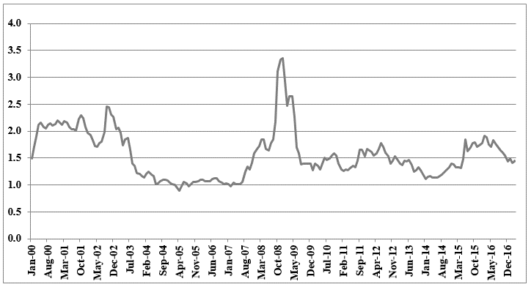

Source: Mergent Bond Record, Federal Reserve Bank of St. Louis, FRED Database.

JRW-6.1 (2)
 | Dockets UE-170033 and UG-170034
 | Exhibit JRW--6
 | The Relationship Between Expected ROE and Market-to-Book Ratios
 | Page 1 of 2

Exhibit JRW--6
Electric Utilities
Panel A
Market-to-Book
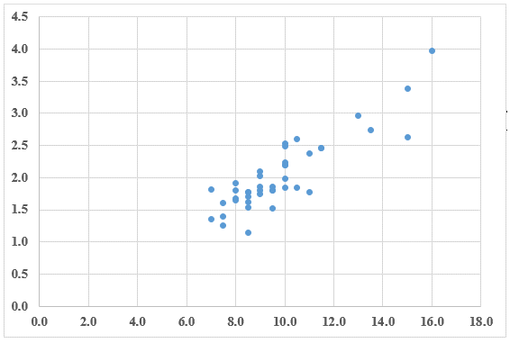

Expected Return on Equity
R-Square = .77, N=42
Source: Value Line Investment Survey, 2016.

Panel B
Gas Companies
Market-to-Book
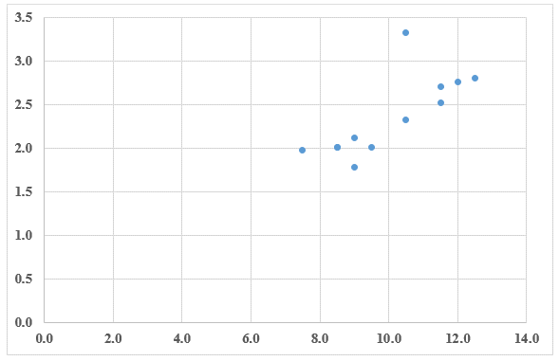

Expected Return on Equity
R-Square = .56, N=12
Source: Value Line Investment Survey, 2016.

JRW-6.2 (2)
 | Dockets UE-170033 and UG-170034
 | Exhibit JRW--6
 | The Relationship Between Expected ROE and Market-to-Book Ratios
 | Page 2 of 2

Exhibit JRW--6
Water Companies
Panel C
Market-to-Book
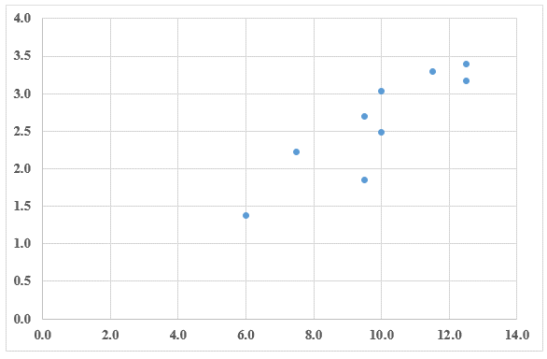

Expected Return on Equity
R-Square = .75, N=9
Source: Value Line Investment Survey, 2016.

JRW-7.2
 | Dockets UE-170033 and UG-170034
 | Exhibit JRW--7
 | Public Utility Capital Cost Indicators
 | Page 2 of 3

Exhibit JRW--7

Electric Utility Average Dividend Yield
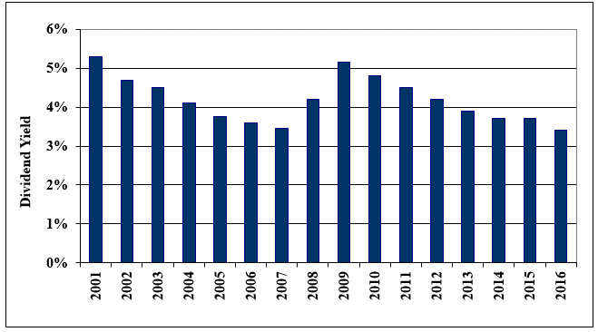

Data Source: Value Line Investment Survey.

JRW-7.3
 | Dockets UE-170033 and UG-170034
 | Exhibit JRW--7
 | Public Utility Capital Cost Indicators
 | Page 3 of 3

Exhibit JRW--7

Electric Utility Average Return on Equity and Market-to-Book Ratios
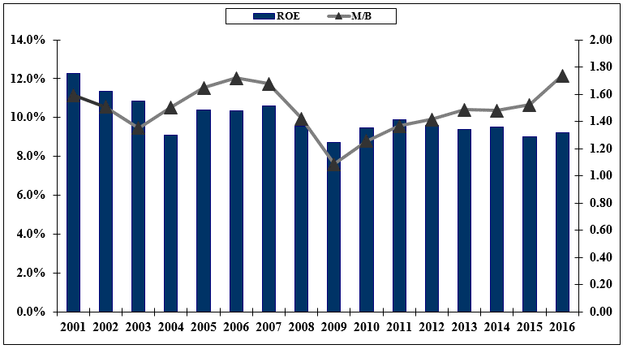

Data Source: Value Line Investment Survey.

JRW-11.2
 | Dockets UE-170033 and UG-170034
 | Exhibit JRW--11
 | CAPM Study
 | Page 2 of 6

Exhibit JRW--11

Thirty-Year U.S. Treasury Yields
2012-2017


Source: Federal Reserve Bank of St. Louis, FRED Database.

JRW-11.3
 |  |  | Dockets UE-170033 and UG-170034
 |  |  | Exhibit JRW--11
 |  |  | CAPM Study
 |  |  | Page 3 of 6

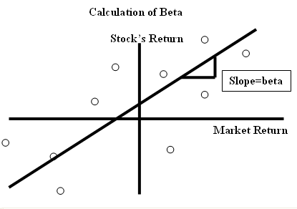

 |  |  |  | `

 | Panel A
 | Electric Proxy Group
 | Company Name | Beta
1 | ALLETE, Inc. (NYSE-ALE) | 0.80
2 | Alliant Energy Corporation (NYSE-LNT) | 0.70
3 | Ameren Corporation (NYSE-AEE) | 0.65
4 | American Electric Power Co. (NYSE-AEP) | 0.65
5 | Avista Corporation (NYSE-AVA) | 0.70
6 | CMS Energy Corporation (NYSE-CMS) | 0.65
7 | Consolidated Edison, Inc. (NYSE-ED) | 0.50
8 | Dominion Resources, Inc. (NYSE-D) | 0.65
9 | DTE Energy Company (NYSE-DTE) | 0.65
10 | Duke Energy Corporation (NYSE-DUK) | 0.60
11 | Edison International (NYSE-EIX) | 0.60
12 | El Paso Electric Company (NYSE-EE) | 0.75
13 | Entergy Corporation (NYSE-ETR) | 0.65
14 | Eversource Energy (NYSE-ES) | 0.65
15 | FirstEnergy Corporation (NYSE-FE) | 0.65
16 | Hawaiian Electric Inductries (NYSE-HEC) | 0.70
17 | IDACORP, Inc. (NYSE-IDA) | 0.75
18 | MGE Energy, Inc. (NYSE-MGEE) | 0.75
19 | NorthWestern Corporation (NYSE-NWE) | 0.65
20 | OGE Energy Corp. (NYSE-OGE) | 0.95
21 | Otter Tail Corporation (NDQ-OTTR) | 0.90
22 | PG&E Corporation (NYSE-PCG) | 0.65
23 | Pinnacle West Capital Corp. (NYSE-PNW) | 0.70
24 | PNM Resources, Inc. (NYSE-PNM) | 0.70
25 | Portland General Electric Company (NYSE-POR) | 0.70
26 | PPL Corporation (NYSE-PPL) | 0.70
27 | SCANA Corporation (NYSE-SCG) | 0.65
28 | Southern Company (NYSE-SO) | 0.55
29 | WEC Energy Group (NYSE-WEC) | 0.60
30 | Xcel Energy Inc. (NYSE-XEL) | 0.60
 | Mean | 0.68
 | Median | 0.65
 | Data Source: Value Line Investment Survey, 2017.

 | Panel B
 | Morin Proxy Group
 | Company | Beta
1 | Alliant Energy Corporation (NYSE-LNT) | 0.70
2 | Ameren Corporation (NYSE-AEE) | 0.65
3 | Avista Corporation (NYSE-AVA) | 0.70
4 | CenterPoint Energy (NYSE-CNP) | 0.85
5 | Chesapeake Utilities Corporation (NYSE-CPK) | 0.70
6 | Consolidated Edison, Inc. (NYSE-ED) | 0.50
7 | CMS Energy Corporation (NYSE-CMS) | 0.65
8 | DTE Energy Company (NYSE-DTE) | 0.65
9 | Eversource Energy (NYSE-ES) | 0.65
10 | MGE Energy, Inc. (NYSE-MGEE) | 0.75
11 | NorthWestern Corporation (NYSE-NWE) | 0.65
12 | PG&E Corporation (NYSE-PCG) | 0.65
13 | Public Service Enterprise (NYSE-PEG) | 0.65
14 | SCANA Corporation (NYSE-SCG) | 0.65
15 | Sempra Energy (NYSE-SRE) | 0.80
16 | Vectren Corporation (NYSE-VVC) | 0.75
17 | WEC Energy Group (NYSE-WEC) | 0.60
18 | Xcel Energy Inc. (NYSE-XEL) | 0.60
 | Mean | 0.68
 | Median | 0.65

 | Panel C
 | Gas Proxy Group
 | Company | Beta
 | Atmos Energy Corporation (NYSE-ATO) | 0.70
 | Chesapeake Utilities Corporation (NYSE-CPK) | 0.70
 | New Jersey Resources Corp. (NYSE-NJR) | 0.80
 | NiSource Inc. (NYSE-NI) | 0.65
 | Northwest Natural Gas Co. (NYSE-NWN) | 0.65
 | South Jersey Industries, Inc. (NYSE-SJI) | 0.80
 | Southwest Gas Corporation (NYSE-SWX) | 0.75
 | Spire (NYSE-SR) | 0.70
 | Mean | 0.72
 | Median | 0.70
 | Data Source: Value Line Investment Survey, 2017.

