Forecast Balance
Washington Energy Recovery Mechanism
Forecast Amortization and Balance
Amortization Period: July 2023 - June 2024

 | 2022 | 2023 | 2023 | 2023 | 2023 | 2023 | 2023 | Compound | 2023 | 2023 | 2023 | 2023 | 2023 | Compound | 2024 | 2024 | 2024 | 2024 | 2024
 | End December | End January | February | March | April | May | June | July | August | September | October | November | December | January | February | March | April | May | June |  |  | Total
Amortization Amount | $- | $- | $- | $- | $- | $- | $- | $2,804,934 | $2,906,384 | $2,423,864 | $2,548,016 | $2,816,709 | $3,225,698 | $3,262,442 | $2,929,304 | $2,762,752 | $2,473,991 | $2,417,559 | $2,501,680 | $33,073,333 |  | $33,073,333
Cumulative Balance (Before Interest) | $- | $(31,864,265) | $(31,864,265) | $(31,864,265) | $(31,864,265) | $(31,864,265) | $(31,864,265) | $(29,662,219) | $(26,853,795) | $(24,518,885) | $(22,051,729) | $(19,308,321) | $(16,147,719) | $(12,941,078) | $(10,057,727) | $(7,331,165) | $(4,884,534) | $(2,486,193) | $3,896
Interest | $- | $(100,481) | $(100,481) | $(100,481) | $(100,481) | $(100,481) | $(100,481) | $(97,960) | $(88,955) | $(80,859) | $(73,301) | $(65,097) | $(55,801) | $(45,953) | $(36,190) | $(27,360) | $(19,217) | $(11,591) | $(3,896) | $(606,180) |  | $(606,180)
Other ERM Adjustments |  | $- |  |  |  |  |  |  |  |  |  |  |  |  |  | $-

ERM Revenue Balance (Income Statement) | $(31,864,265) | $(31,964,746) | $(32,065,228) | $(32,165,709) | $(32,266,190) | $(32,366,672) | $(32,467,153) | $(29,760,179) | $(26,942,749) | $(24,599,745) | $(22,125,030) | $(19,373,418) | $(16,203,520) | $(12,987,031) | $(10,093,917) | $(7,358,525) | $(4,903,751) | $(2,497,784) | $- | $0 | $0

Actual Cost of Debt as of 12.31.2022 | Monthly Rate | Tax Rate | Monthly After Tax Rate
4.790% | 0.39917% | 21.000% | 0.31534%
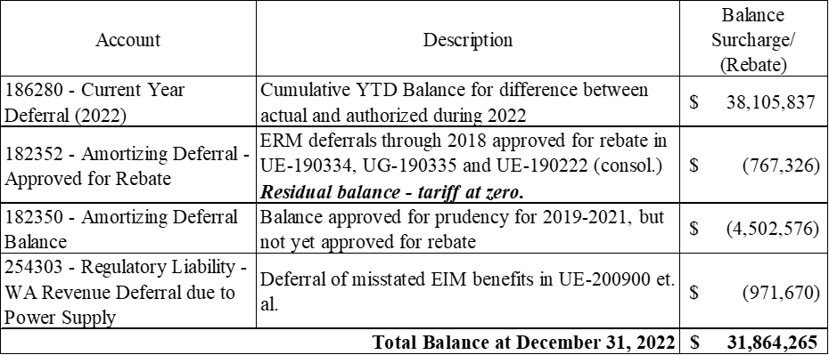

 |  | Revenue
Amortization | $33,073,333 | $34,593,056
Amortization | $- | $-

 | $33,073,333 | $34,593,056

Revenue Conversion Factor | 0.95606855162
Total to Revover | $34,593,056

