Sch 135_136 GreenPwr
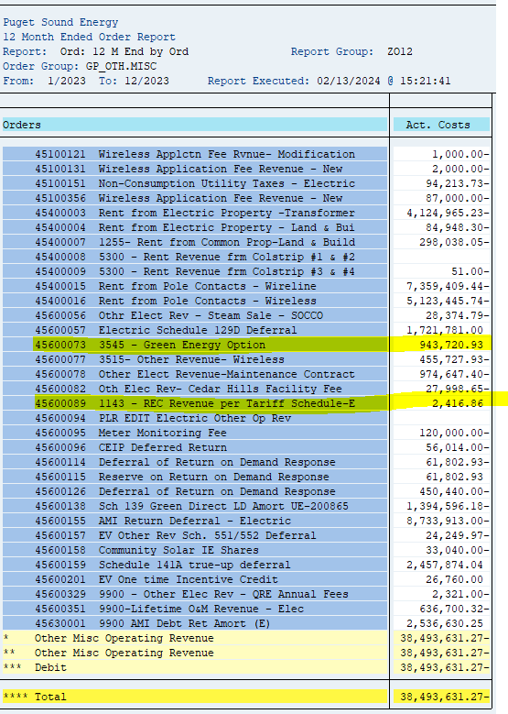
ZRW_ZO12 Report
Order Group : GP_OTH.MISC

Orders | Act. Costs
45600073 3545 - Green Energy Option | 943,720.93
45600089 1143 - REC Revenue per Tariff Schedule-E | 2,416.86

Sch 140 PropertyTaxes
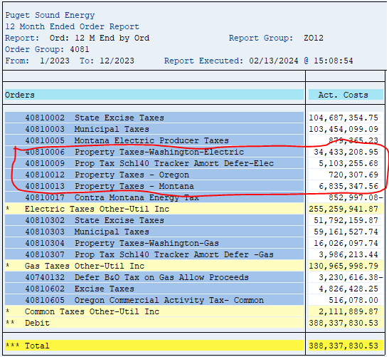
ZRW_ZO12 Report
Order Group : 4081

Orders | Act. Costs
40810006 Property Taxes-Washington-Electric | 34,433,209
40810009 Prop Tax Sch140 Tracker Amort Defer-Elec | 5,103,256
40810012 Property Taxes - Oregon | 720,308
40810013 Property Taxes - Montana | 6,835,348
 | 47,092,120

Sch 120 Conserv
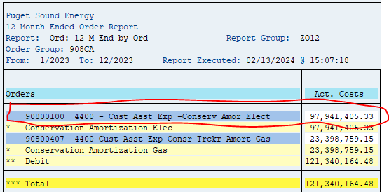
ZRW_ZO12 Report
Order Group : 908CA

Orders | Act. Costs
90800100 4400 - Cust Asst Exp -Conserv Amor Elect | 97,941,405.33

Sch 129 LowInc
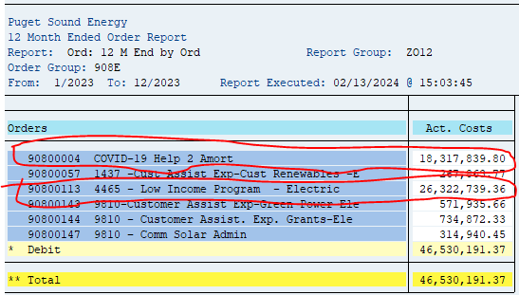
ZRW_ZO12 Report
Order Group : 908E

Orders | Act. Costs
90800113 4465 - Low Income Program - Electric | 26,322,739
9080004 COVID 19 Help 2 Amort | 18,317,840
 | 44,640,579

Sch 81 MunicipalTaxes
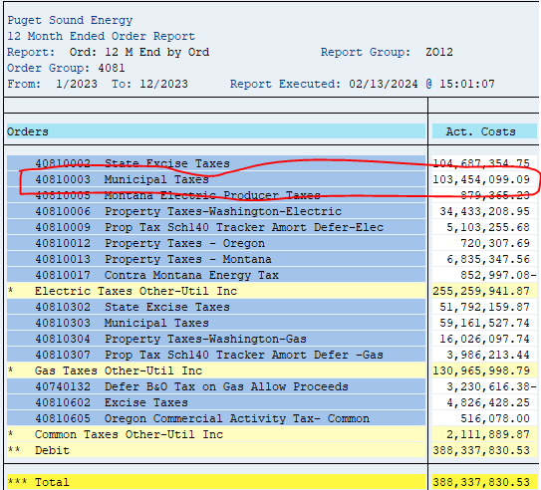
ZRW_ZO12 Report
Order Group : 4081

Orders | Act. Costs
40810003 Municipal Taxes | 103,454,099
 | 103,454,099

Sch Bill Discount 129D
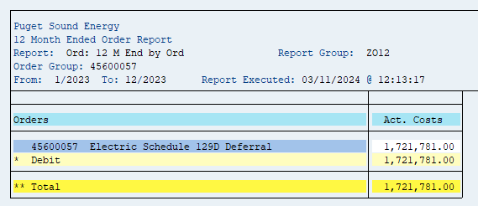
ZRW_ZO12 Report
45600057, 45600091

Orders | Act. Costs
45600057 - Electric Sch 129D Deferral | 1,721,781

 | 1,721,781

Sch 137 Int on Rec Proc
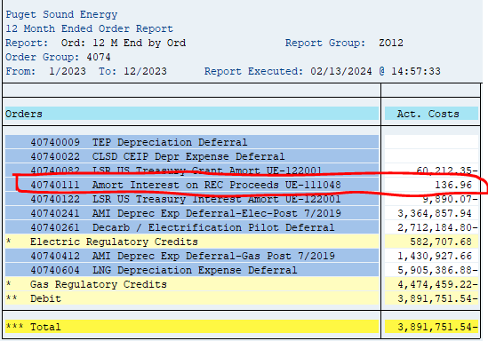
ZRW_ZO12 Report
Order Group : 4074

Orders | Act. Costs
40740111 Amort Interest on REC Proceeds UE-111048 | 137

40740231 9800–MSFT Transition Fee Amort UE-161123

Sch 194 Res. Exchge
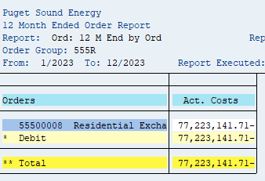
ZRW_ZO12 Report
Order Group : 555R

Orders | Act. Costs
55500008 Residential Exchange - Purch Power | (77,223,142)

Sch 142 Decoupling
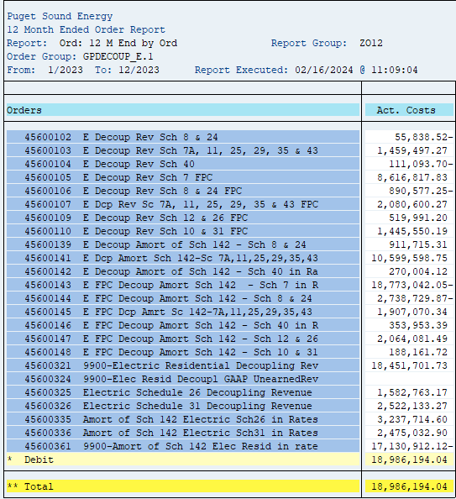
ZRW_ZO12 Report
Order Group : GPDECOUP_E.1

 | Orders | 2023 | Amort
 | 45600102 E Decoup Rev Sch 8 & 24 | -55,838.52
 | 45600103 E Decoup Rev Sch 7A, 11, 25, 29, 35 & 43 | 1,459,497.27
 | 45600104 E Decoup Rev Sch 40 | -111,093.70
 | 45600105 E Decoup Rev Sch 7 FPC | 8,616,817.83
 | 45600106 E Decoup Rev Sch 8 & 24 FPC | -890,577.25
 | 45600107 E Dcp Rev Sc 7A, 11, 25, 29, 35 & 43 FPC | 2,080,600.27

 | 45600109 E Decoup Rev Sch 12 & 26 FPC | 519,991.20
 | 45600110 E Decoup Rev Sch 10 & 31 FPC | 1,445,550.19
 | 45600139 E Decoup Amort of Sch 142 - Sch 8 & 24 | 911,715.31 | 911,715
 | 45600141 E Dcp Amort Sch 142-Sc 7A,11,25,29,35,43 | 10,599,598.75 | 10,599,599
 | 45600142 E Decoup Amort of Sch 142 - Sch 40 in Ra | 270,004.12 | 270,004
 | 45600143 E FPC Decoup Amort Sch 142 - Sch 7 in R | -18,773,042.05 | (18,773,042)
 | 45600144 E FPC Decoup Amort Sch 142 - Sch 8 & 24 | -2,738,729.87 | (2,738,730)
 | 45600145 E FPC Dcp Amrt Sc 142-7A,11,25,29,35,43 | 1,907,070.34 | 1,907,070
 | 45600146 E FPC Decoup Amort Sch 142 - Sch 40 in R | 353,953.39 | 353,953
 | 45600147 E FPC Decoup Amort Sch 142 - Sch 12 & 26 | 2,064,081.49 | 2,064,081
 | 45600148 E FPC Decoup Amort Sch 142 - Sch 10 & 31 | 188,161.72 | 188,162

 | 45600321 9900-Electric Residential Decoupling Rev | 18,451,701.73
 | 45600324 9900-Elec Resid Decoupl GAAP UnearnedRev | 0
 | 45600325 Electric Schedule 26 Decoupling Revenue | 1,582,763.17
 | 45600326 Electric Schedule 31 Decoupling Revenue | 2,522,133.27

 | 45600335 Amort of Sch 142 Electric Sch26 in Rates | 3,237,714.60 | 3,237,715
 | 45600336 Amort of Sch 142 Electric Sch31 in Rates | 2,475,032.90 | 2,475,033
 | 45600361 9900-Amort of Sch 142 Elec Resid in rate | -17,130,912.12 | (17,130,912)

 |  | 18,986,194.04 | (16,635,351)

Green Power 557
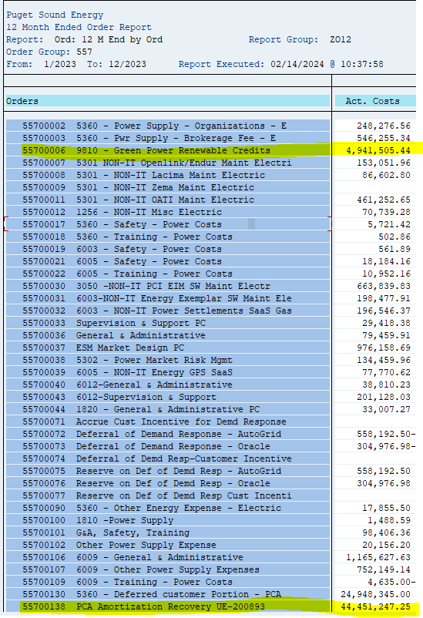
ZRW_ZO12 Report
Order Group : 557

 |  | 2023
 | Orders | Act. Costs

 | 55700006 9810 - Green Power Renewable Credits | 4,941,505
 | 55700138 PCA Amortization Recovery UE-200893 | 44,451,247

