Schedule 129
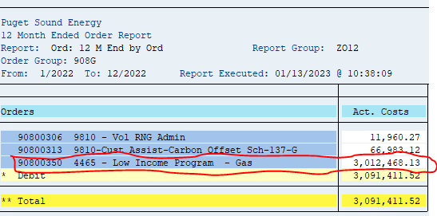
ZRW_Zo12
Order Group: 908G

90800350 4465 - Low Income Program - Gas | 3,012,468.13

Schedule 120
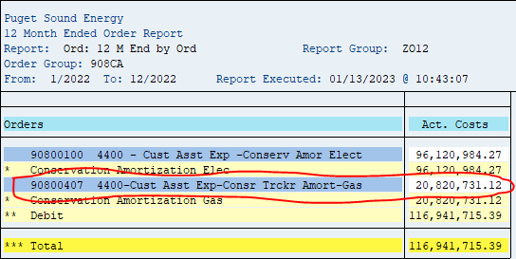
ZRW_Zo12
Order Group: 908CA

90800407 4400-Cust Asst Exp-Consr Trckr Amort-Gas | 20,820,731.12

Schedule 140
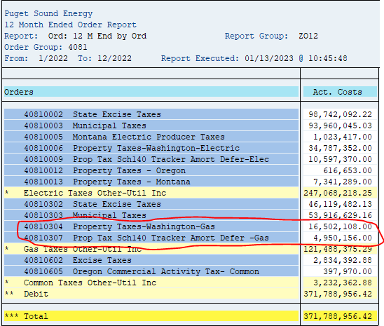
ZRW_Zo12
Order Group: 4081

40810304 Property Taxes-Washington-Gas | 16,502,108.00
40810307 Prop Tax Sch140 Tracker Amort Defer -Gas | 4,950,156.00
 | 21,452,264.00

Schedule 106
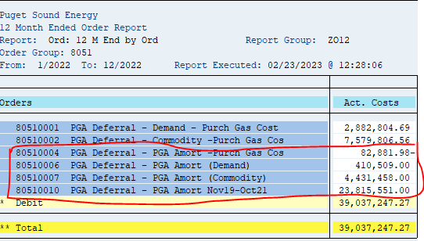
ZRW_ZO12
Order Group 8051 |  |  | 2022
 | 80510001 | PGA Deferral - Demand - Purch Gas Cost | 2,882,805
 | 80510002 | PGA Deferral - Commodity -Purch Gas Cos | 7,579,807
 | 80510004 | PGA Deferral - PGA Amort -Purch Gas Cos | (82,882)
 | 80510006 | PGA Deferral - PGA Amort (Demand) | 410,509
 | 80510007 | PGA Deferral - PGA Amort (Commodity) | 4,431,458
 | 80510009 | PGA Deferral – PGA Amort May19-May20
 | 80510010 | PGA Deferral - PGA Amort Nov19-Oct21 | 23,815,551
 |  |  | 28,574,636

SC 142 Decoup
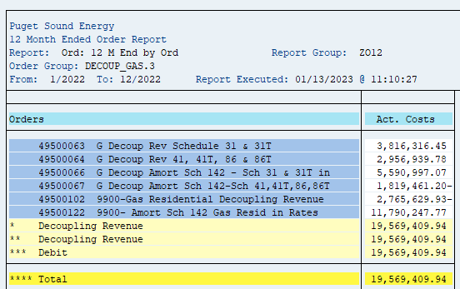
ZRW_ZO12
Order Group: DECOUP_GAS.3

Orders | Act. Costs
49500063 G Decoup Rev Schedule 31 & 31T | 3,816,316.45
49500064 G Decoup Rev 41, 41T, 86 & 86T | 2,956,939.78
49500066 G Decoup Amort Sch 142 - Sch 31 & 31T in | 5,590,997.07
49500067 G Decoup Amort Sch 142-Sch 41,41T,86,86T | 1,819,461.20-
49500102 9900-Gas Residential Decoupling Revenue | 2,765,629.93-
49500122 9900- Amort Sch 142 Gas Resid in Rates | 11,790,247.77

**** Total | 19,569,409.94
 | 15,561,783.64

Conversion Factor Before FIT | 0.954553

Decoupling Revenue | (16,302,692.09)

SC 137 Carbon
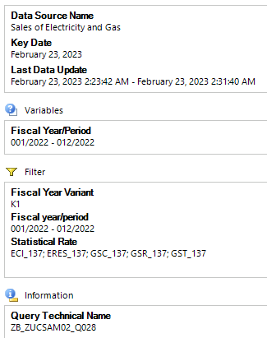
 |  |  | Total Billed Amount Incl Tax
 |  | Statistical Rate | ECI_137 | ERES_137 | GSC_137 | GSR_137 | GST_137 | Overall Result
Division |  | Fiscal year/period | $ | $ | $ | $ | $ | $
10 | Electric | 001/2022 | -31,116.90 | -46,488.69 |  |  |  | -77,605.59
 |  | 002/2022 | -19,383.25 | -25,969.02 |  |  |  | -45,352.27
 |  | 003/2022 | -16,922.08 | -24,633.75 |  |  |  | -41,555.83
 |  | 004/2022 | -17,126.36 | -21,008.60 |  |  |  | -38,134.96
 |  | 005/2022 | -16,905.77 | -18,802.49 |  |  |  | -35,708.26
 |  | 006/2022 | -16,631.75 | -16,390.55 |  |  |  | -33,022.30
 |  | 007/2022 | -15,638.57 | -15,321.77 |  |  |  | -30,960.34
 |  | 008/2022 | -18,247.49 | -17,375.11 |  |  |  | -35,622.60
 |  | 009/2022 | -16,746.07 | -16,424.24 |  |  |  | -33,170.31
 |  | 010/2022 | -16,093.55 | -14,445.02 |  |  |  | -30,538.57
 |  | 011/2022 | -17,187.68 | -20,454.50 |  |  |  | -37,642.18
 |  | 012/2022 | -17,851.35 | -27,432.48 |  |  |  | -45,283.83
 |  | Result | -219,850.82 | -264,746.22 |  |  |  | -484,597.04
20 | Gas | 001/2022 |  |  | 19,283.10 | 93,120.83 | 825.00 | 113,228.93
 |  | 002/2022 |  |  | 20,205.60 | 93,382.76 | 1,650.00 | 115,238.36
 |  | 003/2022 |  |  | 23,815.99 | 94,687.29 |  | 118,503.28
 |  | 004/2022 |  |  | 6,624.73 | 94,701.74 | 825.00 | 102,151.47
 |  | 005/2022 |  |  | 9,480.20 | 96,552.95 | 825.00 | 106,858.15
 |  | 006/2022 |  |  | 7,830.30 | 97,301.04 | 825.00 | 105,956.34
 |  | 007/2022 |  |  | 8,012.90 | 97,647.47 | 825.00 | 106,485.37
 |  | 008/2022 |  |  | 8,472.80 | 97,734.73 | 825.00 | 107,032.53
 |  | 009/2022 |  |  | 8,481.00 | 98,272.77 | 825.00 | 107,578.77
 |  | 010/2022 |  |  | 8,472.50 | 98,582.70 | 825.00 | 107,880.20
 |  | 011/2022 |  |  | 7,991.00 | 99,942.37 | 1,650.00 | 109,583.37
 |  | 012/2022 |  |  | 52,861.79 | 99,191.36 |  | 152,053.15
 |  | Result |  |  | 181,531.91 | 1,161,118.01 | 9,900.00 | 1,352,549.92

Sch 137 Carbon Offset
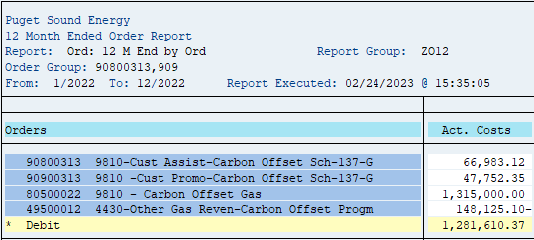
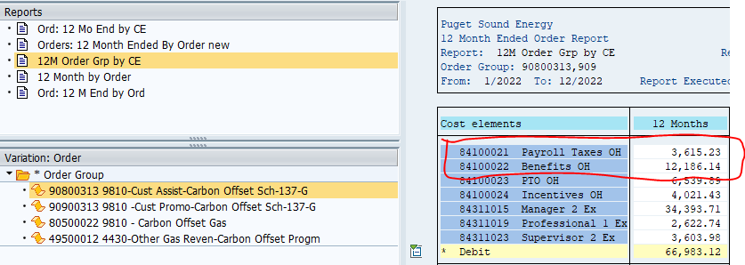
ZRW_Zo12
Order Group: 90800313, 909

Orders |  | Amounts
49500012 4430-Other Gas Reven-Carbon Offset Progm | OOR | (148,125.10)

90900313 9810 -Cust Promo-Carbon Offset Sch-137-G | 90900313 CUST SERV | 47,752.35
80500022 9810 - Carbon Offset Gas | PGA | 1,315,000.00

90800313 9810-Cust Assist-Carbon Offset Sch-137-G | 90800313 A&G | 12,186.14
90800313 9810-Cust Assist-Carbon Offset Sch-137-G | 90800313 PTAX | 3,615.23
90800313 9810-Cust Assist-Carbon Offset Sch-137-G | 90800313 CUST SERV | 51,181.75
 |  | 1,281,610.37

Sch 138 RNG
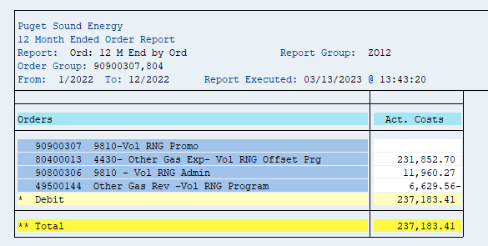
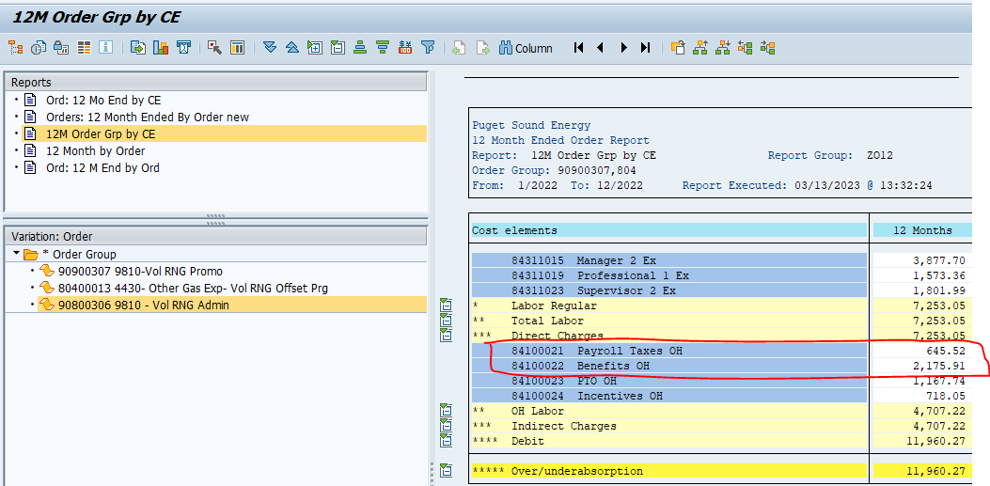
KOb1
12ME DEC 2022
ZRW_Zo12
Order: 90900307, 80400013, 90800306, 49500144

Orders |  | Amount
49500144 | Other Gas Rev - Vol RNG Program | (6,629.56)

90900307 | Vol RNG Promo | -
80400013 | Other Gas Exp _ Vol RNG Offset Prg | 231,852.70

90900306 | Customer Service | 9,138.84
90900306 | Payroll Taxes | 645.52
90900306 | Benefits OH | 2,175.91
 |  | 237,183.41

SOEG Muni Tax
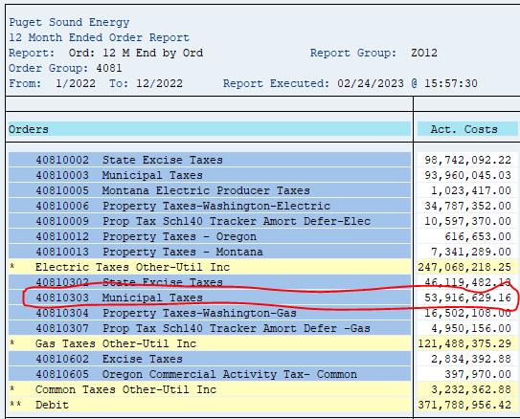
 |  |  |  |  | Total Billed Amount Incl Tax
 |  |  |  | Fiscal year/period | 001/2022 | 002/2022 | 003/2022 | 004/2022 | 005/2022 | 006/2022 | 007/2022 | 008/2022 | 009/2022 | 010/2022 | 011/2022 | 012/2022 | Overall Result
Division |  | Rate Category |  | Statistical Rate | $ | $ | $ | $ | $ | $ | $ | $ | $ | $ | $ | $ | $
20 | Gas | SCH_016GR | Natural Gas Lighting Service | GSU_FFSTAT | 24.56 | 24.56 | 24.61 | 6.35 | 42.85 | 24.65 | 24.65 | 22.09 | 22.00 | 22.00 | 23.93 | 25.31 | 287.56
 |  | SCH_023G | Natural Gas Residential General Service | GSR_FFSTAT | 5,355,564.10 | 4,376,221.57 | 4,142,000.52 | 3,286,761.07 | 2,677,162.15 | 1,793,000.29 | 1,213,112.22 | 1,010,934.82 | 1,039,026.98 | 1,295,346.18 | 3,469,308.28 | 5,586,033.64 | 35,244,471.82
 |  | SCH_031GC | Natural Gas Commercial General Service | GSC_FFSTAT | 2,044,204.83 | 1,762,355.23 | 1,643,777.27 | 1,390,305.62 | 1,172,601.23 | 870,551.18 | 596,199.21 | 502,680.79 | 539,601.63 | 607,859.25 | 1,338,323.15 | 2,198,922.27 | 14,667,381.66
 |  | SCH_031GI | Natural Gas Industrial General Service | GSC_FFSTAT | 125,541.48 | 115,728.44 | 96,509.30 | 93,022.00 | 59,351.33 | 40,908.63 | 28,902.24 | 23,757.61 | 31,867.44 | 32,495.80 | 81,188.15 | 132,933.48 | 862,205.90
 |  | SCH_031GTC | NGDS Transportation Service Firm Com | GST_FFSTAT | 267.44 | 435.75 |  | 326.05 | 309.54 | 270.46 |  |  |  |  |  |  | 1,609.24
 |  | SCH_031GTI | NGDS Transportation Service Firm Ind | GST_FFSTAT |  |  |  |  |  | 0.00 | 0.00 | 0.00 | 0.00 | 0.00 | 0.00 | 0.00 | 0.00
 |  | SCH_041GC | Natural Gas Large Vol. High Load Factor | GSC_FFSTAT | 276,326.61 | 255,606.52 | 273,305.29 | 223,689.68 | 201,908.04 | 70,470.67 | 228,007.76 | 143,977.95 | 128,956.22 | 151,323.16 | 230,078.98 | 336,191.25 | 2,519,842.13
 |  | SCH_041GI | Natural Gas Large Vol. High Load Factor | GSC_FFSTAT | 31,857.73 | 29,877.36 | 37,139.79 | 34,551.19 | 30,772.80 | 9,814.54 | 43,510.76 | 23,544.33 | 23,085.07 | 24,986.14 | 36,032.41 | 37,721.83 | 362,893.95
 |  | SCH_041GTC | NGDS Transportation Service Firm LVHLF | GST_FFSTAT | 13,406.68 | 23,392.48 | 4,536.89 | 12,985.53 | 12,352.75 | 12,111.49 | 11,462.46 | 11,227.75 | 11,146.33 | 11,022.01 | 23,425.89 | 969.32 | 148,039.58
 |  | SCH_041GTI | NGDS Transportation Service Firm LVHLF | GST_FFSTAT | 6,796.51 | 12,196.31 | 1,969.08 | 5,625.01 | 9,333.95 | 7,168.20 | 7,218.72 | 7,442.05 | 7,252.72 | 6,886.03 | 12,106.51 | 2,258.97 | 86,254.06
 |  | SCH_085GC | Natural Gas Inter Service w/ Firm Option | GSC_FFSTAT | 50,690.39 | 42,164.51 | 39,652.28 | 48,048.39 | 36,343.41 | 30,512.03 | 26,015.53 | 25,529.01 | 26,024.45 | 30,512.03 | 44,631.44 | 74,012.88 | 474,136.35
 |  | SCH_085GI | Natural Gas Inter Service w/ Firm Option | GSC_FFSTAT | 8,400.14 | 4,246.53 | 5,141.28 | 6,363.38 | 7,891.90 | 8,999.17 | 9,805.08 | 11,484.73 | 11,126.40 | 11,548.98 | 14,622.73 | 13,204.80 | 112,835.12
 |  | SCH_085GTC | NGDS Trans Service Inter. w/ Firm Option | GST_FFSTAT | 12,217.03 | 24,305.51 | 1,223.13 | 12,200.13 | 11,999.47 | 11,483.59 | 10,560.90 | 10,022.39 | 10,699.24 | 9,878.33 | 17,800.26 | 3,404.07 | 135,794.05
 |  | SCH_085GTI | NGDS Trans Service Inter. w/ Firm Option | GST_FFSTAT | 28,962.70 | 49,707.57 | 8,152.36 | 26,361.46 | 32,210.16 | 28,940.64 | 27,258.71 | 25,384.05 | 26,254.48 | 26,383.41 | 46,218.09 | 5,697.92 | 331,531.55
 |  | SCH_086GC | Nat Gas Limit Inter Serv w/ Firm Option | GSC_FFSTAT | 32,831.46 | 22,462.05 | 35,025.42 | 23,981.08 | 20,123.79 | 16,430.19 | 9,079.93 | 5,980.50 | 6,111.05 | 7,149.51 | 18,968.76 | 34,786.48 | 232,930.22
 |  | SCH_086GI | Nat Gas Limit Inter Serv w/ Firm Option | GSC_FFSTAT | 563.30 | 889.15 | 550.57 | 407.19 | 338.31 | 302.33 | 1,181.31 | 551.13 | 238.51 | 1,176.95 | 1,431.33 | 1,951.22 | 9,581.30
 |  | SCH_086GTC | NGDS Trans Service Limited Inter w/ Firm | GST_FFSTAT | 355.55 | 587.82 | 0.00 | 251.66 | 247.66 | 230.61 | 0.00 | 0.00 | 0.00 | 0.00 | 0.00 |  | 1,673.30
 |  | SCH_086GTI | NGDS Trans Service Limited Inter w/ Firm | GST_FFSTAT | 1,208.69 | 1,945.70 | 376.00 | 1,170.20 | 1,174.67 | 839.64 | 663.01 | 573.54 | 670.44 | 793.97 | 1,588.22 |  | 11,004.08
 |  | SCH_087GC | Nat Gas Non-Ex Inter Serv w/ Firm Option | GSC_FFSTAT | 72,764.38 | 70,435.37 | 70,456.99 | 59,574.28 | 56,712.99 | 50,823.49 | 31,515.19 | 35,195.65 | 28,706.74 | 25,010.80 | 109,493.73 | 6,800.28 | 617,489.89
 |  | SCH_087GTC | NGDS Trans Serv Non-Excl Inter w/ Firm | GST_FFSTAT | 5,219.48 | 9,220.29 | 0.00 | 4,388.83 | 4,218.05 | 3,803.63 | 3,375.24 | 3,210.32 | 3,203.63 | 3,211.50 | 8,127.52 |  | 47,978.49
 |  | SCH_087GTI | NGDS Trans Serv Non-Excl Inter w/ Firm | GST_FFSTAT | 25,134.21 | 48,865.37 |  | 23,841.14 | 26,635.93 | 24,910.38 | 21,100.13 | 21,248.56 | 25,039.69 | 24,296.04 | 46,673.62 | 15,160.03 | 302,905.10
 |  | SCH_099GT | NGDS Transportation Service Special | GST_FFSTAT | 9,562.77 | 12,906.86 | 5,721.57 | 8,960.29 | 8,783.47 | 8,230.88 | 7,688.62 | 7,424.57 | 7,439.90 | 7,351.52 | 11,177.92 | 5,780.12 | 101,028.49
 |  | Result |  |  | 8,101,900.04 | 6,863,574.95 | 6,365,562.35 | 5,262,820.53 | 4,370,514.45 | 2,989,826.69 | 2,276,681.67 | 1,870,191.84 | 1,926,472.92 | 2,277,253.61 | 5,511,220.92 | 8,455,853.87 | 56,271,873.84

 |  | Filtered out water heater activity

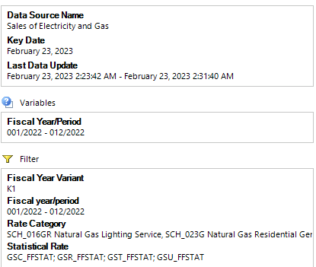
 |  |  |  |  |  | ZRW_Zo12
 |  |  |  |  |  | Order Group: 4081
 |  |  |  |  |  | Order | Description | Amount
 |  |  |  |  |  | 40810303 | Municipal Taxes | 53,916,629.16

SOEG Mu Tx Wtr Htr
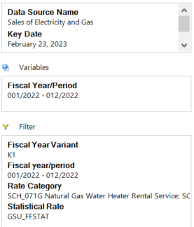
 |  |  | Statistical Rate | GSU_FFSTAT |  |  |  |  |  |  |  |  |  |  |  |  | Overall Result
 |  |  |  | Total Billed Amount Incl Tax |  |  |  |  |  |  |  |  |  |  |  |  | Total Billed Amount Incl Tax
 |  |  | Fiscal year/period | 001/2022 | 002/2022 | 003/2022 | 004/2022 | 005/2022 | 006/2022 | 007/2022 | 008/2022 | 009/2022 | 010/2022 | 011/2022 | 012/2022 | Result
Division |  | Rate Category |  | $ | $ | $ | $ | $ | $ | $ | $ | $ | $ | $ | $ | $ | $
20 | Gas | SCH_071G | Natural Gas Water Heater Rental Service |  | 0.00 |  |  | -0.58 | 0.58 |  |  |  |  | 0.00 | 0.00 | 0.00 | 0.00
 |  | SCH_072G | Natural Gas Large Vol H2O Heater Rental |  |  |  |  |  |  | 25.19 |  |  |  |  |  | 25.19 | 25.19
 |  | SCH_074G | Natural Gas Conv. Burner Rental Service | 0.00 | 0.00 | 0.00 | 0.00 | 0.00 | 0.00 | 0.00 | 0.00 | 0.00 | 0.00 | 0.00 | 0.00 | 0.00 | 0.00
 |  | Result |  | 0.00 | 0.00 | 0.00 | 0.00 | -0.58 | 0.58 | 25.19 | 0.00 | 0.00 | 0.00 | 0.00 | 0.00 | 25.19 | 25.19

 |  | Filtered out lighting service to get only water heater activity.

