Summary GRCs
SUMMARY GRC: Cumulative Expenditures through 12/31/2022

 | Total | 2015 | 2016 | 2017 | 2018 | 2019 | 2020 | 2021 | 2022
2017 GRC
order 92800825 GRC Rev Req | 5,299 | - | - | 5,299 | - | - | - | - | -
order 92800826 GRC | 74,033 | - | - | 91,960 | (17,998) | 71 | - | - | -
order 92800828 GRC (Common) | 33,341 | - | - | 33,341 | - | - | - | - | -
order 92800610 GRC (Common) | 2,139,083 | 118,074 | 275,412 | 1,745,432 | 165.00 | - | - | - | -
Total 2017 GRC Cost | 2,251,755 | 118,074 | 275,412 | 1,876,032 | (17,833) | 71 | - | - | -

2019 GRC | Total | 2015 | 2016 | 2017 | 2018 | 2019 | 2020 | 2021 | 2022
order 92800613 GRC (Common) | 3,135,957 | - | - | - |  | 1,735,656 | 1,384,357 | 15,944 | -
 | 3,135,957 | - | - | - | - | 1,735,656 | 1,384,357 | 15,944 | -

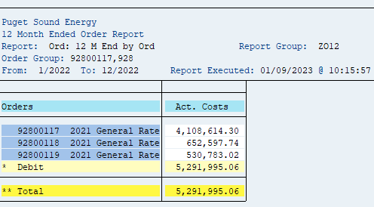
2022 GRC rate case expense are reflected in test year costs, but excluded from rate cast expenese averaging since the 2022 GRC was not approved until Jan 2023
2022 GRC | Total | 2015 | 2016 | 2017 | 2018 | 2019 | 2020 | 2021 | 2022
order 92800117 2021 GRC (Common) | 5,416,768 | - | - | - | - | - | - | 1,308,153 | 4,108,614
order 92800118 2021 GRC - Elec | 1,230,091 | - | - | - | - | - | - | 577,494 | 652,597
order 92800119 2021 GRC - Gas | 750,185 | - | - | - | - | - | - | 219,402 | 530,783
Total 2021 GRC Cost | 7,397,044 | - | - | - | - | - | - | 2,105,049 | 5,291,995

Total GRC direct charges | 12,784,756

