Test Year Amort
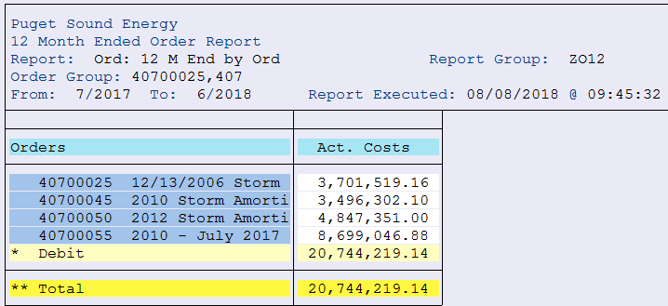
ZO12 Orders: Actual 12 Month Ended
Date: 5/15/2018
Order Group: 407E

Orders | 12 Months | Jun-18 | May-18 | Apr-18 | Mar-18 | Feb-18 | Jan-18 | Dec-17 | Nov-17 | Oct-17 | Sep-17 | Aug-17 | Jul-17
40700025 12/13/2006 Storm Amortization | 3,701,519 |  |  |  |  |  |  | 385,129 | 663,278 | 663,278 | 663,278 | 663,278 | 663,278
40700045 2010 Storm Amortization | 3,496,302 |  |  |  |  |  |  | 363,777 | 626,505 | 626,505 | 626,505 | 626,505 | 626,505
40700050 2012 Storm Amortization (2017 GRC aprroved) | 4,847,351 | 755,115 | 755,115 | 755,115 | 755,115 | 755,115 | 755,115 | 316,661
40700055 2012 Storm Amortization (2017 GRC aprroved) | 8,699,047 | 1,355,128 | 1,355,128 | 1,355,128 | 1,355,128 | 1,355,128 | 1,355,128 | 568,279
 | 20,744,219 | 2,110,243 | 2,110,243 | 2,110,243 | 2,110,243 | 2,110,243 | 2,110,243 | 1,633,846 | 1,289,783 | 1,289,783 | 1,289,783 | 1,289,783 | 1,289,783

