ELEC TY Amort
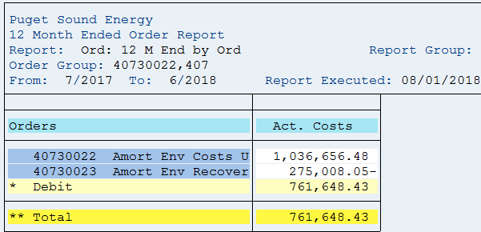
PUGET SOUND ENERGY
ENVIRONMENTAL REMEDIATION - ELECTRIC
Test Year July 2017 - June 2018

SAP Account | Site Description | Jul-17 | Aug-17 | Sep-17 | Oct-17 | Nov-17 | Dec-17 | Jan-18 | Feb-18 | Mar-18 | Apr-18 | May-18 | Jun-18 | Total

40730022 | Amort Env Costs - Elec UE - 170033 | - | - | - | - | - | 67,721 | 161,489 | 161,489 | 161,489 | 161,489 | 161,489 | 161,489 | 1,036,656
40730023 | Amort Env Costs Recovery- Elec UE - 170033 | - | - | - | - | - | (17,965) | (42,840) | (42,840) | (42,840) | (42,840) | (42,840) | (42,840) | (275,008)
 |  | - | - | - | - | - | 49,756 | 118,649 | 118,649 | 118,649 | 118,649 | 118,649 | 118,649 | 761,648

GAS TY Amort
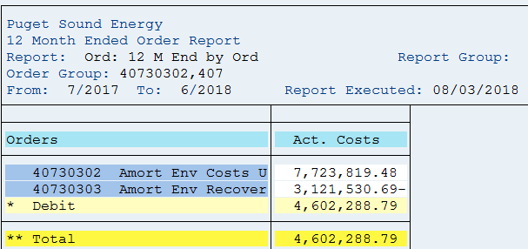
PUGET SOUND ENERGY
ENVIRONMENTAL REMEDIATION - GAS
Test Year July 2017 - June 2018

SAP Account | Site Description | Jul-17 | Aug-17 | Sep-17 | Oct-17 | Nov-17 | Dec-17 | Jan-18 | Feb-18 | Mar-18 | Apr-18 | May-18 | Jun-18 | Total

40730302 | Amort Env Costs - Gas UG - 170034 | - | - | - | - | - | 504,571 | 1,203,208 | 1,203,208 | 1,203,208 | 1,203,208 | 1,203,208 | 1,203,208 | 7,723,819
40730303 | Amort Env Costs Recovery- Gas UG - 170034 | - | - | - | - | - | (203,919) | (486,269) | (486,269) | (486,269) | (486,269) | (486,269) | (486,269) | (3,121,531)
 |  | - | - | - | - | - | 300,652 | 716,939 | 716,939 | 716,939 | 716,939 | 716,939 | 716,939 | 4,602,289

