ZO12 Gas Exp orders 12ME 6-2018
ZO12 Orders: Actual 12 Month Ended 6-2018

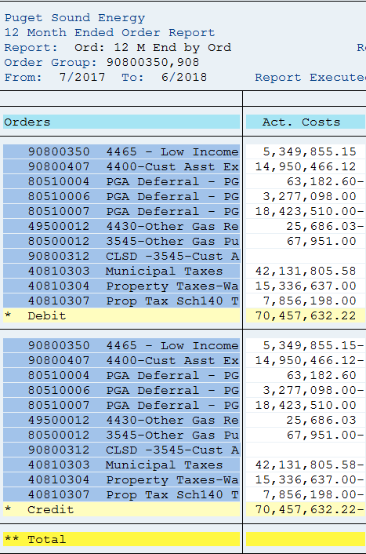

Cost elements | Act. Costs
90800350 4465 - Low Income Program - Gas | 5,349,855.15
90800407 4400-Cust Asst Exp-Consr Trckr Amort-Gas | 14,950,466.12
80510004 PGA Deferral - PGA Amort -Purch Gas Cos | (63,182.60)
80510006 PGA Deferral - PGA Amort (Demand) | 3,277,098.00
80510007 PGA Deferral - PGA Amort (Commodity) | (18,423,510.00) | (15,209,594.60)
49500012 4430-Other Gas Reven-Carbon Offset Progm | (25,686.03) | 0.954404
80500012 3545-Other Gas Purch-Carbon Offset Progm | 67,951.00 | (15,936,222.61)
90800312 3545-Cust Assist-Carbon Offset Sch-137-G | -
40810303 Municipal Taxes | 42,131,805.58
40810304 Property Taxes-Washington-Gas | 15,336,637.00
40810307 Prop Tax Sch140 Tracker Amort Defer -Gas | 7,856,198.00
Debit | 70,457,632.22
Over/underabsorption | 70,457,632.22

Orders | Act. Costs | Pass-Thru | Restated
80510001 PGA Deferral - Demand - Purch Gas Cost | (3,194,784.53) |  | (3,194,784.53)
80510002 PGA Deferral - Commodity -Purch Gas Cos | 45,508,067.29 |  | 45,508,067.29
80510004 PGA Deferral - PGA Amort -Purch Gas Cos | (63,182.60) | 63,182.60 | -
80510006 PGA Deferral - PGA Amort (Demand) | 3,277,098.00 | (3,277,098.00) | -
80510007 PGA Deferral - PGA Amort (Commodity) | (18,423,510.00) | 18,423,510.00 | -
* Total | 27,103,688.16 | 15,209,594.60 | 42,313,282.76
(12) 804 - Natural Gas City Gate Purchases | 293,933,173.33 |  | 293,933,173.33
(12) 805 - Other Gas Purchases | 68,011.45 | (67,951.00) | 60.45
(12) 8081 - Gas Withdrawn From Storage | 38,238,336.08 |  | 38,238,336.08
(12) 8082 - Gas Delivered To Storage | (33,831,434.05) |  | (33,831,434.05)
 | 325,511,774.97 | 15,141,643.60 | 340,653,418.57
 |  |  | 340,653,418.57 | From Model
 |  |  | - | Verification of correct sign

Sch142 Decoup ordrs 12ME 6-2018
ZO12 Orders: Actual 12 Month Ended 6-2018
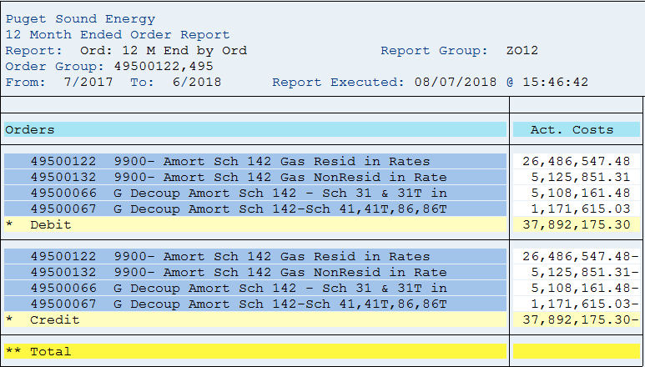

Orders | Act. Costs
49500122 9900- Amort Sch 142 Gas Resid in Rates | 26,486,547.48
49500132 9900- Amort Sch 142 Gas NonResid in Rate | 5,125,851.31
49500066 G Decoup Amort Sch 142 - Sch 31 & 31T in | 5,108,161.48
49500067 G Decoup Amort Sch 142-Sch 41,41T,86,86T | 1,171,615.03
Debit | 37,892,175.30
Over/underabsorption | 37,892,175.30

Conversion Factor | 0.954404

Decoupling Revenue | (39,702,448.12)

