Qual TY SAP
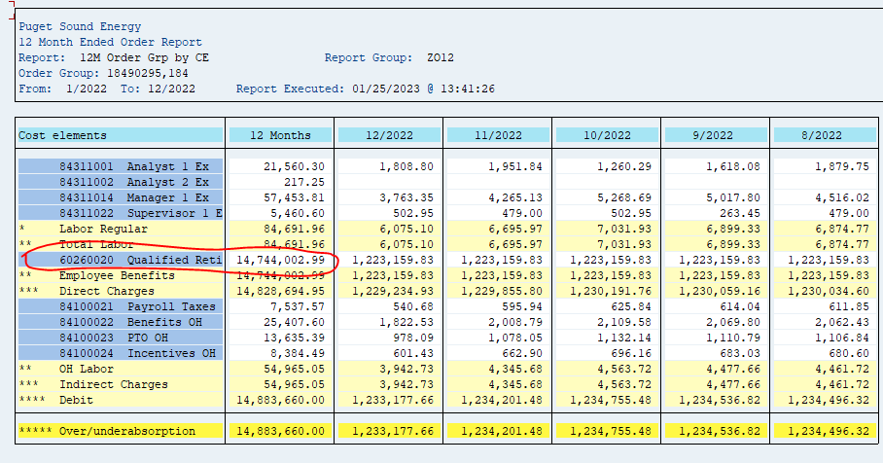
ZO12 Orders: Actual 12 Month Ended

Orders | 12 Months | Dec-22 | Nov-22 | Oct-22 | Sep-22 | Aug-22 | Jul-22 | Jun-22 | May-22 | Apr-22 | Mar-22 | Feb-22 | Jan-22
18490295 Benefits-Pension / CE 60260020 | 14,744,002.99 | 1,223,159.83 | 1,223,159.83 | 1,223,159.83 | 1,223,159.83 | 1,223,159.83 | 735,618.83 | 1,304,416.67 | 1,304,416.67 | 1,304,416.67 | 1,370,501.66 | 1,304,416.67 | 1,304,416.67
18490404 1412 - Qualified Retirement Pl
19900110 1412 - Qualified Retirement Pl
** Over/underabsorption | 14,744,003 | 1,223,160 | 1,223,160 | 1,223,160 | 1,223,160 | 1,223,160 | 735,619 | 1,304,417 | 1,304,417 | 1,304,417 | 1,370,502 | 1,304,417 | 1,304,417
ck with Pension report | 14,744,003
ck | -

